ITGAV _multivariate
Reported by Tex Li-Hsing Chi. tex@gate.sinica.edu.tw 2019-08-18

Table 2. The clinicopathological features of HNSCC cohort and ITGAV expression. (Chi square test)
Cutoff at -0.147 (50.0%)
 |  | ITGAV expression |  | ITGAV expression |  | (Optimised)
 | Features | Low | (%) | High | (%) | Case no | P-value | Remark | Matthews
Gender | Female | 151 | 36.4 | 155 | 37.3 | 415 | 0.8007 | 0 | 0
2 | Male | 56 | 13.5 | 53 | 12.8
Age at diagnosis | <=65y | 128 | 30.8 | 146 | 35.2 | 415 | 0.0904 | 0 | 0
4 | >65y | 79 | 19 | 62 | 14.9
Clinical T Status | T1+T2 | 63 | 15.2 | 86 | 20.7 | 415 | 0.0268 | 1 | 0
6 | T3+T4 | 144 | 34.7 | 122 | 29.4
Clinical N Status | N0 | 103 | 24.8 | 113 | 27.2 | 415 | 0.4047 | 0 | 0
8 | N1-3 | 104 | 25.1 | 95 | 22.9
Clinical M Status | M0 | 204 | 49.2 | 208 | 50.1 | 415 | 0.1232 | 0 | 0
10 | M1 | 3 | 0.7 | 0 | 0
Clinical Stage | Stage I+II | 41 | 9.9 | 61 | 14.7 | 415 | 0.0325 | 1 | 0
12 | Stage III+IV | 166 | 40 | 147 | 35.4
Surgical Margin status | Negative | 159 | 38.3 | 159 | 38.3 | 415 | 1 | 0 | 0
14 | Positive | 48 | 11.6 | 49 | 11.8
Tobacco Exposure | Low | 81 | 19.5 | 80 | 19.3 | 415 | 0.9199 | 0 | 0
16 | High | 126 | 30.4 | 128 | 30.8

Table 3. Univariate/Multivariate Cox's proportional hazards regression analyses on OS time of ITGAV gene expression in HNSCC

 |  | Univariate |  |  |  | Multivariate
 | Features | HR | CI95%(L) | CI95%(H) | P-value | HR | CI95%(L) | CI95%(H) | P-value
1 | Female | 1 |  |  |  | 1
Gender | Male | 1.157 | 0.843 | 1.587 | 0.367 | 1.196 | 0.856 | 1.673 | 0.294
11 | <=65y | 1 |  |  |  | 1
Age at diagnosis | >65y | 1.329 | 0.99 | 1.784 | 0.058 | 1.383 | 1.015 | 1.883 | 0.04
12 | T1+T2 | 1 |  |  |  | 1
Clinical T Status | T3+T4 | 1.409 | 1.028 | 1.931 | 0.033 | 2.201 | 1.164 | 4.161 | 0.015
13 | N0 | 1 |  |  |  | 1
Clinical N Status | N1-3 | 1.185 | 0.89 | 1.577 | 0.246 | 1.243 | 0.871 | 1.773 | 0.231
14 | M0 | 1 |  |  |  | 1
Clinical M Status | M1 | 4.097 | 1.009 | 16.644 | 0.049 | 9.119 | 1.973 | 42.148 | 0.005
15 | Stage I+II | 1 |  |  |  | 1
Clinical Stage | Stage III+IV | 1.245 | 0.882 | 1.759 | 0.213 | 0.502 | 0.234 | 1.078 | 0.077
16 | Negative | 1 |  |  |  | 1
Surgical Margin status | Positive | 1.591 | 1.155 | 2.191 | 0.004 | 1.669 | 1.208 | 2.306 | 0.002
17 | Low | 1 |  |  |  | 1
Tobacco Exposure | High | 1.364 | 1.008 | 1.844 | 0.044 | 1.447 | 1.05 | 1.996 | 0.024
18 | Low | 1 |  |  |  | 1
RNAseq(z-score) | High | 0.856 | 0.642 | 1.141 | 0.289 | 0.945 | 0.705 | 1.267 | 0.704

Table 4. Univariate/Multivariate Cox's proportional hazards regression analyses on RFS time of ITGAV gene expression in HNSCC

 |  | Univariate |  |  |  | Multivariate
 | Features | HR | CI95%(L) | CI95%(H) | P-value | HR | CI95%(L) | CI95%(H) | P-value
1 | Female | 1 |  |  |  | 1
Gender | Male | 1.157 | 0.843 | 1.587 | 0.367 | 1.196 | 0.856 | 1.673 | 0.294
11 | <=65y | 1 |  |  |  | 1
Age at diagnosis | >65y | 1.329 | 0.99 | 1.784 | 0.058 | 1.383 | 1.015 | 1.883 | 0.04
12 | T1+T2 | 1 |  |  |  | 1
Clinical T Status | T3+T4 | 1.409 | 1.028 | 1.931 | 0.033 | 2.201 | 1.164 | 4.161 | 0.015
13 | N0 | 1 |  |  |  | 1
Clinical N Status | N1-3 | 1.185 | 0.89 | 1.577 | 0.246 | 1.243 | 0.871 | 1.773 | 0.231
14 | M0 | 1 |  |  |  | 1
Clinical M Status | M1 | 4.097 | 1.009 | 16.644 | 0.049 | 9.119 | 1.973 | 42.148 | 0.005
15 | Stage I+II | 1 |  |  |  | 1
Clinical Stage | Stage III+IV | 1.245 | 0.882 | 1.759 | 0.213 | 0.502 | 0.234 | 1.078 | 0.077
16 | Negative | 1 |  |  |  | 1
Surgical Margin status | Positive | 1.591 | 1.155 | 2.191 | 0.004 | 1.669 | 1.208 | 2.306 | 0.002
17 | Low | 1 |  |  |  | 1
Tobacco Exposure | High | 1.364 | 1.008 | 1.844 | 0.044 | 1.447 | 1.05 | 1.996 | 0.024
18 | Low | 1 |  |  |  | 1
RNAseq(z-score) | High | 0.856 | 0.642 | 1.141 | 0.289 | 0.945 | 0.705 | 1.267 | 0.704

Kaplan-Meier survival estimate: Cutoff at -0.147 (50.0%)



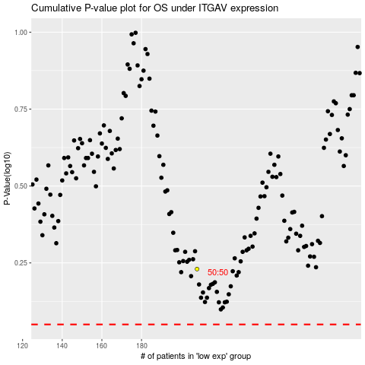

 |  |  |  |  |  | cases_OS | p_OS | rank | exp
 |  |  |  |  |  |  | cases_RFS | p_RFS | rank | exp

