ITGB1BP1 _multivariate
Reported by Tex Li-Hsing Chi. tex@gate.sinica.edu.tw 2019-08-18

Table 2. The clinicopathological features of HNSCC cohort and ITGB1BP1 expression. (Chi square test)
Cutoff at -0.441 (30.2%)
 |  | ITGB1BP1 expression |  | ITGB1BP1 expression |  | (Optimised)
 | Features | Low | (%) | High | (%) | Case no | P-value | Remark | Matthews
Gender | Female | 101 | 24.3 | 205 | 49.4 | 415 | 0.0428 | 1 | 0
2 | Male | 24 | 5.8 | 85 | 20.5
Age at diagnosis | <=65y | 82 | 19.8 | 192 | 46.3 | 415 | 0.9946 | 0 | 0
4 | >65y | 43 | 10.4 | 98 | 23.6
Clinical T Status | T1+T2 | 47 | 11.3 | 102 | 24.6 | 415 | 0.7178 | 0 | 0
6 | T3+T4 | 78 | 18.8 | 188 | 45.3
Clinical N Status | N0 | 69 | 16.6 | 147 | 35.4 | 415 | 0.4613 | 0 | 0
8 | N1-3 | 56 | 13.5 | 143 | 34.5
Clinical M Status | M0 | 125 | 30.1 | 287 | 69.2 | 415 | 0.5571 | 0 | 0
10 | M1 | 0 | 0 | 3 | 0.7
Clinical Stage | Stage I+II | 29 | 7 | 73 | 17.6 | 415 | 0.7612 | 0 | 0
12 | Stage III+IV | 96 | 23.1 | 217 | 52.3
Surgical Margin status | Negative | 101 | 24.3 | 217 | 52.3 | 415 | 0.2075 | 0 | 0
14 | Positive | 24 | 5.8 | 73 | 17.6
Tobacco Exposure | Low | 48 | 11.6 | 113 | 27.2 | 415 | 1 | 0 | 0
16 | High | 77 | 18.6 | 177 | 42.7

Table 3. Univariate/Multivariate Cox's proportional hazards regression analyses on OS time of ITGB1BP1 gene expression in HNSCC

 |  | Univariate |  |  |  | Multivariate
 | Features | HR | CI95%(L) | CI95%(H) | P-value | HR | CI95%(L) | CI95%(H) | P-value
1 | Female | 1 |  |  |  | 1
Gender | Male | 1.157 | 0.843 | 1.587 | 0.367 | 1.156 | 0.823 | 1.622 | 0.404
11 | <=65y | 1 |  |  |  | 1
Age at diagnosis | >65y | 1.329 | 0.99 | 1.784 | 0.058 | 1.404 | 1.033 | 1.908 | 0.03
12 | T1+T2 | 1 |  |  |  | 1
Clinical T Status | T3+T4 | 1.409 | 1.028 | 1.931 | 0.033 | 2.119 | 1.118 | 4.016 | 0.021
13 | N0 | 1 |  |  |  | 1
Clinical N Status | N1-3 | 1.185 | 0.89 | 1.577 | 0.246 | 1.212 | 0.848 | 1.732 | 0.291
14 | M0 | 1 |  |  |  | 1
Clinical M Status | M1 | 4.097 | 1.009 | 16.644 | 0.049 | 8.511 | 1.844 | 39.274 | 0.006
15 | Stage I+II | 1 |  |  |  | 1
Clinical Stage | Stage III+IV | 1.245 | 0.882 | 1.759 | 0.213 | 0.53 | 0.246 | 1.142 | 0.105
16 | Negative | 1 |  |  |  | 1
Surgical Margin status | Positive | 1.591 | 1.155 | 2.191 | 0.004 | 1.63 | 1.177 | 2.256 | 0.003
17 | Low | 1 |  |  |  | 1
Tobacco Exposure | High | 1.364 | 1.008 | 1.844 | 0.044 | 1.428 | 1.035 | 1.969 | 0.03
18 | Low | 1 |  |  |  | 1
RNAseq(z-score) | High | 1.404 | 1.015 | 1.941 | 0.04 | 1.244 | 0.889 | 1.739 | 0.202

Table 4. Univariate/Multivariate Cox's proportional hazards regression analyses on RFS time of ITGB1BP1 gene expression in HNSCC

 |  | Univariate |  |  |  | Multivariate
 | Features | HR | CI95%(L) | CI95%(H) | P-value | HR | CI95%(L) | CI95%(H) | P-value
1 | Female | 1 |  |  |  | 1
Gender | Male | 1.157 | 0.843 | 1.587 | 0.367 | 1.156 | 0.823 | 1.622 | 0.404
11 | <=65y | 1 |  |  |  | 1
Age at diagnosis | >65y | 1.329 | 0.99 | 1.784 | 0.058 | 1.404 | 1.033 | 1.908 | 0.03
12 | T1+T2 | 1 |  |  |  | 1
Clinical T Status | T3+T4 | 1.409 | 1.028 | 1.931 | 0.033 | 2.119 | 1.118 | 4.016 | 0.021
13 | N0 | 1 |  |  |  | 1
Clinical N Status | N1-3 | 1.185 | 0.89 | 1.577 | 0.246 | 1.212 | 0.848 | 1.732 | 0.291
14 | M0 | 1 |  |  |  | 1
Clinical M Status | M1 | 4.097 | 1.009 | 16.644 | 0.049 | 8.511 | 1.844 | 39.274 | 0.006
15 | Stage I+II | 1 |  |  |  | 1
Clinical Stage | Stage III+IV | 1.245 | 0.882 | 1.759 | 0.213 | 0.53 | 0.246 | 1.142 | 0.105
16 | Negative | 1 |  |  |  | 1
Surgical Margin status | Positive | 1.591 | 1.155 | 2.191 | 0.004 | 1.63 | 1.177 | 2.256 | 0.003
17 | Low | 1 |  |  |  | 1
Tobacco Exposure | High | 1.364 | 1.008 | 1.844 | 0.044 | 1.428 | 1.035 | 1.969 | 0.03
18 | Low | 1 |  |  |  | 1
RNAseq(z-score) | High | 1.404 | 1.015 | 1.941 | 0.04 | 1.244 | 0.889 | 1.739 | 0.202

Kaplan-Meier survival estimate: Cutoff at -0.441 (30.2%)

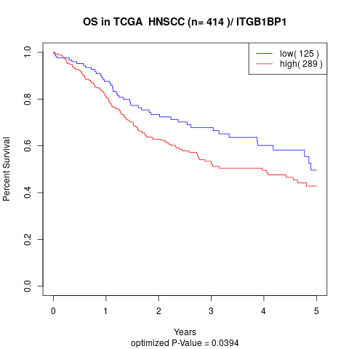

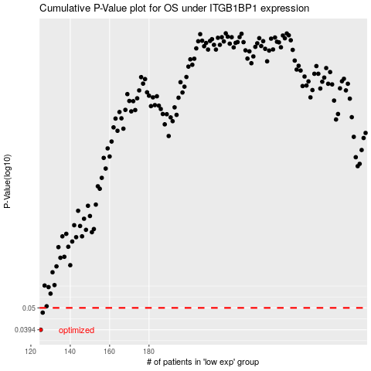

 |  |  |  |  |  | cases_OS | p_OS | rank | exp
 |  |  |  |  |  | 125 | 0.0394 | 87 | -0.44066829594
 |  |  |  |  |  | 126 | 0.0475 | 68 | -0.43949706466
 |  |  |  |  |  |  | cases_RFS | p_RFS | rank | exp
 |  |  |  |  |  |  |  | 0.0394 | 299 | -0.44476384024
 |  |  |  |  |  |  | 125 | 0.0475 | 87 | -0.44066829594

