ITGB1BP2 _multivariate
Reported by Tex Li-Hsing Chi. tex@gate.sinica.edu.tw 2019-08-18

Table 2. The clinicopathological features of HNSCC cohort and ITGB1BP2 expression. (Chi square test)
Cutoff at -0.226 (50.0%)
 |  | ITGB1BP2 expression |  | ITGB1BP2 expression |  | (Optimised)
 | Features | Low | (%) | High | (%) | Case no | P-value | Remark | Matthews
Gender | Female | 148 | 35.7 | 158 | 38.1 | 415 | 0.3567 | 0 | 0
2 | Male | 59 | 14.2 | 50 | 12
Age at diagnosis | <=65y | 135 | 32.5 | 139 | 33.5 | 415 | 0.8084 | 0 | 0
4 | >65y | 72 | 17.3 | 69 | 16.6
Clinical T Status | T1+T2 | 68 | 16.4 | 81 | 19.5 | 415 | 0.2336 | 0 | 0
6 | T3+T4 | 139 | 33.5 | 127 | 30.6
Clinical N Status | N0 | 113 | 27.2 | 103 | 24.8 | 415 | 0.3495 | 1 | 0
8 | N1-3 | 94 | 22.7 | 105 | 25.3
Clinical M Status | M0 | 205 | 49.4 | 207 | 49.9 | 415 | 0.6232 | 0 | 0
10 | M1 | 2 | 0.5 | 1 | 0.2
Clinical Stage | Stage I+II | 45 | 10.8 | 57 | 13.7 | 415 | 0.2202 | 0 | 0
12 | Stage III+IV | 162 | 39 | 151 | 36.4
Surgical Margin status | Negative | 156 | 37.6 | 162 | 39 | 415 | 0.5636 | 0 | 0
14 | Positive | 51 | 12.3 | 46 | 11.1
Tobacco Exposure | Low | 81 | 19.5 | 80 | 19.3 | 415 | 0.9199 | 0 | 0
16 | High | 126 | 30.4 | 128 | 30.8

Table 3. Univariate/Multivariate Cox's proportional hazards regression analyses on OS time of ITGB1BP2 gene expression in HNSCC

 |  | Univariate |  |  |  | Multivariate
 | Features | HR | CI95%(L) | CI95%(H) | P-value | HR | CI95%(L) | CI95%(H) | P-value
1 | Female | 1 |  |  |  | 1
Gender | Male | 1.157 | 0.843 | 1.587 | 0.367 | 1.2 | 0.858 | 1.679 | 0.287
11 | <=65y | 1 |  |  |  | 1
Age at diagnosis | >65y | 1.329 | 0.99 | 1.784 | 0.058 | 1.382 | 1.016 | 1.88 | 0.04
12 | T1+T2 | 1 |  |  |  | 1
Clinical T Status | T3+T4 | 1.409 | 1.028 | 1.931 | 0.033 | 2.149 | 1.134 | 4.071 | 0.019
13 | N0 | 1 |  |  |  | 1
Clinical N Status | N1-3 | 1.185 | 0.89 | 1.577 | 0.246 | 1.213 | 0.849 | 1.735 | 0.289
14 | M0 | 1 |  |  |  | 1
Clinical M Status | M1 | 4.097 | 1.009 | 16.644 | 0.049 | 9.739 | 2.123 | 44.678 | 0.003
15 | Stage I+II | 1 |  |  |  | 1
Clinical Stage | Stage III+IV | 1.245 | 0.882 | 1.759 | 0.213 | 0.526 | 0.244 | 1.132 | 0.101
16 | Negative | 1 |  |  |  | 1
Surgical Margin status | Positive | 1.591 | 1.155 | 2.191 | 0.004 | 1.657 | 1.2 | 2.29 | 0.002
17 | Low | 1 |  |  |  | 1
Tobacco Exposure | High | 1.364 | 1.008 | 1.844 | 0.044 | 1.445 | 1.048 | 1.993 | 0.025
18 | Low | 1 |  |  |  | 1
RNAseq(z-score) | High | 1.227 | 0.92 | 1.636 | 0.164 | 1.189 | 0.888 | 1.592 | 0.246

Table 4. Univariate/Multivariate Cox's proportional hazards regression analyses on RFS time of ITGB1BP2 gene expression in HNSCC

 |  | Univariate |  |  |  | Multivariate
 | Features | HR | CI95%(L) | CI95%(H) | P-value | HR | CI95%(L) | CI95%(H) | P-value
1 | Female | 1 |  |  |  | 1
Gender | Male | 1.157 | 0.843 | 1.587 | 0.367 | 1.2 | 0.858 | 1.679 | 0.287
11 | <=65y | 1 |  |  |  | 1
Age at diagnosis | >65y | 1.329 | 0.99 | 1.784 | 0.058 | 1.382 | 1.016 | 1.88 | 0.04
12 | T1+T2 | 1 |  |  |  | 1
Clinical T Status | T3+T4 | 1.409 | 1.028 | 1.931 | 0.033 | 2.149 | 1.134 | 4.071 | 0.019
13 | N0 | 1 |  |  |  | 1
Clinical N Status | N1-3 | 1.185 | 0.89 | 1.577 | 0.246 | 1.213 | 0.849 | 1.735 | 0.289
14 | M0 | 1 |  |  |  | 1
Clinical M Status | M1 | 4.097 | 1.009 | 16.644 | 0.049 | 9.739 | 2.123 | 44.678 | 0.003
15 | Stage I+II | 1 |  |  |  | 1
Clinical Stage | Stage III+IV | 1.245 | 0.882 | 1.759 | 0.213 | 0.526 | 0.244 | 1.132 | 0.101
16 | Negative | 1 |  |  |  | 1
Surgical Margin status | Positive | 1.591 | 1.155 | 2.191 | 0.004 | 1.657 | 1.2 | 2.29 | 0.002
17 | Low | 1 |  |  |  | 1
Tobacco Exposure | High | 1.364 | 1.008 | 1.844 | 0.044 | 1.445 | 1.048 | 1.993 | 0.025
18 | Low | 1 |  |  |  | 1
RNAseq(z-score) | High | 1.227 | 0.92 | 1.636 | 0.164 | 1.189 | 0.888 | 1.592 | 0.246

Kaplan-Meier survival estimate: Cutoff at -0.226 (50.0%)



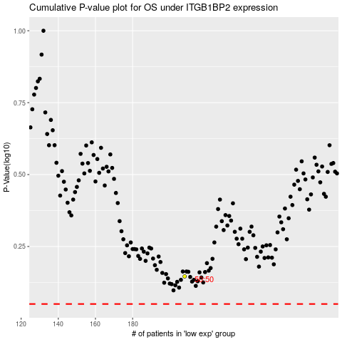

 |  |  |  |  |  | cases_OS | p_OS | rank | exp
 |  |  |  |  |  |  | cases_RFS | p_RFS | rank | exp

