ITGB3 _multivariate
Reported by Tex Li-Hsing Chi. tex@gate.sinica.edu.tw 2019-08-18

Table 2. The clinicopathological features of HNSCC cohort and ITGB3 expression. (Chi square test)
Cutoff at -0.29 (50.0%)
 |  | ITGB3 expression |  | ITGB3 expression |  | (Optimised)
 | Features | Low | (%) | High | (%) | Case no | P-value | Remark | Matthews
Gender | Female | 158 | 38.1 | 148 | 35.7 | 415 | 0.2774 | 0 | 0
2 | Male | 49 | 11.8 | 60 | 14.5
Age at diagnosis | <=65y | 141 | 34 | 133 | 32 | 415 | 0.4272 | 0 | 0
4 | >65y | 66 | 15.9 | 75 | 18.1
Clinical T Status | T1+T2 | 74 | 17.8 | 75 | 18.1 | 415 | 1 | 0 | 0
6 | T3+T4 | 133 | 32 | 133 | 32
Clinical N Status | N0 | 104 | 25.1 | 112 | 27 | 415 | 0.5243 | 0 | 0
8 | N1-3 | 103 | 24.8 | 96 | 23.1
Clinical M Status | M0 | 204 | 49.2 | 208 | 50.1 | 415 | 0.1232 | 0 | 0
10 | M1 | 3 | 0.7 | 0 | 0
Clinical Stage | Stage I+II | 48 | 11.6 | 54 | 13 | 415 | 0.5878 | 0 | 0
12 | Stage III+IV | 159 | 38.3 | 154 | 37.1
Surgical Margin status | Negative | 156 | 37.6 | 162 | 39 | 415 | 0.5636 | 0 | 0
14 | Positive | 51 | 12.3 | 46 | 11.1
Tobacco Exposure | Low | 85 | 20.5 | 76 | 18.3 | 415 | 0.3655 | 0 | 0
16 | High | 122 | 29.4 | 132 | 31.8

Table 3. Univariate/Multivariate Cox's proportional hazards regression analyses on OS time of ITGB3 gene expression in HNSCC

 |  | Univariate |  |  |  | Multivariate
 | Features | HR | CI95%(L) | CI95%(H) | P-value | HR | CI95%(L) | CI95%(H) | P-value
1 | Female | 1 |  |  |  | 1
Gender | Male | 1.157 | 0.843 | 1.587 | 0.367 | 1.199 | 0.859 | 1.676 | 0.286
11 | <=65y | 1 |  |  |  | 1
Age at diagnosis | >65y | 1.329 | 0.99 | 1.784 | 0.058 | 1.385 | 1.018 | 1.884 | 0.038
12 | T1+T2 | 1 |  |  |  | 1
Clinical T Status | T3+T4 | 1.409 | 1.028 | 1.931 | 0.033 | 2.193 | 1.16 | 4.147 | 0.016
13 | N0 | 1 |  |  |  | 1
Clinical N Status | N1-3 | 1.185 | 0.89 | 1.577 | 0.246 | 1.238 | 0.868 | 1.767 | 0.239
14 | M0 | 1 |  |  |  | 1
Clinical M Status | M1 | 4.097 | 1.009 | 16.644 | 0.049 | 9.764 | 2.118 | 45.022 | 0.003
15 | Stage I+II | 1 |  |  |  | 1
Clinical Stage | Stage III+IV | 1.245 | 0.882 | 1.759 | 0.213 | 0.508 | 0.237 | 1.092 | 0.083
16 | Negative | 1 |  |  |  | 1
Surgical Margin status | Positive | 1.591 | 1.155 | 2.191 | 0.004 | 1.68 | 1.215 | 2.322 | 0.002
17 | Low | 1 |  |  |  | 1
Tobacco Exposure | High | 1.364 | 1.008 | 1.844 | 0.044 | 1.448 | 1.05 | 1.995 | 0.024
18 | Low | 1 |  |  |  | 1
RNAseq(z-score) | High | 1.077 | 0.808 | 1.436 | 0.612 | 1.086 | 0.811 | 1.453 | 0.58

Table 4. Univariate/Multivariate Cox's proportional hazards regression analyses on RFS time of ITGB3 gene expression in HNSCC

 |  | Univariate |  |  |  | Multivariate
 | Features | HR | CI95%(L) | CI95%(H) | P-value | HR | CI95%(L) | CI95%(H) | P-value
1 | Female | 1 |  |  |  | 1
Gender | Male | 1.157 | 0.843 | 1.587 | 0.367 | 1.199 | 0.859 | 1.676 | 0.286
11 | <=65y | 1 |  |  |  | 1
Age at diagnosis | >65y | 1.329 | 0.99 | 1.784 | 0.058 | 1.385 | 1.018 | 1.884 | 0.038
12 | T1+T2 | 1 |  |  |  | 1
Clinical T Status | T3+T4 | 1.409 | 1.028 | 1.931 | 0.033 | 2.193 | 1.16 | 4.147 | 0.016
13 | N0 | 1 |  |  |  | 1
Clinical N Status | N1-3 | 1.185 | 0.89 | 1.577 | 0.246 | 1.238 | 0.868 | 1.767 | 0.239
14 | M0 | 1 |  |  |  | 1
Clinical M Status | M1 | 4.097 | 1.009 | 16.644 | 0.049 | 9.764 | 2.118 | 45.022 | 0.003
15 | Stage I+II | 1 |  |  |  | 1
Clinical Stage | Stage III+IV | 1.245 | 0.882 | 1.759 | 0.213 | 0.508 | 0.237 | 1.092 | 0.083
16 | Negative | 1 |  |  |  | 1
Surgical Margin status | Positive | 1.591 | 1.155 | 2.191 | 0.004 | 1.68 | 1.215 | 2.322 | 0.002
17 | Low | 1 |  |  |  | 1
Tobacco Exposure | High | 1.364 | 1.008 | 1.844 | 0.044 | 1.448 | 1.05 | 1.995 | 0.024
18 | Low | 1 |  |  |  | 1
RNAseq(z-score) | High | 1.077 | 0.808 | 1.436 | 0.612 | 1.086 | 0.811 | 1.453 | 0.58

Kaplan-Meier survival estimate: Cutoff at -0.29 (50.0%)



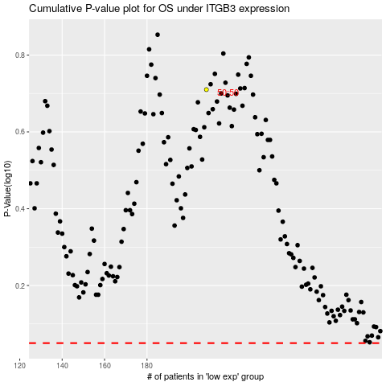

 |  |  |  |  |  | cases_OS | p_OS | rank | exp
 |  |  |  |  |  |  | cases_RFS | p_RFS | rank | exp

