ITGB5 _multivariate
Reported by Tex Li-Hsing Chi. tex@gate.sinica.edu.tw 2019-08-18

Table 2. The clinicopathological features of HNSCC cohort and ITGB5 expression. (Chi square test)
Cutoff at -0.135 (50.0%)
 |  | ITGB5 expression |  | ITGB5 expression |  | (Optimised)
 | Features | Low | (%) | High | (%) | Case no | P-value | Remark | Matthews
Gender | Female | 151 | 36.4 | 155 | 37.3 | 415 | 0.8007 | 0 | 0
2 | Male | 56 | 13.5 | 53 | 12.8
Age at diagnosis | <=65y | 129 | 31.1 | 145 | 34.9 | 415 | 0.1372 | 0 | 0
4 | >65y | 78 | 18.8 | 63 | 15.2
Clinical T Status | T1+T2 | 80 | 19.3 | 69 | 16.6 | 415 | 0.2891 | 0 | 0
6 | T3+T4 | 127 | 30.6 | 139 | 33.5
Clinical N Status | N0 | 112 | 27 | 104 | 25.1 | 415 | 0.4599 | 0 | 0
8 | N1-3 | 95 | 22.9 | 104 | 25.1
Clinical M Status | M0 | 205 | 49.4 | 207 | 49.9 | 415 | 0.6232 | 0 | 0
10 | M1 | 2 | 0.5 | 1 | 0.2
Clinical Stage | Stage I+II | 55 | 13.3 | 47 | 11.3 | 415 | 0.4087 | 0 | 0
12 | Stage III+IV | 152 | 36.6 | 161 | 38.8
Surgical Margin status | Negative | 153 | 36.9 | 165 | 39.8 | 415 | 0.2036 | 0 | 0
14 | Positive | 54 | 13 | 43 | 10.4
Tobacco Exposure | Low | 88 | 21.2 | 73 | 17.6 | 415 | 0.1314 | 0 | 0
16 | High | 119 | 28.7 | 135 | 32.5

Table 3. Univariate/Multivariate Cox's proportional hazards regression analyses on OS time of ITGB5 gene expression in HNSCC

 |  | Univariate |  |  |  | Multivariate
 | Features | HR | CI95%(L) | CI95%(H) | P-value | HR | CI95%(L) | CI95%(H) | P-value
1 | Female | 1 |  |  |  | 1
Gender | Male | 1.157 | 0.843 | 1.587 | 0.367 | 1.203 | 0.861 | 1.68 | 0.28
11 | <=65y | 1 |  |  |  | 1
Age at diagnosis | >65y | 1.329 | 0.99 | 1.784 | 0.058 | 1.381 | 1.015 | 1.879 | 0.04
12 | T1+T2 | 1 |  |  |  | 1
Clinical T Status | T3+T4 | 1.409 | 1.028 | 1.931 | 0.033 | 2.224 | 1.177 | 4.204 | 0.014
13 | N0 | 1 |  |  |  | 1
Clinical N Status | N1-3 | 1.185 | 0.89 | 1.577 | 0.246 | 1.236 | 0.866 | 1.764 | 0.243
14 | M0 | 1 |  |  |  | 1
Clinical M Status | M1 | 4.097 | 1.009 | 16.644 | 0.049 | 9.257 | 2.019 | 42.439 | 0.004
15 | Stage I+II | 1 |  |  |  | 1
Clinical Stage | Stage III+IV | 1.245 | 0.882 | 1.759 | 0.213 | 0.513 | 0.239 | 1.1 | 0.086
16 | Negative | 1 |  |  |  | 1
Surgical Margin status | Positive | 1.591 | 1.155 | 2.191 | 0.004 | 1.652 | 1.196 | 2.284 | 0.002
17 | Low | 1 |  |  |  | 1
Tobacco Exposure | High | 1.364 | 1.008 | 1.844 | 0.044 | 1.478 | 1.071 | 2.039 | 0.017
18 | Low | 1 |  |  |  | 1
RNAseq(z-score) | High | 0.829 | 0.622 | 1.105 | 0.201 | 0.825 | 0.617 | 1.104 | 0.196

Table 4. Univariate/Multivariate Cox's proportional hazards regression analyses on RFS time of ITGB5 gene expression in HNSCC

 |  | Univariate |  |  |  | Multivariate
 | Features | HR | CI95%(L) | CI95%(H) | P-value | HR | CI95%(L) | CI95%(H) | P-value
1 | Female | 1 |  |  |  | 1
Gender | Male | 1.157 | 0.843 | 1.587 | 0.367 | 1.203 | 0.861 | 1.68 | 0.28
11 | <=65y | 1 |  |  |  | 1
Age at diagnosis | >65y | 1.329 | 0.99 | 1.784 | 0.058 | 1.381 | 1.015 | 1.879 | 0.04
12 | T1+T2 | 1 |  |  |  | 1
Clinical T Status | T3+T4 | 1.409 | 1.028 | 1.931 | 0.033 | 2.224 | 1.177 | 4.204 | 0.014
13 | N0 | 1 |  |  |  | 1
Clinical N Status | N1-3 | 1.185 | 0.89 | 1.577 | 0.246 | 1.236 | 0.866 | 1.764 | 0.243
14 | M0 | 1 |  |  |  | 1
Clinical M Status | M1 | 4.097 | 1.009 | 16.644 | 0.049 | 9.257 | 2.019 | 42.439 | 0.004
15 | Stage I+II | 1 |  |  |  | 1
Clinical Stage | Stage III+IV | 1.245 | 0.882 | 1.759 | 0.213 | 0.513 | 0.239 | 1.1 | 0.086
16 | Negative | 1 |  |  |  | 1
Surgical Margin status | Positive | 1.591 | 1.155 | 2.191 | 0.004 | 1.652 | 1.196 | 2.284 | 0.002
17 | Low | 1 |  |  |  | 1
Tobacco Exposure | High | 1.364 | 1.008 | 1.844 | 0.044 | 1.478 | 1.071 | 2.039 | 0.017
18 | Low | 1 |  |  |  | 1
RNAseq(z-score) | High | 0.829 | 0.622 | 1.105 | 0.201 | 0.825 | 0.617 | 1.104 | 0.196

Kaplan-Meier survival estimate: Cutoff at -0.135 (50.0%)



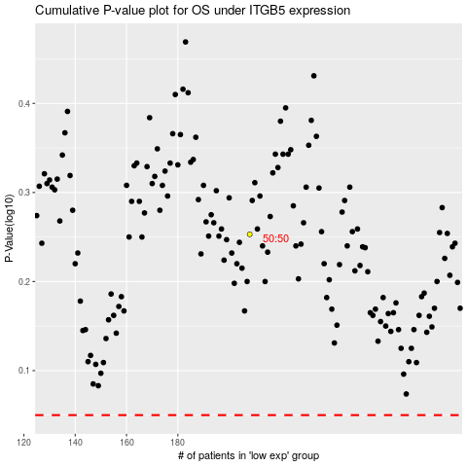

 |  |  |  |  |  | cases_OS | p_OS | rank | exp
 |  |  |  |  |  |  | cases_RFS | p_RFS | rank | exp

