ITGB8 _multivariate
Reported by Tex Li-Hsing Chi. tex@gate.sinica.edu.tw 2019-08-18

Table 2. The clinicopathological features of HNSCC cohort and ITGB8 expression. (Chi square test)
Cutoff at -0.224 (49.8%)
 |  | ITGB8 expression |  | ITGB8 expression |  | (Optimised)
 | Features | Low | (%) | High | (%) | Case no | P-value | Remark | Matthews
Gender | Female | 157 | 37.8 | 149 | 35.9 | 415 | 0.3881 | 0 | 0
2 | Male | 50 | 12 | 59 | 14.2
Age at diagnosis | <=65y | 136 | 32.8 | 138 | 33.3 | 415 | 0.9719 | 0 | 0
4 | >65y | 71 | 17.1 | 70 | 16.9
Clinical T Status | T1+T2 | 78 | 18.8 | 71 | 17.1 | 415 | 0.5152 | 0 | 0
6 | T3+T4 | 129 | 31.1 | 137 | 33
Clinical N Status | N0 | 112 | 27 | 104 | 25.1 | 415 | 0.4599 | 0 | 0
8 | N1-3 | 95 | 22.9 | 104 | 25.1
Clinical M Status | M0 | 205 | 49.4 | 207 | 49.9 | 415 | 0.6232 | 0 | 0
10 | M1 | 2 | 0.5 | 1 | 0.2
Clinical Stage | Stage I+II | 56 | 13.5 | 46 | 11.1 | 415 | 0.2918 | 0 | 0
12 | Stage III+IV | 151 | 36.4 | 162 | 39
Surgical Margin status | Negative | 155 | 37.3 | 163 | 39.3 | 415 | 0.4187 | 0 | 0
14 | Positive | 52 | 12.5 | 45 | 10.8
Tobacco Exposure | Low | 82 | 19.8 | 79 | 19 | 415 | 0.763 | 0 | 0
16 | High | 125 | 30.1 | 129 | 31.1

Table 3. Univariate/Multivariate Cox's proportional hazards regression analyses on OS time of ITGB8 gene expression in HNSCC

 |  | Univariate |  |  |  | Multivariate
 | Features | HR | CI95%(L) | CI95%(H) | P-value | HR | CI95%(L) | CI95%(H) | P-value
1 | Female | 1 |  |  |  | 1
Gender | Male | 1.157 | 0.843 | 1.587 | 0.367 | 1.203 | 0.861 | 1.681 | 0.278
11 | <=65y | 1 |  |  |  | 1
Age at diagnosis | >65y | 1.329 | 0.99 | 1.784 | 0.058 | 1.388 | 1.021 | 1.887 | 0.036
12 | T1+T2 | 1 |  |  |  | 1
Clinical T Status | T3+T4 | 1.409 | 1.028 | 1.931 | 0.033 | 2.206 | 1.167 | 4.171 | 0.015
13 | N0 | 1 |  |  |  | 1
Clinical N Status | N1-3 | 1.185 | 0.89 | 1.577 | 0.246 | 1.246 | 0.873 | 1.778 | 0.225
14 | M0 | 1 |  |  |  | 1
Clinical M Status | M1 | 4.097 | 1.009 | 16.644 | 0.049 | 9.137 | 1.986 | 42.029 | 0.004
15 | Stage I+II | 1 |  |  |  | 1
Clinical Stage | Stage III+IV | 1.245 | 0.882 | 1.759 | 0.213 | 0.51 | 0.237 | 1.095 | 0.084
16 | Negative | 1 |  |  |  | 1
Surgical Margin status | Positive | 1.591 | 1.155 | 2.191 | 0.004 | 1.66 | 1.2 | 2.295 | 0.002
17 | Low | 1 |  |  |  | 1
Tobacco Exposure | High | 1.364 | 1.008 | 1.844 | 0.044 | 1.462 | 1.06 | 2.016 | 0.021
18 | Low | 1 |  |  |  | 1
RNAseq(z-score) | High | 0.922 | 0.692 | 1.229 | 0.581 | 0.921 | 0.687 | 1.234 | 0.58

Table 4. Univariate/Multivariate Cox's proportional hazards regression analyses on RFS time of ITGB8 gene expression in HNSCC

 |  | Univariate |  |  |  | Multivariate
 | Features | HR | CI95%(L) | CI95%(H) | P-value | HR | CI95%(L) | CI95%(H) | P-value
1 | Female | 1 |  |  |  | 1
Gender | Male | 1.157 | 0.843 | 1.587 | 0.367 | 1.203 | 0.861 | 1.681 | 0.278
11 | <=65y | 1 |  |  |  | 1
Age at diagnosis | >65y | 1.329 | 0.99 | 1.784 | 0.058 | 1.388 | 1.021 | 1.887 | 0.036
12 | T1+T2 | 1 |  |  |  | 1
Clinical T Status | T3+T4 | 1.409 | 1.028 | 1.931 | 0.033 | 2.206 | 1.167 | 4.171 | 0.015
13 | N0 | 1 |  |  |  | 1
Clinical N Status | N1-3 | 1.185 | 0.89 | 1.577 | 0.246 | 1.246 | 0.873 | 1.778 | 0.225
14 | M0 | 1 |  |  |  | 1
Clinical M Status | M1 | 4.097 | 1.009 | 16.644 | 0.049 | 9.137 | 1.986 | 42.029 | 0.004
15 | Stage I+II | 1 |  |  |  | 1
Clinical Stage | Stage III+IV | 1.245 | 0.882 | 1.759 | 0.213 | 0.51 | 0.237 | 1.095 | 0.084
16 | Negative | 1 |  |  |  | 1
Surgical Margin status | Positive | 1.591 | 1.155 | 2.191 | 0.004 | 1.66 | 1.2 | 2.295 | 0.002
17 | Low | 1 |  |  |  | 1
Tobacco Exposure | High | 1.364 | 1.008 | 1.844 | 0.044 | 1.462 | 1.06 | 2.016 | 0.021
18 | Low | 1 |  |  |  | 1
RNAseq(z-score) | High | 0.922 | 0.692 | 1.229 | 0.581 | 0.921 | 0.687 | 1.234 | 0.58

Kaplan-Meier survival estimate: Cutoff at -0.224 (49.8%)



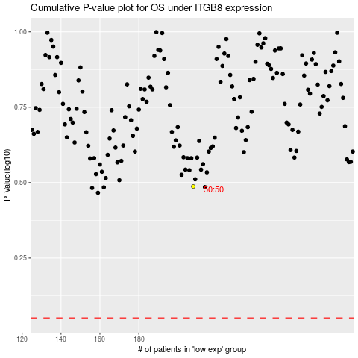

 |  |  |  |  |  | cases_OS | p_OS | rank | exp
 |  |  |  |  |  |  | cases_RFS | p_RFS | rank | exp

