ITIH4 _multivariate
Reported by Tex Li-Hsing Chi. tex@gate.sinica.edu.tw 2019-08-18

Table 2. The clinicopathological features of HNSCC cohort and ITIH4 expression. (Chi square test)
Cutoff at -0.31 (50.0%)
 |  | ITIH4 expression |  | ITIH4 expression |  | (Optimised)
 | Features | Low | (%) | High | (%) | Case no | P-value | Remark | Matthews
Gender | Female | 158 | 38.1 | 148 | 35.7 | 415 | 0.2774 | 0 | 0
2 | Male | 49 | 11.8 | 60 | 14.5
Age at diagnosis | <=65y | 135 | 32.5 | 139 | 33.5 | 415 | 0.8084 | 0 | 0
4 | >65y | 72 | 17.3 | 69 | 16.6
Clinical T Status | T1+T2 | 60 | 14.5 | 89 | 21.4 | 415 | 0.0047 | 1 | 0
6 | T3+T4 | 147 | 35.4 | 119 | 28.7
Clinical N Status | N0 | 101 | 24.3 | 115 | 27.7 | 415 | 0.2201 | 0 | 0
8 | N1-3 | 106 | 25.5 | 93 | 22.4
Clinical M Status | M0 | 204 | 49.2 | 208 | 50.1 | 415 | 0.1232 | 0 | 0
10 | M1 | 3 | 0.7 | 0 | 0
Clinical Stage | Stage I+II | 38 | 9.2 | 64 | 15.4 | 415 | 0.0048 | 1 | 0
12 | Stage III+IV | 169 | 40.7 | 144 | 34.7
Surgical Margin status | Negative | 155 | 37.3 | 163 | 39.3 | 415 | 0.4187 | 0 | 0
14 | Positive | 52 | 12.5 | 45 | 10.8
Tobacco Exposure | Low | 76 | 18.3 | 85 | 20.5 | 415 | 0.4207 | 0 | 0
16 | High | 131 | 31.6 | 123 | 29.6

Table 3. Univariate/Multivariate Cox's proportional hazards regression analyses on OS time of ITIH4 gene expression in HNSCC

 |  | Univariate |  |  |  | Multivariate
 | Features | HR | CI95%(L) | CI95%(H) | P-value | HR | CI95%(L) | CI95%(H) | P-value
1 | Female | 1 |  |  |  | 1
Gender | Male | 1.157 | 0.843 | 1.587 | 0.367 | 1.179 | 0.842 | 1.65 | 0.338
11 | <=65y | 1 |  |  |  | 1
Age at diagnosis | >65y | 1.329 | 0.99 | 1.784 | 0.058 | 1.397 | 1.027 | 1.901 | 0.033
12 | T1+T2 | 1 |  |  |  | 1
Clinical T Status | T3+T4 | 1.409 | 1.028 | 1.931 | 0.033 | 2.214 | 1.171 | 4.189 | 0.015
13 | N0 | 1 |  |  |  | 1
Clinical N Status | N1-3 | 1.185 | 0.89 | 1.577 | 0.246 | 1.237 | 0.866 | 1.766 | 0.242
14 | M0 | 1 |  |  |  | 1
Clinical M Status | M1 | 4.097 | 1.009 | 16.644 | 0.049 | 10.164 | 2.202 | 46.911 | 0.003
15 | Stage I+II | 1 |  |  |  | 1
Clinical Stage | Stage III+IV | 1.245 | 0.882 | 1.759 | 0.213 | 0.514 | 0.239 | 1.104 | 0.088
16 | Negative | 1 |  |  |  | 1
Surgical Margin status | Positive | 1.591 | 1.155 | 2.191 | 0.004 | 1.676 | 1.213 | 2.316 | 0.002
17 | Low | 1 |  |  |  | 1
Tobacco Exposure | High | 1.364 | 1.008 | 1.844 | 0.044 | 1.446 | 1.05 | 1.991 | 0.024
18 | Low | 1 |  |  |  | 1
RNAseq(z-score) | High | 1.135 | 0.85 | 1.514 | 0.392 | 1.177 | 0.876 | 1.581 | 0.28

Table 4. Univariate/Multivariate Cox's proportional hazards regression analyses on RFS time of ITIH4 gene expression in HNSCC

 |  | Univariate |  |  |  | Multivariate
 | Features | HR | CI95%(L) | CI95%(H) | P-value | HR | CI95%(L) | CI95%(H) | P-value
1 | Female | 1 |  |  |  | 1
Gender | Male | 1.157 | 0.843 | 1.587 | 0.367 | 1.179 | 0.842 | 1.65 | 0.338
11 | <=65y | 1 |  |  |  | 1
Age at diagnosis | >65y | 1.329 | 0.99 | 1.784 | 0.058 | 1.397 | 1.027 | 1.901 | 0.033
12 | T1+T2 | 1 |  |  |  | 1
Clinical T Status | T3+T4 | 1.409 | 1.028 | 1.931 | 0.033 | 2.214 | 1.171 | 4.189 | 0.015
13 | N0 | 1 |  |  |  | 1
Clinical N Status | N1-3 | 1.185 | 0.89 | 1.577 | 0.246 | 1.237 | 0.866 | 1.766 | 0.242
14 | M0 | 1 |  |  |  | 1
Clinical M Status | M1 | 4.097 | 1.009 | 16.644 | 0.049 | 10.164 | 2.202 | 46.911 | 0.003
15 | Stage I+II | 1 |  |  |  | 1
Clinical Stage | Stage III+IV | 1.245 | 0.882 | 1.759 | 0.213 | 0.514 | 0.239 | 1.104 | 0.088
16 | Negative | 1 |  |  |  | 1
Surgical Margin status | Positive | 1.591 | 1.155 | 2.191 | 0.004 | 1.676 | 1.213 | 2.316 | 0.002
17 | Low | 1 |  |  |  | 1
Tobacco Exposure | High | 1.364 | 1.008 | 1.844 | 0.044 | 1.446 | 1.05 | 1.991 | 0.024
18 | Low | 1 |  |  |  | 1
RNAseq(z-score) | High | 1.135 | 0.85 | 1.514 | 0.392 | 1.177 | 0.876 | 1.581 | 0.28

Kaplan-Meier survival estimate: Cutoff at -0.31 (50.0%)



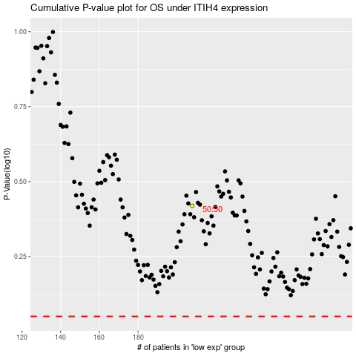

 |  |  |  |  |  | cases_OS | p_OS | rank | exp
 |  |  |  |  |  |  | cases_RFS | p_RFS | rank | exp

