ITIH5L _multivariate
Reported by Tex Li-Hsing Chi. tex@gate.sinica.edu.tw 2019-08-18

Table 2. The clinicopathological features of HNSCC cohort and ITIH5L expression. (Chi square test)
Cutoff at -0.248 (58.2%)
 |  | ITIH5L expression |  | ITIH5L expression |  | (Optimised)
 | Features | Low | (%) | High | (%) | Case no | P-value | Remark | Matthews
Gender | Female | 184 | 44.3 | 122 | 29.4 | 415 | 0.2522 | 0 | 0
2 | Male | 58 | 14 | 51 | 12.3
Age at diagnosis | <=65y | 174 | 41.9 | 100 | 24.1 | 415 | 0.0039 | 1 | 0
4 | >65y | 68 | 16.4 | 73 | 17.6
Clinical T Status | T1+T2 | 91 | 21.9 | 58 | 14 | 415 | 0.4533 | 0 | 0
6 | T3+T4 | 151 | 36.4 | 115 | 27.7
Clinical N Status | N0 | 108 | 26 | 108 | 26 | 415 | 5e-04 | 1 | 0
8 | N1-3 | 134 | 32.3 | 65 | 15.7
Clinical M Status | M0 | 239 | 57.6 | 173 | 41.7 | 415 | 0.269 | 0 | 0
10 | M1 | 3 | 0.7 | 0 | 0
Clinical Stage | Stage I+II | 58 | 14 | 44 | 10.6 | 415 | 0.8208 | 0 | 0
12 | Stage III+IV | 184 | 44.3 | 129 | 31.1
Surgical Margin status | Negative | 184 | 44.3 | 134 | 32.3 | 415 | 0.8142 | 0 | 0
14 | Positive | 58 | 14 | 39 | 9.4
Tobacco Exposure | Low | 89 | 21.4 | 72 | 17.3 | 415 | 0.358 | 0 | 0
16 | High | 153 | 36.9 | 101 | 24.3

Table 3. Univariate/Multivariate Cox's proportional hazards regression analyses on OS time of ITIH5L gene expression in HNSCC

 |  | Univariate |  |  |  | Multivariate
 | Features | HR | CI95%(L) | CI95%(H) | P-value | HR | CI95%(L) | CI95%(H) | P-value
1 | Female | 1 |  |  |  | 1
Gender | Male | 1.157 | 0.843 | 1.587 | 0.367 | 1.228 | 0.877 | 1.72 | 0.232
11 | <=65y | 1 |  |  |  | 1
Age at diagnosis | >65y | 1.329 | 0.99 | 1.784 | 0.058 | 1.422 | 1.045 | 1.935 | 0.025
12 | T1+T2 | 1 |  |  |  | 1
Clinical T Status | T3+T4 | 1.409 | 1.028 | 1.931 | 0.033 | 2.247 | 1.188 | 4.252 | 0.013
13 | N0 | 1 |  |  |  | 1
Clinical N Status | N1-3 | 1.185 | 0.89 | 1.577 | 0.246 | 1.18 | 0.825 | 1.688 | 0.366
14 | M0 | 1 |  |  |  | 1
Clinical M Status | M1 | 4.097 | 1.009 | 16.644 | 0.049 | 8.734 | 1.902 | 40.107 | 0.005
15 | Stage I+II | 1 |  |  |  | 1
Clinical Stage | Stage III+IV | 1.245 | 0.882 | 1.759 | 0.213 | 0.51 | 0.238 | 1.096 | 0.084
16 | Negative | 1 |  |  |  | 1
Surgical Margin status | Positive | 1.591 | 1.155 | 2.191 | 0.004 | 1.657 | 1.199 | 2.29 | 0.002
17 | Low | 1 |  |  |  | 1
Tobacco Exposure | High | 1.364 | 1.008 | 1.844 | 0.044 | 1.447 | 1.05 | 1.993 | 0.024
18 | Low | 1 |  |  |  | 1
RNAseq(z-score) | High | 0.741 | 0.551 | 0.996 | 0.047 | 0.737 | 0.545 | 0.996 | 0.047

Table 4. Univariate/Multivariate Cox's proportional hazards regression analyses on RFS time of ITIH5L gene expression in HNSCC

 |  | Univariate |  |  |  | Multivariate
 | Features | HR | CI95%(L) | CI95%(H) | P-value | HR | CI95%(L) | CI95%(H) | P-value
1 | Female | 1 |  |  |  | 1
Gender | Male | 1.157 | 0.843 | 1.587 | 0.367 | 1.228 | 0.877 | 1.72 | 0.232
11 | <=65y | 1 |  |  |  | 1
Age at diagnosis | >65y | 1.329 | 0.99 | 1.784 | 0.058 | 1.422 | 1.045 | 1.935 | 0.025
12 | T1+T2 | 1 |  |  |  | 1
Clinical T Status | T3+T4 | 1.409 | 1.028 | 1.931 | 0.033 | 2.247 | 1.188 | 4.252 | 0.013
13 | N0 | 1 |  |  |  | 1
Clinical N Status | N1-3 | 1.185 | 0.89 | 1.577 | 0.246 | 1.18 | 0.825 | 1.688 | 0.366
14 | M0 | 1 |  |  |  | 1
Clinical M Status | M1 | 4.097 | 1.009 | 16.644 | 0.049 | 8.734 | 1.902 | 40.107 | 0.005
15 | Stage I+II | 1 |  |  |  | 1
Clinical Stage | Stage III+IV | 1.245 | 0.882 | 1.759 | 0.213 | 0.51 | 0.238 | 1.096 | 0.084
16 | Negative | 1 |  |  |  | 1
Surgical Margin status | Positive | 1.591 | 1.155 | 2.191 | 0.004 | 1.657 | 1.199 | 2.29 | 0.002
17 | Low | 1 |  |  |  | 1
Tobacco Exposure | High | 1.364 | 1.008 | 1.844 | 0.044 | 1.447 | 1.05 | 1.993 | 0.024
18 | Low | 1 |  |  |  | 1
RNAseq(z-score) | High | 0.741 | 0.551 | 0.996 | 0.047 | 0.737 | 0.545 | 0.996 | 0.047

Kaplan-Meier survival estimate: Cutoff at -0.248 (58.2%)

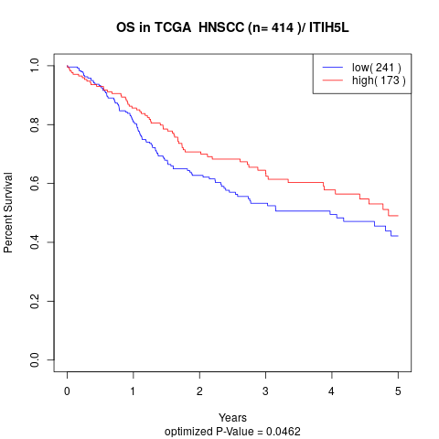

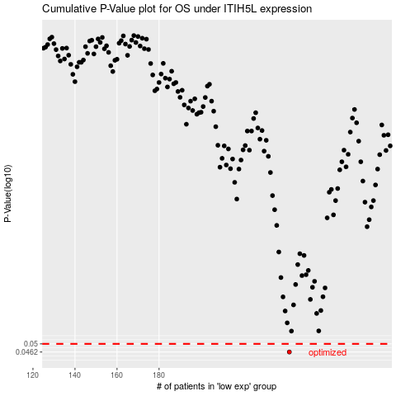

 |  |  |  |  |  | cases_OS | p_OS | rank | exp
 |  |  |  |  |  | 242 | 0.0462 | 14 | -0.24812682134
 |  |  |  |  |  |  | cases_RFS | p_RFS | rank | exp
 |  |  |  |  |  |  | 241 | 0.0462 | 204 | -0.26280080818

