ITM2B _multivariate
Reported by Tex Li-Hsing Chi. tex@gate.sinica.edu.tw 2019-08-18

Table 2. The clinicopathological features of HNSCC cohort and ITM2B expression. (Chi square test)
Cutoff at -0.268 (50.0%)
 |  | ITM2B expression |  | ITM2B expression |  | (Optimised)
 | Features | Low | (%) | High | (%) | Case no | P-value | Remark | Matthews
Gender | Female | 163 | 39.3 | 143 | 34.5 | 415 | 0.0277 | 1 | 0
2 | Male | 44 | 10.6 | 65 | 15.7
Age at diagnosis | <=65y | 139 | 33.5 | 135 | 32.5 | 415 | 0.7044 | 0 | 0
4 | >65y | 68 | 16.4 | 73 | 17.6
Clinical T Status | T1+T2 | 80 | 19.3 | 69 | 16.6 | 415 | 0.2891 | 0 | 0
6 | T3+T4 | 127 | 30.6 | 139 | 33.5
Clinical N Status | N0 | 94 | 22.7 | 122 | 29.4 | 415 | 0.0093 | 1 | 0
8 | N1-3 | 113 | 27.2 | 86 | 20.7
Clinical M Status | M0 | 205 | 49.4 | 207 | 49.9 | 415 | 0.6232 | 0 | 0
10 | M1 | 2 | 0.5 | 1 | 0.2
Clinical Stage | Stage I+II | 46 | 11.1 | 56 | 13.5 | 415 | 0.3182 | 0 | 0
12 | Stage III+IV | 161 | 38.8 | 152 | 36.6
Surgical Margin status | Negative | 157 | 37.8 | 161 | 38.8 | 415 | 0.729 | 0 | 0
14 | Positive | 50 | 12 | 47 | 11.3
Tobacco Exposure | Low | 70 | 16.9 | 91 | 21.9 | 415 | 0.0439 | 1 | 0
16 | High | 137 | 33 | 117 | 28.2

Table 3. Univariate/Multivariate Cox's proportional hazards regression analyses on OS time of ITM2B gene expression in HNSCC

 |  | Univariate |  |  |  | Multivariate
 | Features | HR | CI95%(L) | CI95%(H) | P-value | HR | CI95%(L) | CI95%(H) | P-value
1 | Female | 1 |  |  |  | 1
Gender | Male | 1.157 | 0.843 | 1.587 | 0.367 | 1.194 | 0.854 | 1.67 | 0.3
11 | <=65y | 1 |  |  |  | 1
Age at diagnosis | >65y | 1.329 | 0.99 | 1.784 | 0.058 | 1.404 | 1.031 | 1.912 | 0.031
12 | T1+T2 | 1 |  |  |  | 1
Clinical T Status | T3+T4 | 1.409 | 1.028 | 1.931 | 0.033 | 2.176 | 1.148 | 4.123 | 0.017
13 | N0 | 1 |  |  |  | 1
Clinical N Status | N1-3 | 1.185 | 0.89 | 1.577 | 0.246 | 1.251 | 0.876 | 1.788 | 0.218
14 | M0 | 1 |  |  |  | 1
Clinical M Status | M1 | 4.097 | 1.009 | 16.644 | 0.049 | 9.32 | 2.032 | 42.746 | 0.004
15 | Stage I+II | 1 |  |  |  | 1
Clinical Stage | Stage III+IV | 1.245 | 0.882 | 1.759 | 0.213 | 0.512 | 0.238 | 1.102 | 0.087
16 | Negative | 1 |  |  |  | 1
Surgical Margin status | Positive | 1.591 | 1.155 | 2.191 | 0.004 | 1.662 | 1.201 | 2.298 | 0.002
17 | Low | 1 |  |  |  | 1
Tobacco Exposure | High | 1.364 | 1.008 | 1.844 | 0.044 | 1.465 | 1.061 | 2.022 | 0.02
18 | Low | 1 |  |  |  | 1
RNAseq(z-score) | High | 1.049 | 0.787 | 1.397 | 0.745 | 1.074 | 0.798 | 1.444 | 0.637

Table 4. Univariate/Multivariate Cox's proportional hazards regression analyses on RFS time of ITM2B gene expression in HNSCC

 |  | Univariate |  |  |  | Multivariate
 | Features | HR | CI95%(L) | CI95%(H) | P-value | HR | CI95%(L) | CI95%(H) | P-value
1 | Female | 1 |  |  |  | 1
Gender | Male | 1.157 | 0.843 | 1.587 | 0.367 | 1.194 | 0.854 | 1.67 | 0.3
11 | <=65y | 1 |  |  |  | 1
Age at diagnosis | >65y | 1.329 | 0.99 | 1.784 | 0.058 | 1.404 | 1.031 | 1.912 | 0.031
12 | T1+T2 | 1 |  |  |  | 1
Clinical T Status | T3+T4 | 1.409 | 1.028 | 1.931 | 0.033 | 2.176 | 1.148 | 4.123 | 0.017
13 | N0 | 1 |  |  |  | 1
Clinical N Status | N1-3 | 1.185 | 0.89 | 1.577 | 0.246 | 1.251 | 0.876 | 1.788 | 0.218
14 | M0 | 1 |  |  |  | 1
Clinical M Status | M1 | 4.097 | 1.009 | 16.644 | 0.049 | 9.32 | 2.032 | 42.746 | 0.004
15 | Stage I+II | 1 |  |  |  | 1
Clinical Stage | Stage III+IV | 1.245 | 0.882 | 1.759 | 0.213 | 0.512 | 0.238 | 1.102 | 0.087
16 | Negative | 1 |  |  |  | 1
Surgical Margin status | Positive | 1.591 | 1.155 | 2.191 | 0.004 | 1.662 | 1.201 | 2.298 | 0.002
17 | Low | 1 |  |  |  | 1
Tobacco Exposure | High | 1.364 | 1.008 | 1.844 | 0.044 | 1.465 | 1.061 | 2.022 | 0.02
18 | Low | 1 |  |  |  | 1
RNAseq(z-score) | High | 1.049 | 0.787 | 1.397 | 0.745 | 1.074 | 0.798 | 1.444 | 0.637

Kaplan-Meier survival estimate: Cutoff at -0.268 (50.0%)



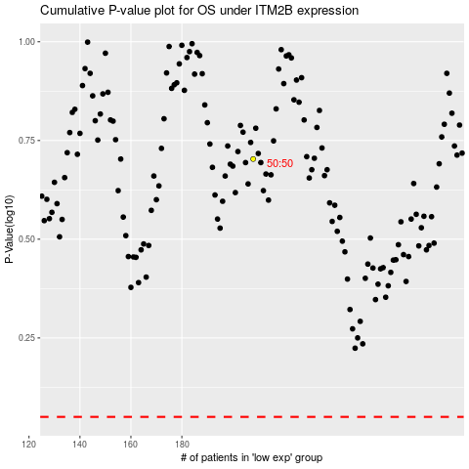

 |  |  |  |  |  | cases_OS | p_OS | rank | exp
 |  |  |  |  |  |  | cases_RFS | p_RFS | rank | exp

