ITPR2 _multivariate
Reported by Tex Li-Hsing Chi. tex@gate.sinica.edu.tw 2019-08-18

Table 2. The clinicopathological features of HNSCC cohort and ITPR2 expression. (Chi square test)
Cutoff at -0.288 (50.0%)
 |  | ITPR2 expression |  | ITPR2 expression |  | (Optimised)
 | Features | Low | (%) | High | (%) | Case no | P-value | Remark | Matthews
Gender | Female | 166 | 40 | 140 | 33.7 | 415 | 0.0041 | 1 | 0
2 | Male | 41 | 9.9 | 68 | 16.4
Age at diagnosis | <=65y | 139 | 33.5 | 135 | 32.5 | 415 | 0.7044 | 0 | 0
4 | >65y | 68 | 16.4 | 73 | 17.6
Clinical T Status | T1+T2 | 62 | 14.9 | 87 | 21 | 415 | 0.0156 | 1 | 0
6 | T3+T4 | 145 | 34.9 | 121 | 29.2
Clinical N Status | N0 | 104 | 25.1 | 112 | 27 | 415 | 0.5243 | 0 | 0
8 | N1-3 | 103 | 24.8 | 96 | 23.1
Clinical M Status | M0 | 206 | 49.6 | 206 | 49.6 | 415 | 1 | 0 | 0
10 | M1 | 1 | 0.2 | 2 | 0.5
Clinical Stage | Stage I+II | 39 | 9.4 | 63 | 15.2 | 415 | 0.0095 | 1 | 0
12 | Stage III+IV | 168 | 40.5 | 145 | 34.9
Surgical Margin status | Negative | 154 | 37.1 | 164 | 39.5 | 415 | 0.2984 | 0 | 0
14 | Positive | 53 | 12.8 | 44 | 10.6
Tobacco Exposure | Low | 66 | 15.9 | 95 | 22.9 | 415 | 0.0048 | 1 | 0
16 | High | 141 | 34 | 113 | 27.2

Table 3. Univariate/Multivariate Cox's proportional hazards regression analyses on OS time of ITPR2 gene expression in HNSCC

 |  | Univariate |  |  |  | Multivariate
 | Features | HR | CI95%(L) | CI95%(H) | P-value | HR | CI95%(L) | CI95%(H) | P-value
1 | Female | 1 |  |  |  | 1
Gender | Male | 1.157 | 0.843 | 1.587 | 0.367 | 1.206 | 0.862 | 1.687 | 0.273
11 | <=65y | 1 |  |  |  | 1
Age at diagnosis | >65y | 1.329 | 0.99 | 1.784 | 0.058 | 1.391 | 1.023 | 1.89 | 0.035
12 | T1+T2 | 1 |  |  |  | 1
Clinical T Status | T3+T4 | 1.409 | 1.028 | 1.931 | 0.033 | 2.194 | 1.16 | 4.151 | 0.016
13 | N0 | 1 |  |  |  | 1
Clinical N Status | N1-3 | 1.185 | 0.89 | 1.577 | 0.246 | 1.241 | 0.87 | 1.771 | 0.234
14 | M0 | 1 |  |  |  | 1
Clinical M Status | M1 | 4.097 | 1.009 | 16.644 | 0.049 | 9.534 | 2.074 | 43.826 | 0.004
15 | Stage I+II | 1 |  |  |  | 1
Clinical Stage | Stage III+IV | 1.245 | 0.882 | 1.759 | 0.213 | 0.501 | 0.233 | 1.077 | 0.077
16 | Negative | 1 |  |  |  | 1
Surgical Margin status | Positive | 1.591 | 1.155 | 2.191 | 0.004 | 1.669 | 1.207 | 2.306 | 0.002
17 | Low | 1 |  |  |  | 1
Tobacco Exposure | High | 1.364 | 1.008 | 1.844 | 0.044 | 1.447 | 1.049 | 1.996 | 0.024
18 | Low | 1 |  |  |  | 1
RNAseq(z-score) | High | 0.901 | 0.676 | 1.201 | 0.476 | 0.957 | 0.711 | 1.29 | 0.774

Table 4. Univariate/Multivariate Cox's proportional hazards regression analyses on RFS time of ITPR2 gene expression in HNSCC

 |  | Univariate |  |  |  | Multivariate
 | Features | HR | CI95%(L) | CI95%(H) | P-value | HR | CI95%(L) | CI95%(H) | P-value
1 | Female | 1 |  |  |  | 1
Gender | Male | 1.157 | 0.843 | 1.587 | 0.367 | 1.206 | 0.862 | 1.687 | 0.273
11 | <=65y | 1 |  |  |  | 1
Age at diagnosis | >65y | 1.329 | 0.99 | 1.784 | 0.058 | 1.391 | 1.023 | 1.89 | 0.035
12 | T1+T2 | 1 |  |  |  | 1
Clinical T Status | T3+T4 | 1.409 | 1.028 | 1.931 | 0.033 | 2.194 | 1.16 | 4.151 | 0.016
13 | N0 | 1 |  |  |  | 1
Clinical N Status | N1-3 | 1.185 | 0.89 | 1.577 | 0.246 | 1.241 | 0.87 | 1.771 | 0.234
14 | M0 | 1 |  |  |  | 1
Clinical M Status | M1 | 4.097 | 1.009 | 16.644 | 0.049 | 9.534 | 2.074 | 43.826 | 0.004
15 | Stage I+II | 1 |  |  |  | 1
Clinical Stage | Stage III+IV | 1.245 | 0.882 | 1.759 | 0.213 | 0.501 | 0.233 | 1.077 | 0.077
16 | Negative | 1 |  |  |  | 1
Surgical Margin status | Positive | 1.591 | 1.155 | 2.191 | 0.004 | 1.669 | 1.207 | 2.306 | 0.002
17 | Low | 1 |  |  |  | 1
Tobacco Exposure | High | 1.364 | 1.008 | 1.844 | 0.044 | 1.447 | 1.049 | 1.996 | 0.024
18 | Low | 1 |  |  |  | 1
RNAseq(z-score) | High | 0.901 | 0.676 | 1.201 | 0.476 | 0.957 | 0.711 | 1.29 | 0.774

Kaplan-Meier survival estimate: Cutoff at -0.288 (50.0%)



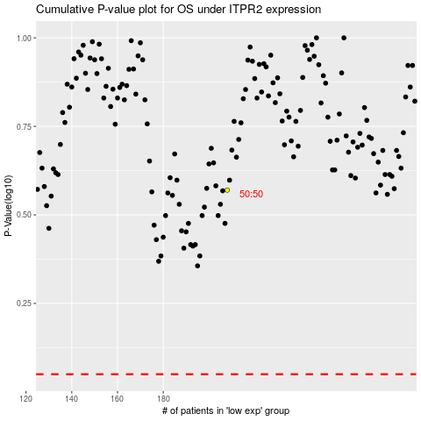

 |  |  |  |  |  | cases_OS | p_OS | rank | exp
 |  |  |  |  |  |  | cases_RFS | p_RFS | rank | exp

