ITPRIPL2 _multivariate
Reported by Tex Li-Hsing Chi. tex@gate.sinica.edu.tw 2019-08-18

Table 2. The clinicopathological features of HNSCC cohort and ITPRIPL2 expression. (Chi square test)
Cutoff at -0.058 (49.8%)
 |  | ITPRIPL2 expression |  | ITPRIPL2 expression |  | (Optimised)
 | Features | Low | (%) | High | (%) | Case no | P-value | Remark | Matthews
Gender | Female | 148 | 35.7 | 158 | 38.1 | 415 | 0.3567 | 0 | 0
2 | Male | 59 | 14.2 | 50 | 12
Age at diagnosis | <=65y | 130 | 31.3 | 144 | 34.7 | 415 | 0.2009 | 0 | 0
4 | >65y | 77 | 18.6 | 64 | 15.4
Clinical T Status | T1+T2 | 71 | 17.1 | 78 | 18.8 | 415 | 0.5638 | 0 | 0
6 | T3+T4 | 136 | 32.8 | 130 | 31.3
Clinical N Status | N0 | 105 | 25.3 | 111 | 26.7 | 415 | 0.6598 | 0 | 0
8 | N1-3 | 102 | 24.6 | 97 | 23.4
Clinical M Status | M0 | 206 | 49.6 | 206 | 49.6 | 415 | 1 | 0 | 0
10 | M1 | 1 | 0.2 | 2 | 0.5
Clinical Stage | Stage I+II | 43 | 10.4 | 59 | 14.2 | 415 | 0.0925 | 0 | 0
12 | Stage III+IV | 164 | 39.5 | 149 | 35.9
Surgical Margin status | Negative | 153 | 36.9 | 165 | 39.8 | 415 | 0.2036 | 0 | 0
14 | Positive | 54 | 13 | 43 | 10.4
Tobacco Exposure | Low | 88 | 21.2 | 73 | 17.6 | 415 | 0.1314 | 0 | 0
16 | High | 119 | 28.7 | 135 | 32.5

Table 3. Univariate/Multivariate Cox's proportional hazards regression analyses on OS time of ITPRIPL2 gene expression in HNSCC

 |  | Univariate |  |  |  | Multivariate
 | Features | HR | CI95%(L) | CI95%(H) | P-value | HR | CI95%(L) | CI95%(H) | P-value
1 | Female | 1 |  |  |  | 1
Gender | Male | 1.157 | 0.843 | 1.587 | 0.367 | 1.19 | 0.851 | 1.663 | 0.31
11 | <=65y | 1 |  |  |  | 1
Age at diagnosis | >65y | 1.329 | 0.99 | 1.784 | 0.058 | 1.384 | 1.018 | 1.882 | 0.038
12 | T1+T2 | 1 |  |  |  | 1
Clinical T Status | T3+T4 | 1.409 | 1.028 | 1.931 | 0.033 | 2.251 | 1.189 | 4.262 | 0.013
13 | N0 | 1 |  |  |  | 1
Clinical N Status | N1-3 | 1.185 | 0.89 | 1.577 | 0.246 | 1.261 | 0.883 | 1.801 | 0.202
14 | M0 | 1 |  |  |  | 1
Clinical M Status | M1 | 4.097 | 1.009 | 16.644 | 0.049 | 10.004 | 2.173 | 46.051 | 0.003
15 | Stage I+II | 1 |  |  |  | 1
Clinical Stage | Stage III+IV | 1.245 | 0.882 | 1.759 | 0.213 | 0.483 | 0.224 | 1.041 | 0.063
16 | Negative | 1 |  |  |  | 1
Surgical Margin status | Positive | 1.591 | 1.155 | 2.191 | 0.004 | 1.653 | 1.196 | 2.286 | 0.002
17 | Low | 1 |  |  |  | 1
Tobacco Exposure | High | 1.364 | 1.008 | 1.844 | 0.044 | 1.469 | 1.065 | 2.026 | 0.019
18 | Low | 1 |  |  |  | 1
RNAseq(z-score) | High | 0.868 | 0.652 | 1.157 | 0.335 | 0.852 | 0.636 | 1.141 | 0.281

Table 4. Univariate/Multivariate Cox's proportional hazards regression analyses on RFS time of ITPRIPL2 gene expression in HNSCC

 |  | Univariate |  |  |  | Multivariate
 | Features | HR | CI95%(L) | CI95%(H) | P-value | HR | CI95%(L) | CI95%(H) | P-value
1 | Female | 1 |  |  |  | 1
Gender | Male | 1.157 | 0.843 | 1.587 | 0.367 | 1.19 | 0.851 | 1.663 | 0.31
11 | <=65y | 1 |  |  |  | 1
Age at diagnosis | >65y | 1.329 | 0.99 | 1.784 | 0.058 | 1.384 | 1.018 | 1.882 | 0.038
12 | T1+T2 | 1 |  |  |  | 1
Clinical T Status | T3+T4 | 1.409 | 1.028 | 1.931 | 0.033 | 2.251 | 1.189 | 4.262 | 0.013
13 | N0 | 1 |  |  |  | 1
Clinical N Status | N1-3 | 1.185 | 0.89 | 1.577 | 0.246 | 1.261 | 0.883 | 1.801 | 0.202
14 | M0 | 1 |  |  |  | 1
Clinical M Status | M1 | 4.097 | 1.009 | 16.644 | 0.049 | 10.004 | 2.173 | 46.051 | 0.003
15 | Stage I+II | 1 |  |  |  | 1
Clinical Stage | Stage III+IV | 1.245 | 0.882 | 1.759 | 0.213 | 0.483 | 0.224 | 1.041 | 0.063
16 | Negative | 1 |  |  |  | 1
Surgical Margin status | Positive | 1.591 | 1.155 | 2.191 | 0.004 | 1.653 | 1.196 | 2.286 | 0.002
17 | Low | 1 |  |  |  | 1
Tobacco Exposure | High | 1.364 | 1.008 | 1.844 | 0.044 | 1.469 | 1.065 | 2.026 | 0.019
18 | Low | 1 |  |  |  | 1
RNAseq(z-score) | High | 0.868 | 0.652 | 1.157 | 0.335 | 0.852 | 0.636 | 1.141 | 0.281

Kaplan-Meier survival estimate: Cutoff at -0.058 (49.8%)



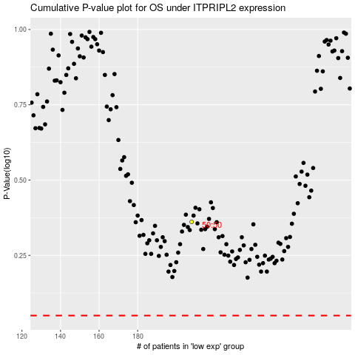

 |  |  |  |  |  | cases_OS | p_OS | rank | exp
 |  |  |  |  |  |  | cases_RFS | p_RFS | rank | exp

