ITSN1 _multivariate
Reported by Tex Li-Hsing Chi. tex@gate.sinica.edu.tw 2019-08-18

Table 2. The clinicopathological features of HNSCC cohort and ITSN1 expression. (Chi square test)
Cutoff at -0.209 (50.0%)
 |  | ITSN1 expression |  | ITSN1 expression |  | (Optimised)
 | Features | Low | (%) | High | (%) | Case no | P-value | Remark | Matthews
Gender | Female | 152 | 36.6 | 154 | 37.1 | 415 | 0.9766 | 0 | 0
2 | Male | 55 | 13.3 | 54 | 13
Age at diagnosis | <=65y | 133 | 32 | 141 | 34 | 415 | 0.5111 | 0 | 0
4 | >65y | 74 | 17.8 | 67 | 16.1
Clinical T Status | T1+T2 | 70 | 16.9 | 79 | 19 | 415 | 0.4343 | 0 | 0
6 | T3+T4 | 137 | 33 | 129 | 31.1
Clinical N Status | N0 | 110 | 26.5 | 106 | 25.5 | 415 | 0.7294 | 0 | 0
8 | N1-3 | 97 | 23.4 | 102 | 24.6
Clinical M Status | M0 | 205 | 49.4 | 207 | 49.9 | 415 | 0.6232 | 0 | 0
10 | M1 | 2 | 0.5 | 1 | 0.2
Clinical Stage | Stage I+II | 48 | 11.6 | 54 | 13 | 415 | 0.5878 | 0 | 0
12 | Stage III+IV | 159 | 38.3 | 154 | 37.1
Surgical Margin status | Negative | 152 | 36.6 | 166 | 40 | 415 | 0.1329 | 0 | 0
14 | Positive | 55 | 13.3 | 42 | 10.1
Tobacco Exposure | Low | 77 | 18.6 | 84 | 20.2 | 415 | 0.5459 | 0 | 0
16 | High | 130 | 31.3 | 124 | 29.9

Table 3. Univariate/Multivariate Cox's proportional hazards regression analyses on OS time of ITSN1 gene expression in HNSCC

 |  | Univariate |  |  |  | Multivariate
 | Features | HR | CI95%(L) | CI95%(H) | P-value | HR | CI95%(L) | CI95%(H) | P-value
1 | Female | 1 |  |  |  | 1
Gender | Male | 1.157 | 0.843 | 1.587 | 0.367 | 1.218 | 0.872 | 1.702 | 0.248
11 | <=65y | 1 |  |  |  | 1
Age at diagnosis | >65y | 1.329 | 0.99 | 1.784 | 0.058 | 1.389 | 1.022 | 1.889 | 0.036
12 | T1+T2 | 1 |  |  |  | 1
Clinical T Status | T3+T4 | 1.409 | 1.028 | 1.931 | 0.033 | 2.194 | 1.161 | 4.146 | 0.015
13 | N0 | 1 |  |  |  | 1
Clinical N Status | N1-3 | 1.185 | 0.89 | 1.577 | 0.246 | 1.225 | 0.858 | 1.748 | 0.264
14 | M0 | 1 |  |  |  | 1
Clinical M Status | M1 | 4.097 | 1.009 | 16.644 | 0.049 | 9.666 | 2.108 | 44.315 | 0.004
15 | Stage I+II | 1 |  |  |  | 1
Clinical Stage | Stage III+IV | 1.245 | 0.882 | 1.759 | 0.213 | 0.512 | 0.238 | 1.099 | 0.086
16 | Negative | 1 |  |  |  | 1
Surgical Margin status | Positive | 1.591 | 1.155 | 2.191 | 0.004 | 1.696 | 1.227 | 2.345 | 0.001
17 | Low | 1 |  |  |  | 1
Tobacco Exposure | High | 1.364 | 1.008 | 1.844 | 0.044 | 1.472 | 1.069 | 2.029 | 0.018
18 | Low | 1 |  |  |  | 1
RNAseq(z-score) | High | 1.113 | 0.833 | 1.486 | 0.469 | 1.207 | 0.901 | 1.616 | 0.207

Table 4. Univariate/Multivariate Cox's proportional hazards regression analyses on RFS time of ITSN1 gene expression in HNSCC

 |  | Univariate |  |  |  | Multivariate
 | Features | HR | CI95%(L) | CI95%(H) | P-value | HR | CI95%(L) | CI95%(H) | P-value
1 | Female | 1 |  |  |  | 1
Gender | Male | 1.157 | 0.843 | 1.587 | 0.367 | 1.218 | 0.872 | 1.702 | 0.248
11 | <=65y | 1 |  |  |  | 1
Age at diagnosis | >65y | 1.329 | 0.99 | 1.784 | 0.058 | 1.389 | 1.022 | 1.889 | 0.036
12 | T1+T2 | 1 |  |  |  | 1
Clinical T Status | T3+T4 | 1.409 | 1.028 | 1.931 | 0.033 | 2.194 | 1.161 | 4.146 | 0.015
13 | N0 | 1 |  |  |  | 1
Clinical N Status | N1-3 | 1.185 | 0.89 | 1.577 | 0.246 | 1.225 | 0.858 | 1.748 | 0.264
14 | M0 | 1 |  |  |  | 1
Clinical M Status | M1 | 4.097 | 1.009 | 16.644 | 0.049 | 9.666 | 2.108 | 44.315 | 0.004
15 | Stage I+II | 1 |  |  |  | 1
Clinical Stage | Stage III+IV | 1.245 | 0.882 | 1.759 | 0.213 | 0.512 | 0.238 | 1.099 | 0.086
16 | Negative | 1 |  |  |  | 1
Surgical Margin status | Positive | 1.591 | 1.155 | 2.191 | 0.004 | 1.696 | 1.227 | 2.345 | 0.001
17 | Low | 1 |  |  |  | 1
Tobacco Exposure | High | 1.364 | 1.008 | 1.844 | 0.044 | 1.472 | 1.069 | 2.029 | 0.018
18 | Low | 1 |  |  |  | 1
RNAseq(z-score) | High | 1.113 | 0.833 | 1.486 | 0.469 | 1.207 | 0.901 | 1.616 | 0.207

Kaplan-Meier survival estimate: Cutoff at -0.209 (50.0%)



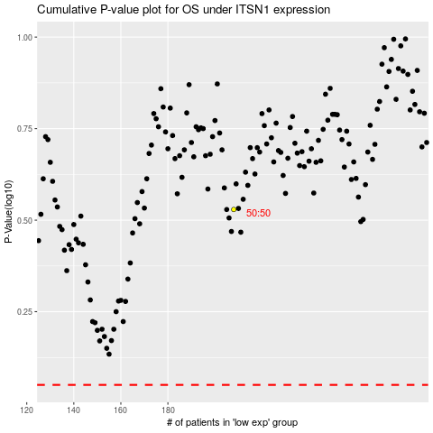

 |  |  |  |  |  | cases_OS | p_OS | rank | exp
 |  |  |  |  |  |  | cases_RFS | p_RFS | rank | exp

