IVL _multivariate
Reported by Tex Li-Hsing Chi. tex@gate.sinica.edu.tw 2019-08-18

Table 2. The clinicopathological features of HNSCC cohort and IVL expression. (Chi square test)
Cutoff at -0.04 (67.6%)
 |  | IVL expression |  | IVL expression |  | (Optimised)
 | Features | Low | (%) | High | (%) | Case no | P-value | Remark | Matthews
Gender | Female | 216 | 52 | 90 | 21.7 | 415 | 0.0313 | 1 | 0
2 | Male | 64 | 15.4 | 45 | 10.8
Age at diagnosis | <=65y | 183 | 44.1 | 91 | 21.9 | 415 | 0.7623 | 0 | 0
4 | >65y | 97 | 23.4 | 44 | 10.6
Clinical T Status | T1+T2 | 106 | 25.5 | 43 | 10.4 | 415 | 0.2777 | 0 | 0
6 | T3+T4 | 174 | 41.9 | 92 | 22.2
Clinical N Status | N0 | 137 | 33 | 79 | 19 | 415 | 0.0841 | 0 | 0
8 | N1-3 | 143 | 34.5 | 56 | 13.5
Clinical M Status | M0 | 279 | 67.2 | 133 | 32 | 415 | 0.2481 | 0 | 0
10 | M1 | 1 | 0.2 | 2 | 0.5
Clinical Stage | Stage I+II | 68 | 16.4 | 34 | 8.2 | 415 | 0.9381 | 0 | 0
12 | Stage III+IV | 212 | 51.1 | 101 | 24.3
Surgical Margin status | Negative | 209 | 50.4 | 109 | 26.3 | 415 | 0.176 | 0 | 0
14 | Positive | 71 | 17.1 | 26 | 6.3
Tobacco Exposure | Low | 96 | 23.1 | 65 | 15.7 | 415 | 0.0073 | 1 | 0
16 | High | 184 | 44.3 | 70 | 16.9

Table 3. Univariate/Multivariate Cox's proportional hazards regression analyses on OS time of IVL gene expression in HNSCC

 |  | Univariate |  |  |  | Multivariate
 | Features | HR | CI95%(L) | CI95%(H) | P-value | HR | CI95%(L) | CI95%(H) | P-value
1 | Female | 1 |  |  |  | 1
Gender | Male | 1.157 | 0.843 | 1.587 | 0.367 | 1.293 | 0.922 | 1.815 | 0.137
11 | <=65y | 1 |  |  |  | 1
Age at diagnosis | >65y | 1.329 | 0.99 | 1.784 | 0.058 | 1.35 | 0.992 | 1.837 | 0.057
12 | T1+T2 | 1 |  |  |  | 1
Clinical T Status | T3+T4 | 1.409 | 1.028 | 1.931 | 0.033 | 2.322 | 1.228 | 4.392 | 0.01
13 | N0 | 1 |  |  |  | 1
Clinical N Status | N1-3 | 1.185 | 0.89 | 1.577 | 0.246 | 1.183 | 0.827 | 1.693 | 0.357
14 | M0 | 1 |  |  |  | 1
Clinical M Status | M1 | 4.097 | 1.009 | 16.644 | 0.049 | 12.871 | 2.761 | 60.007 | 0.001
15 | Stage I+II | 1 |  |  |  | 1
Clinical Stage | Stage III+IV | 1.245 | 0.882 | 1.759 | 0.213 | 0.491 | 0.229 | 1.055 | 0.068
16 | Negative | 1 |  |  |  | 1
Surgical Margin status | Positive | 1.591 | 1.155 | 2.191 | 0.004 | 1.636 | 1.184 | 2.26 | 0.003
17 | Low | 1 |  |  |  | 1
Tobacco Exposure | High | 1.364 | 1.008 | 1.844 | 0.044 | 1.393 | 1.01 | 1.921 | 0.043
18 | Low | 1 |  |  |  | 1
RNAseq(z-score) | High | 0.625 | 0.448 | 0.871 | 0.006 | 0.62 | 0.44 | 0.874 | 0.006

Table 4. Univariate/Multivariate Cox's proportional hazards regression analyses on RFS time of IVL gene expression in HNSCC

 |  | Univariate |  |  |  | Multivariate
 | Features | HR | CI95%(L) | CI95%(H) | P-value | HR | CI95%(L) | CI95%(H) | P-value
1 | Female | 1 |  |  |  | 1
Gender | Male | 1.157 | 0.843 | 1.587 | 0.367 | 1.293 | 0.922 | 1.815 | 0.137
11 | <=65y | 1 |  |  |  | 1
Age at diagnosis | >65y | 1.329 | 0.99 | 1.784 | 0.058 | 1.35 | 0.992 | 1.837 | 0.057
12 | T1+T2 | 1 |  |  |  | 1
Clinical T Status | T3+T4 | 1.409 | 1.028 | 1.931 | 0.033 | 2.322 | 1.228 | 4.392 | 0.01
13 | N0 | 1 |  |  |  | 1
Clinical N Status | N1-3 | 1.185 | 0.89 | 1.577 | 0.246 | 1.183 | 0.827 | 1.693 | 0.357
14 | M0 | 1 |  |  |  | 1
Clinical M Status | M1 | 4.097 | 1.009 | 16.644 | 0.049 | 12.871 | 2.761 | 60.007 | 0.001
15 | Stage I+II | 1 |  |  |  | 1
Clinical Stage | Stage III+IV | 1.245 | 0.882 | 1.759 | 0.213 | 0.491 | 0.229 | 1.055 | 0.068
16 | Negative | 1 |  |  |  | 1
Surgical Margin status | Positive | 1.591 | 1.155 | 2.191 | 0.004 | 1.636 | 1.184 | 2.26 | 0.003
17 | Low | 1 |  |  |  | 1
Tobacco Exposure | High | 1.364 | 1.008 | 1.844 | 0.044 | 1.393 | 1.01 | 1.921 | 0.043
18 | Low | 1 |  |  |  | 1
RNAseq(z-score) | High | 0.625 | 0.448 | 0.871 | 0.006 | 0.62 | 0.44 | 0.874 | 0.006

Kaplan-Meier survival estimate: Cutoff at -0.04 (67.6%)

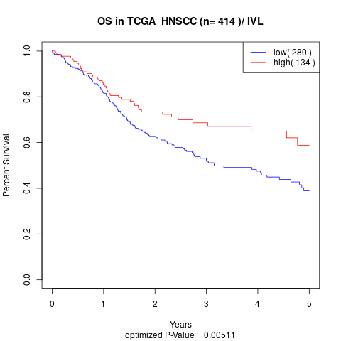

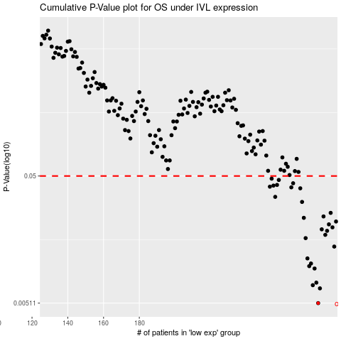

 |  |  |  |  |  | cases_OS | p_OS | rank | exp
 |  |  |  |  |  | 280 | 0.00511 | 192 | -0.039762038042
 |  |  |  |  |  | 281 | 0.00666 | 245 | -0.027707610754
 |  |  |  |  |  | 277 | 0.00705 | 397 | -0.055038124027
 |  |  |  |  |  | 279 | 0.00738 | 123 | -0.050111972296
 |  |  |  |  |  | 278 | 0.00951 | 215 | -0.053170665888
 |  |  |  |  |  | 275 | 0.00992 | 94 | -0.058945121041
 |  |  |  |  |  | 276 | 0.0104 | 355 | -0.057898724587
 |  |  |  |  |  | 274 | 0.0114 | 256 | -0.074569129601
 |  |  |  |  |  | 289 | 0.0141 | 232 | 0.022536995101
 |  |  |  |  |  | 273 | 0.0164 | 364 | -0.075353397151
 |  |  |  |  |  | 284 | 0.0174 | 313 | -0.010174310843
 |  |  |  |  |  | 285 | 0.0187 | 307 | -0.0067076463871
 |  |  |  |  |  | 282 | 0.0192 | 129 | -0.015599808107
 |  |  |  |  |  | 288 | 0.0199 | 12 | 0.013325754045
 |  |  |  |  |  | 286 | 0.021 | 174 | -0.0025664173657
 |  |  |  |  |  | 290 | 0.0221 | 5 | 0.038713797347
 |  |  |  |  |  | 272 | 0.0236 | 61 | -0.094727609068
 |  |  |  |  |  | 283 | 0.0242 | 387 | -0.014993186111
 |  |  |  |  |  | 287 | 0.0258 | 414 | 0.0061156157812
 |  |  |  |  |  | 271 | 0.0314 | 390 | -0.096968452069
 |  |  |  |  |  | 256 | 0.0344 | 152 | -0.19289345182
 |  |  |  |  |  | 270 | 0.0401 | 260 | -0.10369335906
 |  |  |  |  |  | 265 | 0.0408 | 380 | -0.156080914
 |  |  |  |  |  | 253 | 0.0413 | 341 | -0.21333591505
 |  |  |  |  |  | 255 | 0.0421 | 56 | -0.1973609265
 |  |  |  |  |  | 257 | 0.0426 | 22 | -0.1830707519
 |  |  |  |  |  | 266 | 0.0439 | 75 | -0.14411080829
 |  |  |  |  |  | 258 | 0.0466 | 300 | -0.18239861386
 |  |  |  |  |  | 254 | 0.0477 | 401 | -0.20542333959
 |  |  |  |  |  |  | cases_RFS | p_RFS | rank | exp
 |  |  |  |  |  |  | 279 | 0.00511 | 123 | -0.050111972296
 |  |  |  |  |  |  | 280 | 0.00666 | 192 | -0.039762038042
 |  |  |  |  |  |  | 276 | 0.00705 | 355 | -0.057898724587
 |  |  |  |  |  |  | 278 | 0.00738 | 215 | -0.053170665888
 |  |  |  |  |  |  | 277 | 0.00951 | 397 | -0.055038124027
 |  |  |  |  |  |  | 274 | 0.00992 | 256 | -0.074569129601
 |  |  |  |  |  |  | 275 | 0.0104 | 94 | -0.058945121041
 |  |  |  |  |  |  | 273 | 0.0114 | 364 | -0.075353397151
 |  |  |  |  |  |  | 288 | 0.0141 | 12 | 0.013325754045
 |  |  |  |  |  |  | 272 | 0.0164 | 61 | -0.094727609068
 |  |  |  |  |  |  | 283 | 0.0174 | 387 | -0.014993186111
 |  |  |  |  |  |  | 284 | 0.0187 | 313 | -0.010174310843
 |  |  |  |  |  |  | 281 | 0.0192 | 245 | -0.027707610754
 |  |  |  |  |  |  | 287 | 0.0199 | 414 | 0.0061156157812
 |  |  |  |  |  |  | 285 | 0.021 | 307 | -0.0067076463871
 |  |  |  |  |  |  | 289 | 0.0221 | 232 | 0.022536995101
 |  |  |  |  |  |  | 271 | 0.0236 | 390 | -0.096968452069
 |  |  |  |  |  |  | 282 | 0.0242 | 129 | -0.015599808107
 |  |  |  |  |  |  | 286 | 0.0258 | 174 | -0.0025664173657
 |  |  |  |  |  |  | 270 | 0.0314 | 260 | -0.10369335906
 |  |  |  |  |  |  | 255 | 0.0344 | 56 | -0.1973609265
 |  |  |  |  |  |  | 269 | 0.0401 | 62 | -0.11139503755
 |  |  |  |  |  |  | 264 | 0.0408 | 107 | -0.15877390671
 |  |  |  |  |  |  | 252 | 0.0413 | 138 | -0.2213220707
 |  |  |  |  |  |  | 254 | 0.0421 | 401 | -0.20542333959
 |  |  |  |  |  |  | 256 | 0.0426 | 152 | -0.19289345182
 |  |  |  |  |  |  | 265 | 0.0439 | 380 | -0.156080914
 |  |  |  |  |  |  | 257 | 0.0466 | 22 | -0.1830707519
 |  |  |  |  |  |  | 253 | 0.0477 | 341 | -0.21333591505

