IVNS1ABP _multivariate
Reported by Tex Li-Hsing Chi. tex@gate.sinica.edu.tw 2019-08-18

Table 2. The clinicopathological features of HNSCC cohort and IVNS1ABP expression. (Chi square test)
Cutoff at -0.17 (50.0%)
 |  | IVNS1ABP expression |  | IVNS1ABP expression |  | (Optimised)
 | Features | Low | (%) | High | (%) | Case no | P-value | Remark | Matthews
Gender | Female | 160 | 38.6 | 146 | 35.2 | 415 | 0.1254 | 0 | 0
2 | Male | 47 | 11.3 | 62 | 14.9
Age at diagnosis | <=65y | 142 | 34.2 | 132 | 31.8 | 415 | 0.3167 | 0 | 0
4 | >65y | 65 | 15.7 | 76 | 18.3
Clinical T Status | T1+T2 | 71 | 17.1 | 78 | 18.8 | 415 | 0.5638 | 0 | 0
6 | T3+T4 | 136 | 32.8 | 130 | 31.3
Clinical N Status | N0 | 108 | 26 | 108 | 26 | 415 | 1 | 0 | 0
8 | N1-3 | 99 | 23.9 | 100 | 24.1
Clinical M Status | M0 | 205 | 49.4 | 207 | 49.9 | 415 | 0.6232 | 0 | 0
10 | M1 | 2 | 0.5 | 1 | 0.2
Clinical Stage | Stage I+II | 46 | 11.1 | 56 | 13.5 | 415 | 0.3182 | 0 | 0
12 | Stage III+IV | 161 | 38.8 | 152 | 36.6
Surgical Margin status | Negative | 161 | 38.8 | 157 | 37.8 | 415 | 0.6429 | 0 | 0
14 | Positive | 46 | 11.1 | 51 | 12.3
Tobacco Exposure | Low | 76 | 18.3 | 85 | 20.5 | 415 | 0.4207 | 0 | 0
16 | High | 131 | 31.6 | 123 | 29.6

Table 3. Univariate/Multivariate Cox's proportional hazards regression analyses on OS time of IVNS1ABP gene expression in HNSCC

 |  | Univariate |  |  |  | Multivariate
 | Features | HR | CI95%(L) | CI95%(H) | P-value | HR | CI95%(L) | CI95%(H) | P-value
1 | Female | 1 |  |  |  | 1
Gender | Male | 1.157 | 0.843 | 1.587 | 0.367 | 1.186 | 0.849 | 1.658 | 0.318
11 | <=65y | 1 |  |  |  | 1
Age at diagnosis | >65y | 1.329 | 0.99 | 1.784 | 0.058 | 1.4 | 1.029 | 1.904 | 0.032
12 | T1+T2 | 1 |  |  |  | 1
Clinical T Status | T3+T4 | 1.409 | 1.028 | 1.931 | 0.033 | 2.184 | 1.155 | 4.131 | 0.016
13 | N0 | 1 |  |  |  | 1
Clinical N Status | N1-3 | 1.185 | 0.89 | 1.577 | 0.246 | 1.243 | 0.871 | 1.774 | 0.23
14 | M0 | 1 |  |  |  | 1
Clinical M Status | M1 | 4.097 | 1.009 | 16.644 | 0.049 | 9.667 | 2.107 | 44.363 | 0.004
15 | Stage I+II | 1 |  |  |  | 1
Clinical Stage | Stage III+IV | 1.245 | 0.882 | 1.759 | 0.213 | 0.513 | 0.239 | 1.101 | 0.087
16 | Negative | 1 |  |  |  | 1
Surgical Margin status | Positive | 1.591 | 1.155 | 2.191 | 0.004 | 1.651 | 1.194 | 2.283 | 0.002
17 | Low | 1 |  |  |  | 1
Tobacco Exposure | High | 1.364 | 1.008 | 1.844 | 0.044 | 1.444 | 1.048 | 1.99 | 0.024
18 | Low | 1 |  |  |  | 1
RNAseq(z-score) | High | 1.174 | 0.881 | 1.565 | 0.273 | 1.146 | 0.857 | 1.533 | 0.357

Table 4. Univariate/Multivariate Cox's proportional hazards regression analyses on RFS time of IVNS1ABP gene expression in HNSCC

 |  | Univariate |  |  |  | Multivariate
 | Features | HR | CI95%(L) | CI95%(H) | P-value | HR | CI95%(L) | CI95%(H) | P-value
1 | Female | 1 |  |  |  | 1
Gender | Male | 1.157 | 0.843 | 1.587 | 0.367 | 1.186 | 0.849 | 1.658 | 0.318
11 | <=65y | 1 |  |  |  | 1
Age at diagnosis | >65y | 1.329 | 0.99 | 1.784 | 0.058 | 1.4 | 1.029 | 1.904 | 0.032
12 | T1+T2 | 1 |  |  |  | 1
Clinical T Status | T3+T4 | 1.409 | 1.028 | 1.931 | 0.033 | 2.184 | 1.155 | 4.131 | 0.016
13 | N0 | 1 |  |  |  | 1
Clinical N Status | N1-3 | 1.185 | 0.89 | 1.577 | 0.246 | 1.243 | 0.871 | 1.774 | 0.23
14 | M0 | 1 |  |  |  | 1
Clinical M Status | M1 | 4.097 | 1.009 | 16.644 | 0.049 | 9.667 | 2.107 | 44.363 | 0.004
15 | Stage I+II | 1 |  |  |  | 1
Clinical Stage | Stage III+IV | 1.245 | 0.882 | 1.759 | 0.213 | 0.513 | 0.239 | 1.101 | 0.087
16 | Negative | 1 |  |  |  | 1
Surgical Margin status | Positive | 1.591 | 1.155 | 2.191 | 0.004 | 1.651 | 1.194 | 2.283 | 0.002
17 | Low | 1 |  |  |  | 1
Tobacco Exposure | High | 1.364 | 1.008 | 1.844 | 0.044 | 1.444 | 1.048 | 1.99 | 0.024
18 | Low | 1 |  |  |  | 1
RNAseq(z-score) | High | 1.174 | 0.881 | 1.565 | 0.273 | 1.146 | 0.857 | 1.533 | 0.357

Kaplan-Meier survival estimate: Cutoff at -0.17 (50.0%)



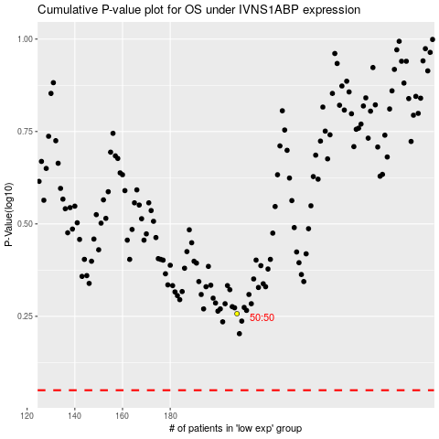

 |  |  |  |  |  | cases_OS | p_OS | rank | exp
 |  |  |  |  |  |  | cases_RFS | p_RFS | rank | exp

