IZUMO1 _multivariate
Reported by Tex Li-Hsing Chi. tex@gate.sinica.edu.tw 2019-08-18

Table 2. The clinicopathological features of HNSCC cohort and IZUMO1 expression. (Chi square test)
Cutoff at -0.336 (50.0%)
 |  | IZUMO1 expression |  | IZUMO1 expression |  | (Optimised)
 | Features | Low | (%) | High | (%) | Case no | P-value | Remark | Matthews
Gender | Female | 153 | 36.9 | 153 | 36.9 | 415 | 1 | 0 | 0
2 | Male | 54 | 13 | 55 | 13.3
Age at diagnosis | <=65y | 143 | 34.5 | 131 | 31.6 | 415 | 0.2269 | 0 | 0
4 | >65y | 64 | 15.4 | 77 | 18.6
Clinical T Status | T1+T2 | 81 | 19.5 | 68 | 16.4 | 415 | 0.206 | 0 | 0
6 | T3+T4 | 126 | 30.4 | 140 | 33.7
Clinical N Status | N0 | 103 | 24.8 | 113 | 27.2 | 415 | 0.4047 | 0 | 0
8 | N1-3 | 104 | 25.1 | 95 | 22.9
Clinical M Status | M0 | 206 | 49.6 | 206 | 49.6 | 415 | 1 | 0 | 0
10 | M1 | 1 | 0.2 | 2 | 0.5
Clinical Stage | Stage I+II | 57 | 13.7 | 45 | 10.8 | 415 | 0.1998 | 0 | 0
12 | Stage III+IV | 150 | 36.1 | 163 | 39.3
Surgical Margin status | Negative | 169 | 40.7 | 149 | 35.9 | 415 | 0.0201 | 1 | 0
14 | Positive | 38 | 9.2 | 59 | 14.2
Tobacco Exposure | Low | 82 | 19.8 | 79 | 19 | 415 | 0.763 | 0 | 0
16 | High | 125 | 30.1 | 129 | 31.1

Table 3. Univariate/Multivariate Cox's proportional hazards regression analyses on OS time of IZUMO1 gene expression in HNSCC

 |  | Univariate |  |  |  | Multivariate
 | Features | HR | CI95%(L) | CI95%(H) | P-value | HR | CI95%(L) | CI95%(H) | P-value
1 | Female | 1 |  |  |  | 1
Gender | Male | 1.157 | 0.843 | 1.587 | 0.367 | 1.202 | 0.861 | 1.678 | 0.279
11 | <=65y | 1 |  |  |  | 1
Age at diagnosis | >65y | 1.329 | 0.99 | 1.784 | 0.058 | 1.418 | 1.04 | 1.933 | 0.027
12 | T1+T2 | 1 |  |  |  | 1
Clinical T Status | T3+T4 | 1.409 | 1.028 | 1.931 | 0.033 | 2.188 | 1.157 | 4.139 | 0.016
13 | N0 | 1 |  |  |  | 1
Clinical N Status | N1-3 | 1.185 | 0.89 | 1.577 | 0.246 | 1.224 | 0.857 | 1.749 | 0.266
14 | M0 | 1 |  |  |  | 1
Clinical M Status | M1 | 4.097 | 1.009 | 16.644 | 0.049 | 9.526 | 2.078 | 43.673 | 0.004
15 | Stage I+II | 1 |  |  |  | 1
Clinical Stage | Stage III+IV | 1.245 | 0.882 | 1.759 | 0.213 | 0.514 | 0.239 | 1.105 | 0.088
16 | Negative | 1 |  |  |  | 1
Surgical Margin status | Positive | 1.591 | 1.155 | 2.191 | 0.004 | 1.699 | 1.227 | 2.353 | 0.001
17 | Low | 1 |  |  |  | 1
Tobacco Exposure | High | 1.364 | 1.008 | 1.844 | 0.044 | 1.455 | 1.056 | 2.005 | 0.022
18 | Low | 1 |  |  |  | 1
RNAseq(z-score) | High | 0.958 | 0.719 | 1.275 | 0.767 | 0.882 | 0.658 | 1.183 | 0.402

Table 4. Univariate/Multivariate Cox's proportional hazards regression analyses on RFS time of IZUMO1 gene expression in HNSCC

 |  | Univariate |  |  |  | Multivariate
 | Features | HR | CI95%(L) | CI95%(H) | P-value | HR | CI95%(L) | CI95%(H) | P-value
1 | Female | 1 |  |  |  | 1
Gender | Male | 1.157 | 0.843 | 1.587 | 0.367 | 1.202 | 0.861 | 1.678 | 0.279
11 | <=65y | 1 |  |  |  | 1
Age at diagnosis | >65y | 1.329 | 0.99 | 1.784 | 0.058 | 1.418 | 1.04 | 1.933 | 0.027
12 | T1+T2 | 1 |  |  |  | 1
Clinical T Status | T3+T4 | 1.409 | 1.028 | 1.931 | 0.033 | 2.188 | 1.157 | 4.139 | 0.016
13 | N0 | 1 |  |  |  | 1
Clinical N Status | N1-3 | 1.185 | 0.89 | 1.577 | 0.246 | 1.224 | 0.857 | 1.749 | 0.266
14 | M0 | 1 |  |  |  | 1
Clinical M Status | M1 | 4.097 | 1.009 | 16.644 | 0.049 | 9.526 | 2.078 | 43.673 | 0.004
15 | Stage I+II | 1 |  |  |  | 1
Clinical Stage | Stage III+IV | 1.245 | 0.882 | 1.759 | 0.213 | 0.514 | 0.239 | 1.105 | 0.088
16 | Negative | 1 |  |  |  | 1
Surgical Margin status | Positive | 1.591 | 1.155 | 2.191 | 0.004 | 1.699 | 1.227 | 2.353 | 0.001
17 | Low | 1 |  |  |  | 1
Tobacco Exposure | High | 1.364 | 1.008 | 1.844 | 0.044 | 1.455 | 1.056 | 2.005 | 0.022
18 | Low | 1 |  |  |  | 1
RNAseq(z-score) | High | 0.958 | 0.719 | 1.275 | 0.767 | 0.882 | 0.658 | 1.183 | 0.402

Kaplan-Meier survival estimate: Cutoff at -0.336 (50.0%)



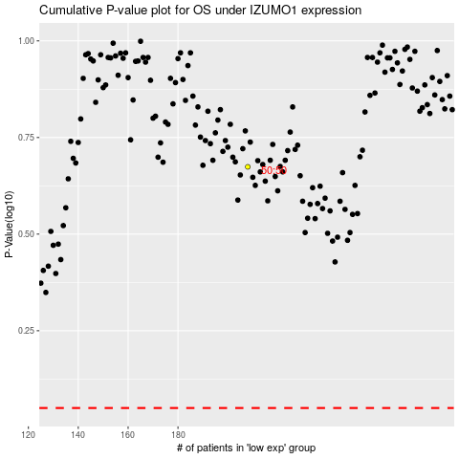

 |  |  |  |  |  | cases_OS | p_OS | rank | exp
 |  |  |  |  |  |  | cases_RFS | p_RFS | rank | exp

