JAG1 _multivariate
Reported by Tex Li-Hsing Chi. tex@gate.sinica.edu.tw 2019-08-18

Table 2. The clinicopathological features of HNSCC cohort and JAG1 expression. (Chi square test)
Cutoff at -0.439 (30.7%)
 |  | JAG1 expression |  | JAG1 expression |  | (Optimised)
 | Features | Low | (%) | High | (%) | Case no | P-value | Remark | Matthews
Gender | Female | 100 | 24.1 | 206 | 49.6 | 415 | 0.1563 | 0 | 0
2 | Male | 27 | 6.5 | 82 | 19.8
Age at diagnosis | <=65y | 85 | 20.5 | 189 | 45.5 | 415 | 0.8839 | 0 | 0
4 | >65y | 42 | 10.1 | 99 | 23.9
Clinical T Status | T1+T2 | 42 | 10.1 | 107 | 25.8 | 415 | 0.4916 | 0 | 0
6 | T3+T4 | 85 | 20.5 | 181 | 43.6
Clinical N Status | N0 | 58 | 14 | 158 | 38.1 | 415 | 0.1051 | 0 | 0
8 | N1-3 | 69 | 16.6 | 130 | 31.3
Clinical M Status | M0 | 127 | 30.6 | 285 | 68.7 | 415 | 0.5562 | 0 | 0
10 | M1 | 0 | 0 | 3 | 0.7
Clinical Stage | Stage I+II | 19 | 4.6 | 83 | 20 | 415 | 0.0038 | 1 | 0
12 | Stage III+IV | 108 | 26 | 205 | 49.4
Surgical Margin status | Negative | 90 | 21.7 | 228 | 54.9 | 415 | 0.0779 | 0 | 0
14 | Positive | 37 | 8.9 | 60 | 14.5
Tobacco Exposure | Low | 48 | 11.6 | 113 | 27.2 | 415 | 0.8273 | 0 | 0
16 | High | 79 | 19 | 175 | 42.2

Table 3. Univariate/Multivariate Cox's proportional hazards regression analyses on OS time of JAG1 gene expression in HNSCC

 |  | Univariate |  |  |  | Multivariate
 | Features | HR | CI95%(L) | CI95%(H) | P-value | HR | CI95%(L) | CI95%(H) | P-value
1 | Female | 1 |  |  |  | 1
Gender | Male | 1.157 | 0.843 | 1.587 | 0.367 | 1.168 | 0.836 | 1.631 | 0.362
11 | <=65y | 1 |  |  |  | 1
Age at diagnosis | >65y | 1.329 | 0.99 | 1.784 | 0.058 | 1.413 | 1.039 | 1.922 | 0.028
12 | T1+T2 | 1 |  |  |  | 1
Clinical T Status | T3+T4 | 1.409 | 1.028 | 1.931 | 0.033 | 2.144 | 1.133 | 4.054 | 0.019
13 | N0 | 1 |  |  |  | 1
Clinical N Status | N1-3 | 1.185 | 0.89 | 1.577 | 0.246 | 1.248 | 0.875 | 1.78 | 0.221
14 | M0 | 1 |  |  |  | 1
Clinical M Status | M1 | 4.097 | 1.009 | 16.644 | 0.049 | 7.985 | 1.735 | 36.761 | 0.008
15 | Stage I+II | 1 |  |  |  | 1
Clinical Stage | Stage III+IV | 1.245 | 0.882 | 1.759 | 0.213 | 0.552 | 0.256 | 1.19 | 0.13
16 | Negative | 1 |  |  |  | 1
Surgical Margin status | Positive | 1.591 | 1.155 | 2.191 | 0.004 | 1.74 | 1.258 | 2.407 | 0.001
17 | Low | 1 |  |  |  | 1
Tobacco Exposure | High | 1.364 | 1.008 | 1.844 | 0.044 | 1.429 | 1.037 | 1.969 | 0.029
18 | Low | 1 |  |  |  | 1
RNAseq(z-score) | High | 1.491 | 1.058 | 2.102 | 0.023 | 1.552 | 1.094 | 2.204 | 0.014

Table 4. Univariate/Multivariate Cox's proportional hazards regression analyses on RFS time of JAG1 gene expression in HNSCC

 |  | Univariate |  |  |  | Multivariate
 | Features | HR | CI95%(L) | CI95%(H) | P-value | HR | CI95%(L) | CI95%(H) | P-value
1 | Female | 1 |  |  |  | 1
Gender | Male | 1.157 | 0.843 | 1.587 | 0.367 | 1.168 | 0.836 | 1.631 | 0.362
11 | <=65y | 1 |  |  |  | 1
Age at diagnosis | >65y | 1.329 | 0.99 | 1.784 | 0.058 | 1.413 | 1.039 | 1.922 | 0.028
12 | T1+T2 | 1 |  |  |  | 1
Clinical T Status | T3+T4 | 1.409 | 1.028 | 1.931 | 0.033 | 2.144 | 1.133 | 4.054 | 0.019
13 | N0 | 1 |  |  |  | 1
Clinical N Status | N1-3 | 1.185 | 0.89 | 1.577 | 0.246 | 1.248 | 0.875 | 1.78 | 0.221
14 | M0 | 1 |  |  |  | 1
Clinical M Status | M1 | 4.097 | 1.009 | 16.644 | 0.049 | 7.985 | 1.735 | 36.761 | 0.008
15 | Stage I+II | 1 |  |  |  | 1
Clinical Stage | Stage III+IV | 1.245 | 0.882 | 1.759 | 0.213 | 0.552 | 0.256 | 1.19 | 0.13
16 | Negative | 1 |  |  |  | 1
Surgical Margin status | Positive | 1.591 | 1.155 | 2.191 | 0.004 | 1.74 | 1.258 | 2.407 | 0.001
17 | Low | 1 |  |  |  | 1
Tobacco Exposure | High | 1.364 | 1.008 | 1.844 | 0.044 | 1.429 | 1.037 | 1.969 | 0.029
18 | Low | 1 |  |  |  | 1
RNAseq(z-score) | High | 1.491 | 1.058 | 2.102 | 0.023 | 1.552 | 1.094 | 2.204 | 0.014

Kaplan-Meier survival estimate: Cutoff at -0.439 (30.7%)

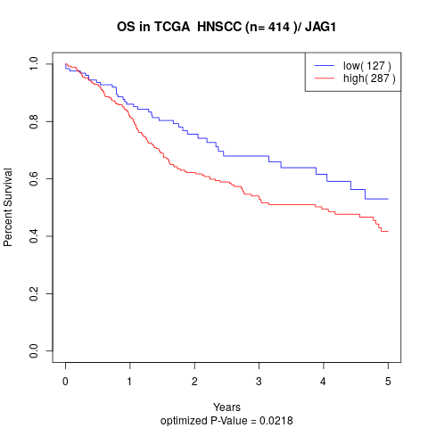

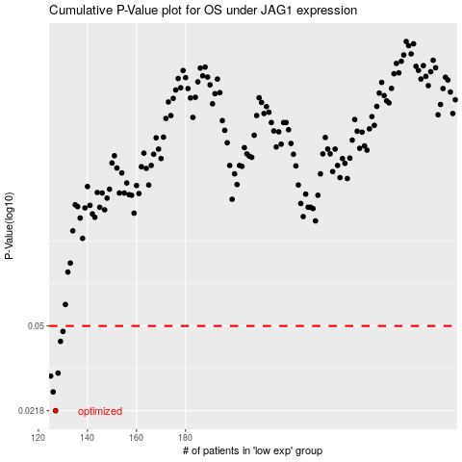

 |  |  |  |  |  | cases_OS | p_OS | rank | exp
 |  |  |  |  |  | 127 | 0.0218 | 213 | -0.43931116331
 |  |  |  |  |  | 126 | 0.0262 | 357 | -0.44623071546
 |  |  |  |  |  | 125 | 0.0306 | 341 | -0.45113780861
 |  |  |  |  |  | 128 | 0.0315 | 227 | -0.43775524148
 |  |  |  |  |  | 129 | 0.043 | 7 | -0.43261189696
 |  |  |  |  |  | 130 | 0.0474 | 373 | -0.43142468224
 |  |  |  |  |  |  | cases_RFS | p_RFS | rank | exp
 |  |  |  |  |  |  | 126 | 0.0218 | 357 | -0.44623071546
 |  |  |  |  |  |  | 125 | 0.0262 | 341 | -0.45113780861
 |  |  |  |  |  |  |  | 0.0306 | 107 | -0.45679113599
 |  |  |  |  |  |  | 127 | 0.0315 | 213 | -0.43931116331
 |  |  |  |  |  |  | 128 | 0.043 | 227 | -0.43775524148
 |  |  |  |  |  |  | 129 | 0.0474 | 7 | -0.43261189696

