JAK1 _multivariate
Reported by Tex Li-Hsing Chi. tex@gate.sinica.edu.tw 2019-08-18

Table 2. The clinicopathological features of HNSCC cohort and JAK1 expression. (Chi square test)
Cutoff at -0.06 (50.0%)
 |  | JAK1 expression |  | JAK1 expression |  | (Optimised)
 | Features | Low | (%) | High | (%) | Case no | P-value | Remark | Matthews
Gender | Female | 157 | 37.8 | 149 | 35.9 | 415 | 0.3881 | 0 | 0
2 | Male | 50 | 12 | 59 | 14.2
Age at diagnosis | <=65y | 132 | 31.8 | 142 | 34.2 | 415 | 0.3874 | 0 | 0
4 | >65y | 75 | 18.1 | 66 | 15.9
Clinical T Status | T1+T2 | 66 | 15.9 | 83 | 20 | 415 | 0.1095 | 0 | 0
6 | T3+T4 | 141 | 34 | 125 | 30.1
Clinical N Status | N0 | 105 | 25.3 | 111 | 26.7 | 415 | 0.6598 | 0 | 0
8 | N1-3 | 102 | 24.6 | 97 | 23.4
Clinical M Status | M0 | 204 | 49.2 | 208 | 50.1 | 415 | 0.1232 | 0 | 0
10 | M1 | 3 | 0.7 | 0 | 0
Clinical Stage | Stage I+II | 41 | 9.9 | 61 | 14.7 | 415 | 0.0325 | 1 | 0
12 | Stage III+IV | 166 | 40 | 147 | 35.4
Surgical Margin status | Negative | 149 | 35.9 | 169 | 40.7 | 415 | 0.0278 | 1 | 0
14 | Positive | 58 | 14 | 39 | 9.4
Tobacco Exposure | Low | 76 | 18.3 | 85 | 20.5 | 415 | 0.4207 | 0 | 0
16 | High | 131 | 31.6 | 123 | 29.6

Table 3. Univariate/Multivariate Cox's proportional hazards regression analyses on OS time of JAK1 gene expression in HNSCC

 |  | Univariate |  |  |  | Multivariate
 | Features | HR | CI95%(L) | CI95%(H) | P-value | HR | CI95%(L) | CI95%(H) | P-value
1 | Female | 1 |  |  |  | 1
Gender | Male | 1.157 | 0.843 | 1.587 | 0.367 | 1.202 | 0.86 | 1.679 | 0.282
11 | <=65y | 1 |  |  |  | 1
Age at diagnosis | >65y | 1.329 | 0.99 | 1.784 | 0.058 | 1.391 | 1.023 | 1.891 | 0.035
12 | T1+T2 | 1 |  |  |  | 1
Clinical T Status | T3+T4 | 1.409 | 1.028 | 1.931 | 0.033 | 2.202 | 1.165 | 4.164 | 0.015
13 | N0 | 1 |  |  |  | 1
Clinical N Status | N1-3 | 1.185 | 0.89 | 1.577 | 0.246 | 1.241 | 0.87 | 1.77 | 0.234
14 | M0 | 1 |  |  |  | 1
Clinical M Status | M1 | 4.097 | 1.009 | 16.644 | 0.049 | 9.367 | 2.03 | 43.211 | 0.004
15 | Stage I+II | 1 |  |  |  | 1
Clinical Stage | Stage III+IV | 1.245 | 0.882 | 1.759 | 0.213 | 0.504 | 0.235 | 1.083 | 0.079
16 | Negative | 1 |  |  |  | 1
Surgical Margin status | Positive | 1.591 | 1.155 | 2.191 | 0.004 | 1.67 | 1.207 | 2.311 | 0.002
17 | Low | 1 |  |  |  | 1
Tobacco Exposure | High | 1.364 | 1.008 | 1.844 | 0.044 | 1.452 | 1.053 | 2.002 | 0.023
18 | Low | 1 |  |  |  | 1
RNAseq(z-score) | High | 0.897 | 0.673 | 1.194 | 0.456 | 0.991 | 0.739 | 1.328 | 0.952

Table 4. Univariate/Multivariate Cox's proportional hazards regression analyses on RFS time of JAK1 gene expression in HNSCC

 |  | Univariate |  |  |  | Multivariate
 | Features | HR | CI95%(L) | CI95%(H) | P-value | HR | CI95%(L) | CI95%(H) | P-value
1 | Female | 1 |  |  |  | 1
Gender | Male | 1.157 | 0.843 | 1.587 | 0.367 | 1.202 | 0.86 | 1.679 | 0.282
11 | <=65y | 1 |  |  |  | 1
Age at diagnosis | >65y | 1.329 | 0.99 | 1.784 | 0.058 | 1.391 | 1.023 | 1.891 | 0.035
12 | T1+T2 | 1 |  |  |  | 1
Clinical T Status | T3+T4 | 1.409 | 1.028 | 1.931 | 0.033 | 2.202 | 1.165 | 4.164 | 0.015
13 | N0 | 1 |  |  |  | 1
Clinical N Status | N1-3 | 1.185 | 0.89 | 1.577 | 0.246 | 1.241 | 0.87 | 1.77 | 0.234
14 | M0 | 1 |  |  |  | 1
Clinical M Status | M1 | 4.097 | 1.009 | 16.644 | 0.049 | 9.367 | 2.03 | 43.211 | 0.004
15 | Stage I+II | 1 |  |  |  | 1
Clinical Stage | Stage III+IV | 1.245 | 0.882 | 1.759 | 0.213 | 0.504 | 0.235 | 1.083 | 0.079
16 | Negative | 1 |  |  |  | 1
Surgical Margin status | Positive | 1.591 | 1.155 | 2.191 | 0.004 | 1.67 | 1.207 | 2.311 | 0.002
17 | Low | 1 |  |  |  | 1
Tobacco Exposure | High | 1.364 | 1.008 | 1.844 | 0.044 | 1.452 | 1.053 | 2.002 | 0.023
18 | Low | 1 |  |  |  | 1
RNAseq(z-score) | High | 0.897 | 0.673 | 1.194 | 0.456 | 0.991 | 0.739 | 1.328 | 0.952

Kaplan-Meier survival estimate: Cutoff at -0.06 (50.0%)



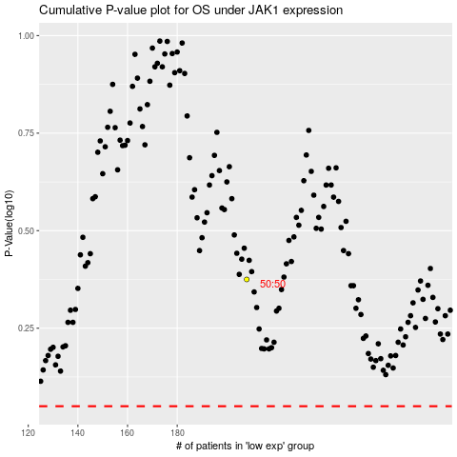

 |  |  |  |  |  | cases_OS | p_OS | rank | exp
 |  |  |  |  |  |  | cases_RFS | p_RFS | rank | exp

