JAK2 _multivariate
Reported by Tex Li-Hsing Chi. tex@gate.sinica.edu.tw 2019-08-18

Table 2. The clinicopathological features of HNSCC cohort and JAK2 expression. (Chi square test)
Cutoff at -0.348 (49.8%)
 |  | JAK2 expression |  | JAK2 expression |  | (Optimised)
 | Features | Low | (%) | High | (%) | Case no | P-value | Remark | Matthews
Gender | Female | 168 | 40.5 | 138 | 33.3 | 415 | 9e-04 | 1 | 0
2 | Male | 39 | 9.4 | 70 | 16.9
Age at diagnosis | <=65y | 149 | 35.9 | 125 | 30.1 | 415 | 0.0142 | 1 | 0
4 | >65y | 58 | 14 | 83 | 20
Clinical T Status | T1+T2 | 65 | 15.7 | 84 | 20.2 | 415 | 0.0711 | 0 | 0
6 | T3+T4 | 142 | 34.2 | 124 | 29.9
Clinical N Status | N0 | 109 | 26.3 | 107 | 25.8 | 415 | 0.8812 | 0 | 0
8 | N1-3 | 98 | 23.6 | 101 | 24.3
Clinical M Status | M0 | 205 | 49.4 | 207 | 49.9 | 415 | 0.6232 | 0 | 0
10 | M1 | 2 | 0.5 | 1 | 0.2
Clinical Stage | Stage I+II | 47 | 11.3 | 55 | 13.3 | 415 | 0.4413 | 0 | 0
12 | Stage III+IV | 160 | 38.6 | 153 | 36.9
Surgical Margin status | Negative | 162 | 39 | 156 | 37.6 | 415 | 0.4867 | 0 | 0
14 | Positive | 45 | 10.8 | 52 | 12.5
Tobacco Exposure | Low | 63 | 15.2 | 98 | 23.6 | 415 | 6e-04 | 1 | 0
16 | High | 144 | 34.7 | 110 | 26.5

Table 3. Univariate/Multivariate Cox's proportional hazards regression analyses on OS time of JAK2 gene expression in HNSCC

 |  | Univariate |  |  |  | Multivariate
 | Features | HR | CI95%(L) | CI95%(H) | P-value | HR | CI95%(L) | CI95%(H) | P-value
1 | Female | 1 |  |  |  | 1
Gender | Male | 1.157 | 0.843 | 1.587 | 0.367 | 1.192 | 0.852 | 1.666 | 0.305
11 | <=65y | 1 |  |  |  | 1
Age at diagnosis | >65y | 1.329 | 0.99 | 1.784 | 0.058 | 1.382 | 1.015 | 1.88 | 0.04
12 | T1+T2 | 1 |  |  |  | 1
Clinical T Status | T3+T4 | 1.409 | 1.028 | 1.931 | 0.033 | 2.219 | 1.173 | 4.2 | 0.014
13 | N0 | 1 |  |  |  | 1
Clinical N Status | N1-3 | 1.185 | 0.89 | 1.577 | 0.246 | 1.236 | 0.866 | 1.764 | 0.242
14 | M0 | 1 |  |  |  | 1
Clinical M Status | M1 | 4.097 | 1.009 | 16.644 | 0.049 | 9.685 | 2.105 | 44.547 | 0.004
15 | Stage I+II | 1 |  |  |  | 1
Clinical Stage | Stage III+IV | 1.245 | 0.882 | 1.759 | 0.213 | 0.505 | 0.235 | 1.083 | 0.079
16 | Negative | 1 |  |  |  | 1
Surgical Margin status | Positive | 1.591 | 1.155 | 2.191 | 0.004 | 1.661 | 1.201 | 2.297 | 0.002
17 | Low | 1 |  |  |  | 1
Tobacco Exposure | High | 1.364 | 1.008 | 1.844 | 0.044 | 1.468 | 1.064 | 2.025 | 0.02
18 | Low | 1 |  |  |  | 1
RNAseq(z-score) | High | 1.082 | 0.812 | 1.443 | 0.59 | 1.088 | 0.809 | 1.464 | 0.575

Table 4. Univariate/Multivariate Cox's proportional hazards regression analyses on RFS time of JAK2 gene expression in HNSCC

 |  | Univariate |  |  |  | Multivariate
 | Features | HR | CI95%(L) | CI95%(H) | P-value | HR | CI95%(L) | CI95%(H) | P-value
1 | Female | 1 |  |  |  | 1
Gender | Male | 1.157 | 0.843 | 1.587 | 0.367 | 1.192 | 0.852 | 1.666 | 0.305
11 | <=65y | 1 |  |  |  | 1
Age at diagnosis | >65y | 1.329 | 0.99 | 1.784 | 0.058 | 1.382 | 1.015 | 1.88 | 0.04
12 | T1+T2 | 1 |  |  |  | 1
Clinical T Status | T3+T4 | 1.409 | 1.028 | 1.931 | 0.033 | 2.219 | 1.173 | 4.2 | 0.014
13 | N0 | 1 |  |  |  | 1
Clinical N Status | N1-3 | 1.185 | 0.89 | 1.577 | 0.246 | 1.236 | 0.866 | 1.764 | 0.242
14 | M0 | 1 |  |  |  | 1
Clinical M Status | M1 | 4.097 | 1.009 | 16.644 | 0.049 | 9.685 | 2.105 | 44.547 | 0.004
15 | Stage I+II | 1 |  |  |  | 1
Clinical Stage | Stage III+IV | 1.245 | 0.882 | 1.759 | 0.213 | 0.505 | 0.235 | 1.083 | 0.079
16 | Negative | 1 |  |  |  | 1
Surgical Margin status | Positive | 1.591 | 1.155 | 2.191 | 0.004 | 1.661 | 1.201 | 2.297 | 0.002
17 | Low | 1 |  |  |  | 1
Tobacco Exposure | High | 1.364 | 1.008 | 1.844 | 0.044 | 1.468 | 1.064 | 2.025 | 0.02
18 | Low | 1 |  |  |  | 1
RNAseq(z-score) | High | 1.082 | 0.812 | 1.443 | 0.59 | 1.088 | 0.809 | 1.464 | 0.575

Kaplan-Meier survival estimate: Cutoff at -0.348 (49.8%)



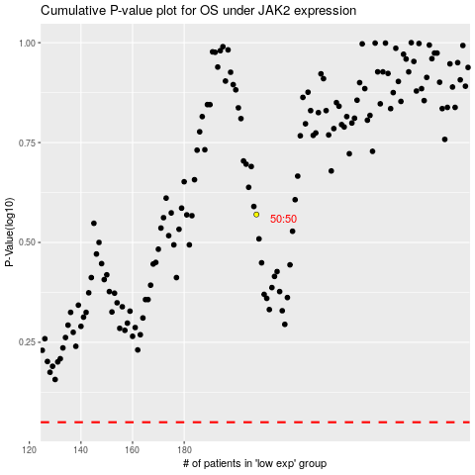

 |  |  |  |  |  | cases_OS | p_OS | rank | exp
 |  |  |  |  |  |  | cases_RFS | p_RFS | rank | exp

