JAKMIP1 _multivariate
Reported by Tex Li-Hsing Chi. tex@gate.sinica.edu.tw 2019-08-18

Table 2. The clinicopathological features of HNSCC cohort and JAKMIP1 expression. (Chi square test)
Cutoff at -0.534 (31.2%)
 |  | JAKMIP1 expression |  | JAKMIP1 expression |  | (Optimised)
 | Features | Low | (%) | High | (%) | Case no | P-value | Remark | Matthews
Gender | Female | 105 | 25.3 | 201 | 48.4 | 415 | 0.0238 | 1 | 0
2 | Male | 24 | 5.8 | 85 | 20.5
Age at diagnosis | <=65y | 90 | 21.7 | 184 | 44.3 | 415 | 0.3324 | 0 | 0
4 | >65y | 39 | 9.4 | 102 | 24.6
Clinical T Status | T1+T2 | 32 | 7.7 | 117 | 28.2 | 415 | 0.0023 | 1 | 0
6 | T3+T4 | 97 | 23.4 | 169 | 40.7
Clinical N Status | N0 | 70 | 16.9 | 146 | 35.2 | 415 | 0.6167 | 0 | 0
8 | N1-3 | 59 | 14.2 | 140 | 33.7
Clinical M Status | M0 | 129 | 31.1 | 283 | 68.2 | 415 | 0.5554 | 0 | 0
10 | M1 | 0 | 0 | 3 | 0.7
Clinical Stage | Stage I+II | 24 | 5.8 | 78 | 18.8 | 415 | 0.0759 | 0 | 0
12 | Stage III+IV | 105 | 25.3 | 208 | 50.1
Surgical Margin status | Negative | 100 | 24.1 | 218 | 52.5 | 415 | 0.8034 | 0 | 0
14 | Positive | 29 | 7 | 68 | 16.4
Tobacco Exposure | Low | 46 | 11.1 | 115 | 27.7 | 415 | 0.3866 | 0 | 0
16 | High | 83 | 20 | 171 | 41.2

Table 3. Univariate/Multivariate Cox's proportional hazards regression analyses on OS time of JAKMIP1 gene expression in HNSCC

 |  | Univariate |  |  |  | Multivariate
 | Features | HR | CI95%(L) | CI95%(H) | P-value | HR | CI95%(L) | CI95%(H) | P-value
1 | Female | 1 |  |  |  | 1
Gender | Male | 1.157 | 0.843 | 1.587 | 0.367 | 1.24 | 0.886 | 1.736 | 0.21
11 | <=65y | 1 |  |  |  | 1
Age at diagnosis | >65y | 1.329 | 0.99 | 1.784 | 0.058 | 1.424 | 1.049 | 1.933 | 0.024
12 | T1+T2 | 1 |  |  |  | 1
Clinical T Status | T3+T4 | 1.409 | 1.028 | 1.931 | 0.033 | 2.162 | 1.145 | 4.084 | 0.017
13 | N0 | 1 |  |  |  | 1
Clinical N Status | N1-3 | 1.185 | 0.89 | 1.577 | 0.246 | 1.264 | 0.886 | 1.803 | 0.196
14 | M0 | 1 |  |  |  | 1
Clinical M Status | M1 | 4.097 | 1.009 | 16.644 | 0.049 | 10.718 | 2.326 | 49.387 | 0.002
15 | Stage I+II | 1 |  |  |  | 1
Clinical Stage | Stage III+IV | 1.245 | 0.882 | 1.759 | 0.213 | 0.493 | 0.23 | 1.057 | 0.069
16 | Negative | 1 |  |  |  | 1
Surgical Margin status | Positive | 1.591 | 1.155 | 2.191 | 0.004 | 1.708 | 1.235 | 2.362 | 0.001
17 | Low | 1 |  |  |  | 1
Tobacco Exposure | High | 1.364 | 1.008 | 1.844 | 0.044 | 1.445 | 1.047 | 1.994 | 0.025
18 | Low | 1 |  |  |  | 1
RNAseq(z-score) | High | 0.725 | 0.537 | 0.979 | 0.036 | 0.684 | 0.504 | 0.929 | 0.015

Table 4. Univariate/Multivariate Cox's proportional hazards regression analyses on RFS time of JAKMIP1 gene expression in HNSCC

 |  | Univariate |  |  |  | Multivariate
 | Features | HR | CI95%(L) | CI95%(H) | P-value | HR | CI95%(L) | CI95%(H) | P-value
1 | Female | 1 |  |  |  | 1
Gender | Male | 1.157 | 0.843 | 1.587 | 0.367 | 1.24 | 0.886 | 1.736 | 0.21
11 | <=65y | 1 |  |  |  | 1
Age at diagnosis | >65y | 1.329 | 0.99 | 1.784 | 0.058 | 1.424 | 1.049 | 1.933 | 0.024
12 | T1+T2 | 1 |  |  |  | 1
Clinical T Status | T3+T4 | 1.409 | 1.028 | 1.931 | 0.033 | 2.162 | 1.145 | 4.084 | 0.017
13 | N0 | 1 |  |  |  | 1
Clinical N Status | N1-3 | 1.185 | 0.89 | 1.577 | 0.246 | 1.264 | 0.886 | 1.803 | 0.196
14 | M0 | 1 |  |  |  | 1
Clinical M Status | M1 | 4.097 | 1.009 | 16.644 | 0.049 | 10.718 | 2.326 | 49.387 | 0.002
15 | Stage I+II | 1 |  |  |  | 1
Clinical Stage | Stage III+IV | 1.245 | 0.882 | 1.759 | 0.213 | 0.493 | 0.23 | 1.057 | 0.069
16 | Negative | 1 |  |  |  | 1
Surgical Margin status | Positive | 1.591 | 1.155 | 2.191 | 0.004 | 1.708 | 1.235 | 2.362 | 0.001
17 | Low | 1 |  |  |  | 1
Tobacco Exposure | High | 1.364 | 1.008 | 1.844 | 0.044 | 1.445 | 1.047 | 1.994 | 0.025
18 | Low | 1 |  |  |  | 1
RNAseq(z-score) | High | 0.725 | 0.537 | 0.979 | 0.036 | 0.684 | 0.504 | 0.929 | 0.015

Kaplan-Meier survival estimate: Cutoff at -0.534 (31.2%)



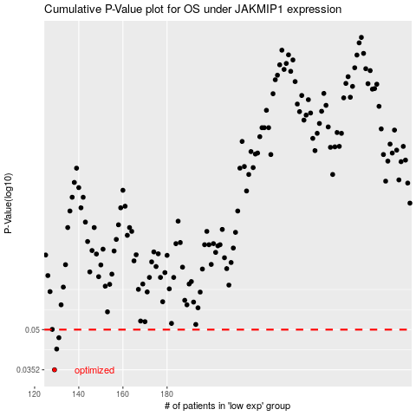

 |  |  |  |  |  | cases_OS | p_OS | rank | exp
 |  |  |  |  |  | 129 | 0.0352 | 311 | -0.53368189344
 |  |  |  |  |  | 130 | 0.0422 | 318 | -0.5332690194
 |  |  |  |  |  | 131 | 0.0466 | 406 | -0.53144931529
 |  |  |  |  |  |  | cases_RFS | p_RFS | rank | exp
 |  |  |  |  |  |  | 128 | 0.0352 | 78 | -0.53466973282
 |  |  |  |  |  |  | 129 | 0.0422 | 311 | -0.53368189344
 |  |  |  |  |  |  | 130 | 0.0466 | 318 | -0.5332690194

