JAKMIP3 _multivariate
Reported by Tex Li-Hsing Chi. tex@gate.sinica.edu.tw 2019-08-18

Table 2. The clinicopathological features of HNSCC cohort and JAKMIP3 expression. (Chi square test)
Cutoff at -0.339 (50.0%)
 |  | JAKMIP3 expression |  | JAKMIP3 expression |  | (Optimised)
 | Features | Low | (%) | High | (%) | Case no | P-value | Remark | Matthews
Gender | Female | 144 | 34.7 | 162 | 39 | 415 | 0.0697 | 0 | 0
2 | Male | 63 | 15.2 | 46 | 11.1
Age at diagnosis | <=65y | 131 | 31.6 | 143 | 34.5 | 415 | 0.2839 | 0 | 0
4 | >65y | 76 | 18.3 | 65 | 15.7
Clinical T Status | T1+T2 | 75 | 18.1 | 74 | 17.8 | 415 | 0.9707 | 0 | 0
6 | T3+T4 | 132 | 31.8 | 134 | 32.3
Clinical N Status | N0 | 102 | 24.6 | 114 | 27.5 | 415 | 0.3031 | 0 | 0
8 | N1-3 | 105 | 25.3 | 94 | 22.7
Clinical M Status | M0 | 206 | 49.6 | 206 | 49.6 | 415 | 1 | 0 | 0
10 | M1 | 1 | 0.2 | 2 | 0.5
Clinical Stage | Stage I+II | 50 | 12 | 52 | 12.5 | 415 | 0.9315 | 0 | 0
12 | Stage III+IV | 157 | 37.8 | 156 | 37.6
Surgical Margin status | Negative | 159 | 38.3 | 159 | 38.3 | 415 | 1 | 0 | 0
14 | Positive | 48 | 11.6 | 49 | 11.8
Tobacco Exposure | Low | 103 | 24.8 | 58 | 14 | 415 | 0 | 1 | 0
16 | High | 104 | 25.1 | 150 | 36.1

Table 3. Univariate/Multivariate Cox's proportional hazards regression analyses on OS time of JAKMIP3 gene expression in HNSCC

 |  | Univariate |  |  |  | Multivariate
 | Features | HR | CI95%(L) | CI95%(H) | P-value | HR | CI95%(L) | CI95%(H) | P-value
1 | Female | 1 |  |  |  | 1
Gender | Male | 1.157 | 0.843 | 1.587 | 0.367 | 1.193 | 0.854 | 1.667 | 0.301
11 | <=65y | 1 |  |  |  | 1
Age at diagnosis | >65y | 1.329 | 0.99 | 1.784 | 0.058 | 1.395 | 1.026 | 1.896 | 0.034
12 | T1+T2 | 1 |  |  |  | 1
Clinical T Status | T3+T4 | 1.409 | 1.028 | 1.931 | 0.033 | 2.212 | 1.169 | 4.187 | 0.015
13 | N0 | 1 |  |  |  | 1
Clinical N Status | N1-3 | 1.185 | 0.89 | 1.577 | 0.246 | 1.229 | 0.861 | 1.753 | 0.256
14 | M0 | 1 |  |  |  | 1
Clinical M Status | M1 | 4.097 | 1.009 | 16.644 | 0.049 | 9.628 | 2.098 | 44.172 | 0.004
15 | Stage I+II | 1 |  |  |  | 1
Clinical Stage | Stage III+IV | 1.245 | 0.882 | 1.759 | 0.213 | 0.509 | 0.237 | 1.092 | 0.083
16 | Negative | 1 |  |  |  | 1
Surgical Margin status | Positive | 1.591 | 1.155 | 2.191 | 0.004 | 1.681 | 1.216 | 2.323 | 0.002
17 | Low | 1 |  |  |  | 1
Tobacco Exposure | High | 1.364 | 1.008 | 1.844 | 0.044 | 1.494 | 1.08 | 2.068 | 0.015
18 | Low | 1 |  |  |  | 1
RNAseq(z-score) | High | 0.912 | 0.684 | 1.215 | 0.528 | 0.855 | 0.637 | 1.147 | 0.296

Table 4. Univariate/Multivariate Cox's proportional hazards regression analyses on RFS time of JAKMIP3 gene expression in HNSCC

 |  | Univariate |  |  |  | Multivariate
 | Features | HR | CI95%(L) | CI95%(H) | P-value | HR | CI95%(L) | CI95%(H) | P-value
1 | Female | 1 |  |  |  | 1
Gender | Male | 1.157 | 0.843 | 1.587 | 0.367 | 1.193 | 0.854 | 1.667 | 0.301
11 | <=65y | 1 |  |  |  | 1
Age at diagnosis | >65y | 1.329 | 0.99 | 1.784 | 0.058 | 1.395 | 1.026 | 1.896 | 0.034
12 | T1+T2 | 1 |  |  |  | 1
Clinical T Status | T3+T4 | 1.409 | 1.028 | 1.931 | 0.033 | 2.212 | 1.169 | 4.187 | 0.015
13 | N0 | 1 |  |  |  | 1
Clinical N Status | N1-3 | 1.185 | 0.89 | 1.577 | 0.246 | 1.229 | 0.861 | 1.753 | 0.256
14 | M0 | 1 |  |  |  | 1
Clinical M Status | M1 | 4.097 | 1.009 | 16.644 | 0.049 | 9.628 | 2.098 | 44.172 | 0.004
15 | Stage I+II | 1 |  |  |  | 1
Clinical Stage | Stage III+IV | 1.245 | 0.882 | 1.759 | 0.213 | 0.509 | 0.237 | 1.092 | 0.083
16 | Negative | 1 |  |  |  | 1
Surgical Margin status | Positive | 1.591 | 1.155 | 2.191 | 0.004 | 1.681 | 1.216 | 2.323 | 0.002
17 | Low | 1 |  |  |  | 1
Tobacco Exposure | High | 1.364 | 1.008 | 1.844 | 0.044 | 1.494 | 1.08 | 2.068 | 0.015
18 | Low | 1 |  |  |  | 1
RNAseq(z-score) | High | 0.912 | 0.684 | 1.215 | 0.528 | 0.855 | 0.637 | 1.147 | 0.296

Kaplan-Meier survival estimate: Cutoff at -0.339 (50.0%)



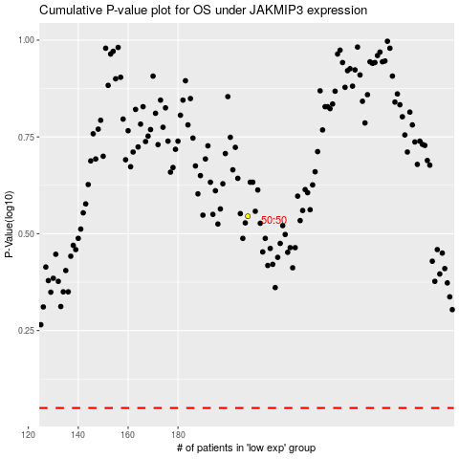

 |  |  |  |  |  | cases_OS | p_OS | rank | exp
 |  |  |  |  |  |  | cases_RFS | p_RFS | rank | exp

