JAM2 _multivariate
Reported by Tex Li-Hsing Chi. tex@gate.sinica.edu.tw 2019-08-18

Table 2. The clinicopathological features of HNSCC cohort and JAM2 expression. (Chi square test)
Cutoff at -0.455 (40.6%)
 |  | JAM2 expression |  | JAM2 expression |  | (Optimised)
 | Features | Low | (%) | High | (%) | Case no | P-value | Remark | Matthews
Gender | Female | 129 | 31.1 | 177 | 42.7 | 415 | 0.2932 | 0 | 0
2 | Male | 39 | 9.4 | 70 | 16.9
Age at diagnosis | <=65y | 110 | 26.5 | 164 | 39.5 | 415 | 0.9293 | 0 | 0
4 | >65y | 58 | 14 | 83 | 20
Clinical T Status | T1+T2 | 57 | 13.7 | 92 | 22.2 | 415 | 0.5569 | 0 | 0
6 | T3+T4 | 111 | 26.7 | 155 | 37.3
Clinical N Status | N0 | 93 | 22.4 | 123 | 29.6 | 415 | 0.3112 | 0 | 0
8 | N1-3 | 75 | 18.1 | 124 | 29.9
Clinical M Status | M0 | 165 | 39.8 | 247 | 59.5 | 415 | 0.0656 | 0 | 0
10 | M1 | 3 | 0.7 | 0 | 0
Clinical Stage | Stage I+II | 39 | 9.4 | 63 | 15.2 | 415 | 0.6773 | 0 | 0
12 | Stage III+IV | 129 | 31.1 | 184 | 44.3
Surgical Margin status | Negative | 130 | 31.3 | 188 | 45.3 | 415 | 0.8137 | 0 | 0
14 | Positive | 38 | 9.2 | 59 | 14.2
Tobacco Exposure | Low | 62 | 14.9 | 99 | 23.9 | 415 | 0.5392 | 0 | 0
16 | High | 106 | 25.5 | 148 | 35.7

Table 3. Univariate/Multivariate Cox's proportional hazards regression analyses on OS time of JAM2 gene expression in HNSCC

 |  | Univariate |  |  |  | Multivariate
 | Features | HR | CI95%(L) | CI95%(H) | P-value | HR | CI95%(L) | CI95%(H) | P-value
1 | Female | 1 |  |  |  | 1
Gender | Male | 1.157 | 0.843 | 1.587 | 0.367 | 1.219 | 0.871 | 1.706 | 0.248
11 | <=65y | 1 |  |  |  | 1
Age at diagnosis | >65y | 1.329 | 0.99 | 1.784 | 0.058 | 1.372 | 1.009 | 1.866 | 0.043
12 | T1+T2 | 1 |  |  |  | 1
Clinical T Status | T3+T4 | 1.409 | 1.028 | 1.931 | 0.033 | 2.179 | 1.152 | 4.121 | 0.017
13 | N0 | 1 |  |  |  | 1
Clinical N Status | N1-3 | 1.185 | 0.89 | 1.577 | 0.246 | 1.278 | 0.894 | 1.827 | 0.178
14 | M0 | 1 |  |  |  | 1
Clinical M Status | M1 | 4.097 | 1.009 | 16.644 | 0.049 | 7.923 | 1.712 | 36.664 | 0.008
15 | Stage I+II | 1 |  |  |  | 1
Clinical Stage | Stage III+IV | 1.245 | 0.882 | 1.759 | 0.213 | 0.492 | 0.229 | 1.055 | 0.068
16 | Negative | 1 |  |  |  | 1
Surgical Margin status | Positive | 1.591 | 1.155 | 2.191 | 0.004 | 1.697 | 1.227 | 2.346 | 0.001
17 | Low | 1 |  |  |  | 1
Tobacco Exposure | High | 1.364 | 1.008 | 1.844 | 0.044 | 1.45 | 1.052 | 2.001 | 0.023
18 | Low | 1 |  |  |  | 1
RNAseq(z-score) | High | 0.745 | 0.558 | 0.996 | 0.047 | 0.755 | 0.562 | 1.014 | 0.061

Table 4. Univariate/Multivariate Cox's proportional hazards regression analyses on RFS time of JAM2 gene expression in HNSCC

 |  | Univariate |  |  |  | Multivariate
 | Features | HR | CI95%(L) | CI95%(H) | P-value | HR | CI95%(L) | CI95%(H) | P-value
1 | Female | 1 |  |  |  | 1
Gender | Male | 1.157 | 0.843 | 1.587 | 0.367 | 1.219 | 0.871 | 1.706 | 0.248
11 | <=65y | 1 |  |  |  | 1
Age at diagnosis | >65y | 1.329 | 0.99 | 1.784 | 0.058 | 1.372 | 1.009 | 1.866 | 0.043
12 | T1+T2 | 1 |  |  |  | 1
Clinical T Status | T3+T4 | 1.409 | 1.028 | 1.931 | 0.033 | 2.179 | 1.152 | 4.121 | 0.017
13 | N0 | 1 |  |  |  | 1
Clinical N Status | N1-3 | 1.185 | 0.89 | 1.577 | 0.246 | 1.278 | 0.894 | 1.827 | 0.178
14 | M0 | 1 |  |  |  | 1
Clinical M Status | M1 | 4.097 | 1.009 | 16.644 | 0.049 | 7.923 | 1.712 | 36.664 | 0.008
15 | Stage I+II | 1 |  |  |  | 1
Clinical Stage | Stage III+IV | 1.245 | 0.882 | 1.759 | 0.213 | 0.492 | 0.229 | 1.055 | 0.068
16 | Negative | 1 |  |  |  | 1
Surgical Margin status | Positive | 1.591 | 1.155 | 2.191 | 0.004 | 1.697 | 1.227 | 2.346 | 0.001
17 | Low | 1 |  |  |  | 1
Tobacco Exposure | High | 1.364 | 1.008 | 1.844 | 0.044 | 1.45 | 1.052 | 2.001 | 0.023
18 | Low | 1 |  |  |  | 1
RNAseq(z-score) | High | 0.745 | 0.558 | 0.996 | 0.047 | 0.755 | 0.562 | 1.014 | 0.061

Kaplan-Meier survival estimate: Cutoff at -0.455 (40.6%)



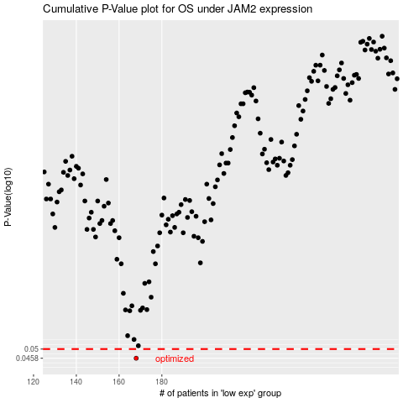

 |  |  |  |  |  | cases_OS | p_OS | rank | exp
 |  |  |  |  |  | 168 | 0.0458 | 386 | -0.45528157779
 |  |  |  |  |  |  | cases_RFS | p_RFS | rank | exp
 |  |  |  |  |  |  | 167 | 0.0458 | 371 | -0.45601578193

