JARID2 _multivariate
Reported by Tex Li-Hsing Chi. tex@gate.sinica.edu.tw 2019-08-18

Table 2. The clinicopathological features of HNSCC cohort and JARID2 expression. (Chi square test)
Cutoff at -0.044 (50.0%)
 |  | JARID2 expression |  | JARID2 expression |  | (Optimised)
 | Features | Low | (%) | High | (%) | Case no | P-value | Remark | Matthews
Gender | Female | 155 | 37.3 | 151 | 36.4 | 415 | 0.6768 | 0 | 0
2 | Male | 52 | 12.5 | 57 | 13.7
Age at diagnosis | <=65y | 137 | 33 | 137 | 33 | 415 | 1 | 0 | 0
4 | >65y | 70 | 16.9 | 71 | 17.1
Clinical T Status | T1+T2 | 76 | 18.3 | 73 | 17.6 | 415 | 0.8092 | 0 | 0
6 | T3+T4 | 131 | 31.6 | 135 | 32.5
Clinical N Status | N0 | 101 | 24.3 | 115 | 27.7 | 415 | 0.2201 | 0 | 0
8 | N1-3 | 106 | 25.5 | 93 | 22.4
Clinical M Status | M0 | 205 | 49.4 | 207 | 49.9 | 415 | 0.6232 | 0 | 0
10 | M1 | 2 | 0.5 | 1 | 0.2
Clinical Stage | Stage I+II | 49 | 11.8 | 53 | 12.8 | 415 | 0.7535 | 0 | 0
12 | Stage III+IV | 158 | 38.1 | 155 | 37.3
Surgical Margin status | Negative | 151 | 36.4 | 167 | 40.2 | 415 | 0.0828 | 0 | 0
14 | Positive | 56 | 13.5 | 41 | 9.9
Tobacco Exposure | Low | 74 | 17.8 | 87 | 21 | 415 | 0.227 | 0 | 0
16 | High | 133 | 32 | 121 | 29.2

Table 3. Univariate/Multivariate Cox's proportional hazards regression analyses on OS time of JARID2 gene expression in HNSCC

 |  | Univariate |  |  |  | Multivariate
 | Features | HR | CI95%(L) | CI95%(H) | P-value | HR | CI95%(L) | CI95%(H) | P-value
1 | Female | 1 |  |  |  | 1
Gender | Male | 1.157 | 0.843 | 1.587 | 0.367 | 1.196 | 0.856 | 1.671 | 0.295
11 | <=65y | 1 |  |  |  | 1
Age at diagnosis | >65y | 1.329 | 0.99 | 1.784 | 0.058 | 1.387 | 1.021 | 1.885 | 0.037
12 | T1+T2 | 1 |  |  |  | 1
Clinical T Status | T3+T4 | 1.409 | 1.028 | 1.931 | 0.033 | 2.2 | 1.164 | 4.159 | 0.015
13 | N0 | 1 |  |  |  | 1
Clinical N Status | N1-3 | 1.185 | 0.89 | 1.577 | 0.246 | 1.222 | 0.855 | 1.747 | 0.271
14 | M0 | 1 |  |  |  | 1
Clinical M Status | M1 | 4.097 | 1.009 | 16.644 | 0.049 | 9.288 | 2.025 | 42.591 | 0.004
15 | Stage I+II | 1 |  |  |  | 1
Clinical Stage | Stage III+IV | 1.245 | 0.882 | 1.759 | 0.213 | 0.507 | 0.236 | 1.088 | 0.081
16 | Negative | 1 |  |  |  | 1
Surgical Margin status | Positive | 1.591 | 1.155 | 2.191 | 0.004 | 1.645 | 1.188 | 2.278 | 0.003
17 | Low | 1 |  |  |  | 1
Tobacco Exposure | High | 1.364 | 1.008 | 1.844 | 0.044 | 1.439 | 1.044 | 1.983 | 0.026
18 | Low | 1 |  |  |  | 1
RNAseq(z-score) | High | 0.808 | 0.606 | 1.076 | 0.145 | 0.889 | 0.664 | 1.19 | 0.429

Table 4. Univariate/Multivariate Cox's proportional hazards regression analyses on RFS time of JARID2 gene expression in HNSCC

 |  | Univariate |  |  |  | Multivariate
 | Features | HR | CI95%(L) | CI95%(H) | P-value | HR | CI95%(L) | CI95%(H) | P-value
1 | Female | 1 |  |  |  | 1
Gender | Male | 1.157 | 0.843 | 1.587 | 0.367 | 1.196 | 0.856 | 1.671 | 0.295
11 | <=65y | 1 |  |  |  | 1
Age at diagnosis | >65y | 1.329 | 0.99 | 1.784 | 0.058 | 1.387 | 1.021 | 1.885 | 0.037
12 | T1+T2 | 1 |  |  |  | 1
Clinical T Status | T3+T4 | 1.409 | 1.028 | 1.931 | 0.033 | 2.2 | 1.164 | 4.159 | 0.015
13 | N0 | 1 |  |  |  | 1
Clinical N Status | N1-3 | 1.185 | 0.89 | 1.577 | 0.246 | 1.222 | 0.855 | 1.747 | 0.271
14 | M0 | 1 |  |  |  | 1
Clinical M Status | M1 | 4.097 | 1.009 | 16.644 | 0.049 | 9.288 | 2.025 | 42.591 | 0.004
15 | Stage I+II | 1 |  |  |  | 1
Clinical Stage | Stage III+IV | 1.245 | 0.882 | 1.759 | 0.213 | 0.507 | 0.236 | 1.088 | 0.081
16 | Negative | 1 |  |  |  | 1
Surgical Margin status | Positive | 1.591 | 1.155 | 2.191 | 0.004 | 1.645 | 1.188 | 2.278 | 0.003
17 | Low | 1 |  |  |  | 1
Tobacco Exposure | High | 1.364 | 1.008 | 1.844 | 0.044 | 1.439 | 1.044 | 1.983 | 0.026
18 | Low | 1 |  |  |  | 1
RNAseq(z-score) | High | 0.808 | 0.606 | 1.076 | 0.145 | 0.889 | 0.664 | 1.19 | 0.429

Kaplan-Meier survival estimate: Cutoff at -0.044 (50.0%)



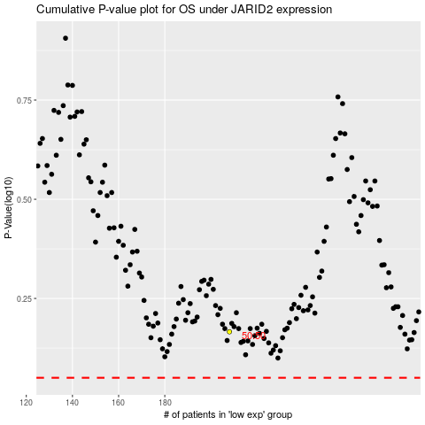

 |  |  |  |  |  | cases_OS | p_OS | rank | exp
 |  |  |  |  |  |  | cases_RFS | p_RFS | rank | exp

