JHDM1D _multivariate
Reported by Tex Li-Hsing Chi. tex@gate.sinica.edu.tw 2019-08-18

Table 2. The clinicopathological features of HNSCC cohort and JHDM1D expression. (Chi square test)
Cutoff at -0.184 (50.0%)
 |  | JHDM1D expression |  | JHDM1D expression |  | (Optimised)
 | Features | Low | (%) | High | (%) | Case no | P-value | Remark | Matthews
Gender | Female | 155 | 37.3 | 151 | 36.4 | 415 | 0.6768 | 0 | 0
2 | Male | 52 | 12.5 | 57 | 13.7
Age at diagnosis | <=65y | 135 | 32.5 | 139 | 33.5 | 415 | 0.8084 | 0 | 0
4 | >65y | 72 | 17.3 | 69 | 16.6
Clinical T Status | T1+T2 | 81 | 19.5 | 68 | 16.4 | 415 | 0.206 | 0 | 0
6 | T3+T4 | 126 | 30.4 | 140 | 33.7
Clinical N Status | N0 | 109 | 26.3 | 107 | 25.8 | 415 | 0.8812 | 0 | 0
8 | N1-3 | 98 | 23.6 | 101 | 24.3
Clinical M Status | M0 | 206 | 49.6 | 206 | 49.6 | 415 | 1 | 0 | 0
10 | M1 | 1 | 0.2 | 2 | 0.5
Clinical Stage | Stage I+II | 54 | 13 | 48 | 11.6 | 415 | 0.5498 | 0 | 0
12 | Stage III+IV | 153 | 36.9 | 160 | 38.6
Surgical Margin status | Negative | 158 | 38.1 | 160 | 38.6 | 415 | 0.9081 | 0 | 0
14 | Positive | 49 | 11.8 | 48 | 11.6
Tobacco Exposure | Low | 81 | 19.5 | 80 | 19.3 | 415 | 0.9199 | 0 | 0
16 | High | 126 | 30.4 | 128 | 30.8

Table 3. Univariate/Multivariate Cox's proportional hazards regression analyses on OS time of JHDM1D gene expression in HNSCC

 |  | Univariate |  |  |  | Multivariate
 | Features | HR | CI95%(L) | CI95%(H) | P-value | HR | CI95%(L) | CI95%(H) | P-value
1 | Female | 1 |  |  |  | 1
Gender | Male | 1.157 | 0.843 | 1.587 | 0.367 | 1.219 | 0.872 | 1.703 | 0.247
11 | <=65y | 1 |  |  |  | 1
Age at diagnosis | >65y | 1.329 | 0.99 | 1.784 | 0.058 | 1.39 | 1.023 | 1.889 | 0.035
12 | T1+T2 | 1 |  |  |  | 1
Clinical T Status | T3+T4 | 1.409 | 1.028 | 1.931 | 0.033 | 2.214 | 1.171 | 4.185 | 0.014
13 | N0 | 1 |  |  |  | 1
Clinical N Status | N1-3 | 1.185 | 0.89 | 1.577 | 0.246 | 1.256 | 0.879 | 1.793 | 0.21
14 | M0 | 1 |  |  |  | 1
Clinical M Status | M1 | 4.097 | 1.009 | 16.644 | 0.049 | 9.359 | 2.041 | 42.913 | 0.004
15 | Stage I+II | 1 |  |  |  | 1
Clinical Stage | Stage III+IV | 1.245 | 0.882 | 1.759 | 0.213 | 0.498 | 0.232 | 1.07 | 0.074
16 | Negative | 1 |  |  |  | 1
Surgical Margin status | Positive | 1.591 | 1.155 | 2.191 | 0.004 | 1.7 | 1.227 | 2.354 | 0.001
17 | Low | 1 |  |  |  | 1
Tobacco Exposure | High | 1.364 | 1.008 | 1.844 | 0.044 | 1.464 | 1.062 | 2.018 | 0.02
18 | Low | 1 |  |  |  | 1
RNAseq(z-score) | High | 1.062 | 0.797 | 1.415 | 0.681 | 1.142 | 0.853 | 1.53 | 0.371

Table 4. Univariate/Multivariate Cox's proportional hazards regression analyses on RFS time of JHDM1D gene expression in HNSCC

 |  | Univariate |  |  |  | Multivariate
 | Features | HR | CI95%(L) | CI95%(H) | P-value | HR | CI95%(L) | CI95%(H) | P-value
1 | Female | 1 |  |  |  | 1
Gender | Male | 1.157 | 0.843 | 1.587 | 0.367 | 1.219 | 0.872 | 1.703 | 0.247
11 | <=65y | 1 |  |  |  | 1
Age at diagnosis | >65y | 1.329 | 0.99 | 1.784 | 0.058 | 1.39 | 1.023 | 1.889 | 0.035
12 | T1+T2 | 1 |  |  |  | 1
Clinical T Status | T3+T4 | 1.409 | 1.028 | 1.931 | 0.033 | 2.214 | 1.171 | 4.185 | 0.014
13 | N0 | 1 |  |  |  | 1
Clinical N Status | N1-3 | 1.185 | 0.89 | 1.577 | 0.246 | 1.256 | 0.879 | 1.793 | 0.21
14 | M0 | 1 |  |  |  | 1
Clinical M Status | M1 | 4.097 | 1.009 | 16.644 | 0.049 | 9.359 | 2.041 | 42.913 | 0.004
15 | Stage I+II | 1 |  |  |  | 1
Clinical Stage | Stage III+IV | 1.245 | 0.882 | 1.759 | 0.213 | 0.498 | 0.232 | 1.07 | 0.074
16 | Negative | 1 |  |  |  | 1
Surgical Margin status | Positive | 1.591 | 1.155 | 2.191 | 0.004 | 1.7 | 1.227 | 2.354 | 0.001
17 | Low | 1 |  |  |  | 1
Tobacco Exposure | High | 1.364 | 1.008 | 1.844 | 0.044 | 1.464 | 1.062 | 2.018 | 0.02
18 | Low | 1 |  |  |  | 1
RNAseq(z-score) | High | 1.062 | 0.797 | 1.415 | 0.681 | 1.142 | 0.853 | 1.53 | 0.371

Kaplan-Meier survival estimate: Cutoff at -0.184 (50.0%)



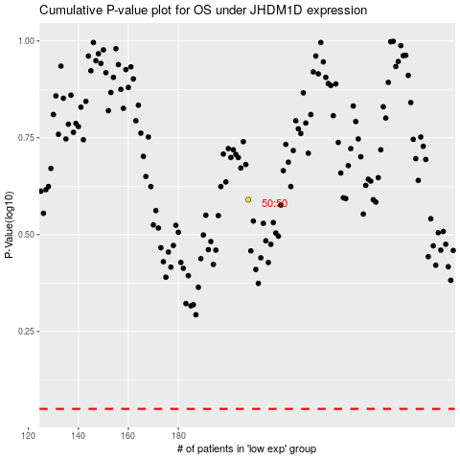

 |  |  |  |  |  | cases_OS | p_OS | rank | exp
 |  |  |  |  |  |  | cases_RFS | p_RFS | rank | exp

