JMJD1C _multivariate
Reported by Tex Li-Hsing Chi. tex@gate.sinica.edu.tw 2019-08-18

Table 2. The clinicopathological features of HNSCC cohort and JMJD1C expression. (Chi square test)
Cutoff at -0.039 (50.0%)
 |  | JMJD1C expression |  | JMJD1C expression |  | (Optimised)
 | Features | Low | (%) | High | (%) | Case no | P-value | Remark | Matthews
Gender | Female | 155 | 37.3 | 151 | 36.4 | 415 | 0.6768 | 0 | 0
2 | Male | 52 | 12.5 | 57 | 13.7
Age at diagnosis | <=65y | 134 | 32.3 | 140 | 33.7 | 415 | 0.6529 | 0 | 0
4 | >65y | 73 | 17.6 | 68 | 16.4
Clinical T Status | T1+T2 | 84 | 20.2 | 65 | 15.7 | 415 | 0.0603 | 0 | 0
6 | T3+T4 | 123 | 29.6 | 143 | 34.5
Clinical N Status | N0 | 120 | 28.9 | 96 | 23.1 | 415 | 0.0208 | 1 | 0
8 | N1-3 | 87 | 21 | 112 | 27
Clinical M Status | M0 | 204 | 49.2 | 208 | 50.1 | 415 | 0.1232 | 0 | 0
10 | M1 | 3 | 0.7 | 0 | 0
Clinical Stage | Stage I+II | 59 | 14.2 | 43 | 10.4 | 415 | 0.0822 | 0 | 0
12 | Stage III+IV | 148 | 35.7 | 165 | 39.8
Surgical Margin status | Negative | 156 | 37.6 | 162 | 39 | 415 | 0.5636 | 0 | 0
14 | Positive | 51 | 12.3 | 46 | 11.1
Tobacco Exposure | Low | 78 | 18.8 | 83 | 20 | 415 | 0.6873 | 0 | 0
16 | High | 129 | 31.1 | 125 | 30.1

Table 3. Univariate/Multivariate Cox's proportional hazards regression analyses on OS time of JMJD1C gene expression in HNSCC

 |  | Univariate |  |  |  | Multivariate
 | Features | HR | CI95%(L) | CI95%(H) | P-value | HR | CI95%(L) | CI95%(H) | P-value
1 | Female | 1 |  |  |  | 1
Gender | Male | 1.157 | 0.843 | 1.587 | 0.367 | 1.201 | 0.86 | 1.677 | 0.283
11 | <=65y | 1 |  |  |  | 1
Age at diagnosis | >65y | 1.329 | 0.99 | 1.784 | 0.058 | 1.392 | 1.024 | 1.892 | 0.035
12 | T1+T2 | 1 |  |  |  | 1
Clinical T Status | T3+T4 | 1.409 | 1.028 | 1.931 | 0.033 | 2.197 | 1.162 | 4.154 | 0.015
13 | N0 | 1 |  |  |  | 1
Clinical N Status | N1-3 | 1.185 | 0.89 | 1.577 | 0.246 | 1.239 | 0.868 | 1.768 | 0.237
14 | M0 | 1 |  |  |  | 1
Clinical M Status | M1 | 4.097 | 1.009 | 16.644 | 0.049 | 9.64 | 2.087 | 44.521 | 0.004
15 | Stage I+II | 1 |  |  |  | 1
Clinical Stage | Stage III+IV | 1.245 | 0.882 | 1.759 | 0.213 | 0.504 | 0.235 | 1.081 | 0.078
16 | Negative | 1 |  |  |  | 1
Surgical Margin status | Positive | 1.591 | 1.155 | 2.191 | 0.004 | 1.675 | 1.212 | 2.316 | 0.002
17 | Low | 1 |  |  |  | 1
Tobacco Exposure | High | 1.364 | 1.008 | 1.844 | 0.044 | 1.462 | 1.059 | 2.02 | 0.021
18 | Low | 1 |  |  |  | 1
RNAseq(z-score) | High | 1.003 | 0.753 | 1.337 | 0.983 | 1.049 | 0.782 | 1.407 | 0.749

Table 4. Univariate/Multivariate Cox's proportional hazards regression analyses on RFS time of JMJD1C gene expression in HNSCC

 |  | Univariate |  |  |  | Multivariate
 | Features | HR | CI95%(L) | CI95%(H) | P-value | HR | CI95%(L) | CI95%(H) | P-value
1 | Female | 1 |  |  |  | 1
Gender | Male | 1.157 | 0.843 | 1.587 | 0.367 | 1.201 | 0.86 | 1.677 | 0.283
11 | <=65y | 1 |  |  |  | 1
Age at diagnosis | >65y | 1.329 | 0.99 | 1.784 | 0.058 | 1.392 | 1.024 | 1.892 | 0.035
12 | T1+T2 | 1 |  |  |  | 1
Clinical T Status | T3+T4 | 1.409 | 1.028 | 1.931 | 0.033 | 2.197 | 1.162 | 4.154 | 0.015
13 | N0 | 1 |  |  |  | 1
Clinical N Status | N1-3 | 1.185 | 0.89 | 1.577 | 0.246 | 1.239 | 0.868 | 1.768 | 0.237
14 | M0 | 1 |  |  |  | 1
Clinical M Status | M1 | 4.097 | 1.009 | 16.644 | 0.049 | 9.64 | 2.087 | 44.521 | 0.004
15 | Stage I+II | 1 |  |  |  | 1
Clinical Stage | Stage III+IV | 1.245 | 0.882 | 1.759 | 0.213 | 0.504 | 0.235 | 1.081 | 0.078
16 | Negative | 1 |  |  |  | 1
Surgical Margin status | Positive | 1.591 | 1.155 | 2.191 | 0.004 | 1.675 | 1.212 | 2.316 | 0.002
17 | Low | 1 |  |  |  | 1
Tobacco Exposure | High | 1.364 | 1.008 | 1.844 | 0.044 | 1.462 | 1.059 | 2.02 | 0.021
18 | Low | 1 |  |  |  | 1
RNAseq(z-score) | High | 1.003 | 0.753 | 1.337 | 0.983 | 1.049 | 0.782 | 1.407 | 0.749

Kaplan-Meier survival estimate: Cutoff at -0.039 (50.0%)



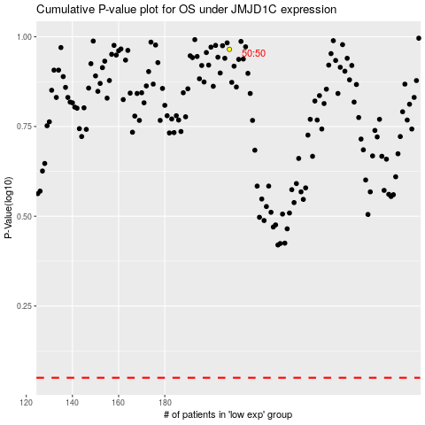

 |  |  |  |  |  | cases_OS | p_OS | rank | exp
 |  |  |  |  |  |  | cases_RFS | p_RFS | rank | exp

