JMJD5 _multivariate
Reported by Tex Li-Hsing Chi. tex@gate.sinica.edu.tw 2019-08-18

Table 2. The clinicopathological features of HNSCC cohort and JMJD5 expression. (Chi square test)
Cutoff at -0.262 (46.6%)
 |  | JMJD5 expression |  | JMJD5 expression |  | (Optimised)
 | Features | Low | (%) | High | (%) | Case no | P-value | Remark | Matthews
Gender | Female | 145 | 34.9 | 161 | 38.8 | 415 | 0.7451 | 0 | 0
2 | Male | 49 | 11.8 | 60 | 14.5
Age at diagnosis | <=65y | 129 | 31.1 | 145 | 34.9 | 415 | 0.9316 | 0 | 0
4 | >65y | 65 | 15.7 | 76 | 18.3
Clinical T Status | T1+T2 | 61 | 14.7 | 88 | 21.2 | 415 | 0.0945 | 0 | 0
6 | T3+T4 | 133 | 32 | 133 | 32
Clinical N Status | N0 | 97 | 23.4 | 119 | 28.7 | 415 | 0.4939 | 0 | 0
8 | N1-3 | 97 | 23.4 | 102 | 24.6
Clinical M Status | M0 | 193 | 46.5 | 219 | 52.8 | 415 | 1 | 0 | 0
10 | M1 | 1 | 0.2 | 2 | 0.5
Clinical Stage | Stage I+II | 45 | 10.8 | 57 | 13.7 | 415 | 0.6181 | 0 | 0
12 | Stage III+IV | 149 | 35.9 | 164 | 39.5
Surgical Margin status | Negative | 145 | 34.9 | 173 | 41.7 | 415 | 0.4173 | 0 | 0
14 | Positive | 49 | 11.8 | 48 | 11.6
Tobacco Exposure | Low | 66 | 15.9 | 95 | 22.9 | 415 | 0.0694 | 0 | 0
16 | High | 128 | 30.8 | 126 | 30.4

Table 3. Univariate/Multivariate Cox's proportional hazards regression analyses on OS time of JMJD5 gene expression in HNSCC

 |  | Univariate |  |  |  | Multivariate
 | Features | HR | CI95%(L) | CI95%(H) | P-value | HR | CI95%(L) | CI95%(H) | P-value
1 | Female | 1 |  |  |  | 1
Gender | Male | 1.157 | 0.843 | 1.587 | 0.367 | 1.211 | 0.867 | 1.692 | 0.262
11 | <=65y | 1 |  |  |  | 1
Age at diagnosis | >65y | 1.329 | 0.99 | 1.784 | 0.058 | 1.423 | 1.045 | 1.938 | 0.025
12 | T1+T2 | 1 |  |  |  | 1
Clinical T Status | T3+T4 | 1.409 | 1.028 | 1.931 | 0.033 | 2.142 | 1.133 | 4.047 | 0.019
13 | N0 | 1 |  |  |  | 1
Clinical N Status | N1-3 | 1.185 | 0.89 | 1.577 | 0.246 | 1.244 | 0.872 | 1.776 | 0.228
14 | M0 | 1 |  |  |  | 1
Clinical M Status | M1 | 4.097 | 1.009 | 16.644 | 0.049 | 9.975 | 2.174 | 45.769 | 0.003
15 | Stage I+II | 1 |  |  |  | 1
Clinical Stage | Stage III+IV | 1.245 | 0.882 | 1.759 | 0.213 | 0.524 | 0.244 | 1.124 | 0.097
16 | Negative | 1 |  |  |  | 1
Surgical Margin status | Positive | 1.591 | 1.155 | 2.191 | 0.004 | 1.634 | 1.181 | 2.26 | 0.003
17 | Low | 1 |  |  |  | 1
Tobacco Exposure | High | 1.364 | 1.008 | 1.844 | 0.044 | 1.427 | 1.034 | 1.969 | 0.031
18 | Low | 1 |  |  |  | 1
RNAseq(z-score) | High | 0.733 | 0.549 | 0.978 | 0.035 | 0.744 | 0.556 | 0.997 | 0.048

Table 4. Univariate/Multivariate Cox's proportional hazards regression analyses on RFS time of JMJD5 gene expression in HNSCC

 |  | Univariate |  |  |  | Multivariate
 | Features | HR | CI95%(L) | CI95%(H) | P-value | HR | CI95%(L) | CI95%(H) | P-value
1 | Female | 1 |  |  |  | 1
Gender | Male | 1.157 | 0.843 | 1.587 | 0.367 | 1.211 | 0.867 | 1.692 | 0.262
11 | <=65y | 1 |  |  |  | 1
Age at diagnosis | >65y | 1.329 | 0.99 | 1.784 | 0.058 | 1.423 | 1.045 | 1.938 | 0.025
12 | T1+T2 | 1 |  |  |  | 1
Clinical T Status | T3+T4 | 1.409 | 1.028 | 1.931 | 0.033 | 2.142 | 1.133 | 4.047 | 0.019
13 | N0 | 1 |  |  |  | 1
Clinical N Status | N1-3 | 1.185 | 0.89 | 1.577 | 0.246 | 1.244 | 0.872 | 1.776 | 0.228
14 | M0 | 1 |  |  |  | 1
Clinical M Status | M1 | 4.097 | 1.009 | 16.644 | 0.049 | 9.975 | 2.174 | 45.769 | 0.003
15 | Stage I+II | 1 |  |  |  | 1
Clinical Stage | Stage III+IV | 1.245 | 0.882 | 1.759 | 0.213 | 0.524 | 0.244 | 1.124 | 0.097
16 | Negative | 1 |  |  |  | 1
Surgical Margin status | Positive | 1.591 | 1.155 | 2.191 | 0.004 | 1.634 | 1.181 | 2.26 | 0.003
17 | Low | 1 |  |  |  | 1
Tobacco Exposure | High | 1.364 | 1.008 | 1.844 | 0.044 | 1.427 | 1.034 | 1.969 | 0.031
18 | Low | 1 |  |  |  | 1
RNAseq(z-score) | High | 0.733 | 0.549 | 0.978 | 0.035 | 0.744 | 0.556 | 0.997 | 0.048

Kaplan-Meier survival estimate: Cutoff at -0.262 (46.6%)

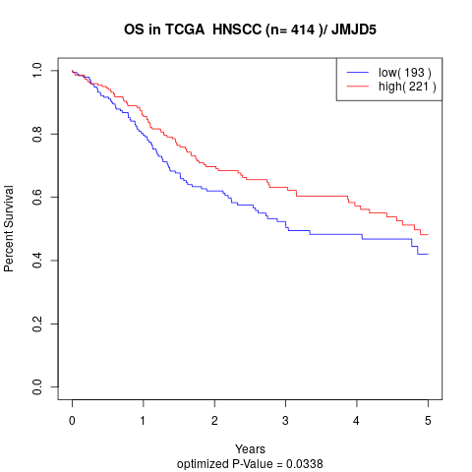

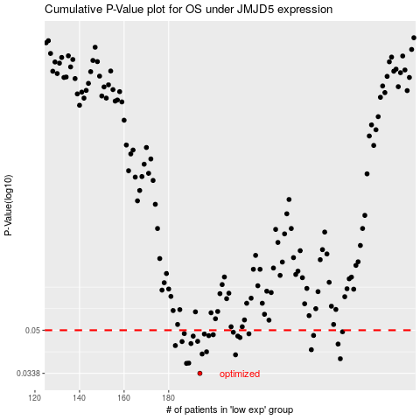

 |  |  |  |  |  | cases_OS | p_OS | rank | exp
 |  |  |  |  |  | 194 | 0.0338 | 167 | -0.2620618749
 |  |  |  |  |  | 188 | 0.037 | 342 | -0.29973007079
 |  |  |  |  |  | 189 | 0.0371 | 288 | -0.29930454449
 |  |  |  |  |  | 257 | 0.0386 | 193 | -0.0012264114731
 |  |  |  |  |  | 210 | 0.04 | 357 | -0.18962514091
 |  |  |  |  |  | 195 | 0.0403 | 95 | -0.26172449334
 |  |  |  |  |  | 197 | 0.0411 | 316 | -0.25841450662
 |  |  |  |  |  | 244 | 0.0419 | 16 | -0.052429383144
 |  |  |  |  |  | 183 | 0.0435 | 31 | -0.31317974131
 |  |  |  |  |  | 256 | 0.0441 | 240 | -0.0019346088137
 |  |  |  |  |  | 190 | 0.0443 | 319 | -0.29362984734
 |  |  |  |  |  | 186 | 0.0451 | 197 | -0.30295191277
 |  |  |  |  |  | 193 | 0.0452 | 207 | -0.26316520381
 |  |  |  |  |  | 212 | 0.0468 | 147 | -0.17737302297
 |  |  |  |  |  | 191 | 0.0474 | 149 | -0.29021651853
 |  |  |  |  |  | 211 | 0.0474 | 228 | -0.18049456232
 |  |  |  |  |  | 198 | 0.0476 | 402 | -0.25680358563
 |  |  |  |  |  | 245 | 0.0477 | 41 | -0.047639172806
 |  |  |  |  |  | 200 | 0.048 | 171 | -0.24355148089
 |  |  |  |  |  | 196 | 0.0483 | 48 | -0.25954823026
 |  |  |  |  |  | 216 | 0.0484 | 57 | -0.16088995783
 |  |  |  |  |  | 187 | 0.0485 | 186 | -0.30261757068
 |  |  |  |  |  | 209 | 0.0491 | 74 | -0.20390762719
 |  |  |  |  |  | 258 | 0.0493 | 63 | -0.0010957141098
 |  |  |  |  |  |  | cases_RFS | p_RFS | rank | exp
 |  |  |  |  |  |  | 193 | 0.0338 | 207 | -0.26316520381
 |  |  |  |  |  |  | 187 | 0.037 | 186 | -0.30261757068
 |  |  |  |  |  |  | 188 | 0.0371 | 342 | -0.29973007079
 |  |  |  |  |  |  | 256 | 0.0386 | 240 | -0.0019346088137
 |  |  |  |  |  |  | 209 | 0.04 | 74 | -0.20390762719
 |  |  |  |  |  |  | 194 | 0.0403 | 167 | -0.2620618749
 |  |  |  |  |  |  | 196 | 0.0411 | 48 | -0.25954823026
 |  |  |  |  |  |  | 243 | 0.0419 | 214 | -0.053672527832
 |  |  |  |  |  |  | 182 | 0.0435 | 264 | -0.31814016217
 |  |  |  |  |  |  | 255 | 0.0441 | 191 | -0.011262753184
 |  |  |  |  |  |  | 189 | 0.0443 | 288 | -0.29930454449
 |  |  |  |  |  |  | 185 | 0.0451 | 364 | -0.30327105749
 |  |  |  |  |  |  | 192 | 0.0452 | 387 | -0.27498875597
 |  |  |  |  |  |  | 211 | 0.0468 | 228 | -0.18049456232
 |  |  |  |  |  |  | 190 | 0.0474 | 319 | -0.29362984734
 |  |  |  |  |  |  | 210 | 0.0474 | 357 | -0.18962514091
 |  |  |  |  |  |  | 197 | 0.0476 | 316 | -0.25841450662
 |  |  |  |  |  |  | 244 | 0.0477 | 16 | -0.052429383144
 |  |  |  |  |  |  | 199 | 0.048 | 265 | -0.25436592784
 |  |  |  |  |  |  | 195 | 0.0483 | 95 | -0.26172449334
 |  |  |  |  |  |  | 215 | 0.0484 | 68 | -0.1676193523
 |  |  |  |  |  |  | 186 | 0.0485 | 197 | -0.30295191277
 |  |  |  |  |  |  | 208 | 0.0491 | 218 | -0.20597142974
 |  |  |  |  |  |  | 257 | 0.0493 | 193 | -0.0012264114731

