JMJD6 _multivariate
Reported by Tex Li-Hsing Chi. tex@gate.sinica.edu.tw 2019-08-18

Table 2. The clinicopathological features of HNSCC cohort and JMJD6 expression. (Chi square test)
Cutoff at -0.065 (55.8%)
 |  | JMJD6 expression |  | JMJD6 expression |  | (Optimised)
 | Features | Low | (%) | High | (%) | Case no | P-value | Remark | Matthews
Gender | Female | 156 | 37.6 | 150 | 36.1 | 415 | 0.0019 | 1 | 0
2 | Male | 75 | 18.1 | 34 | 8.2
Age at diagnosis | <=65y | 153 | 36.9 | 121 | 29.2 | 415 | 1 | 0 | 0
4 | >65y | 78 | 18.8 | 63 | 15.2
Clinical T Status | T1+T2 | 93 | 22.4 | 56 | 13.5 | 415 | 0.0489 | 1 | 0
6 | T3+T4 | 138 | 33.3 | 128 | 30.8
Clinical N Status | N0 | 134 | 32.3 | 82 | 19.8 | 415 | 0.0087 | 1 | 0
8 | N1-3 | 97 | 23.4 | 102 | 24.6
Clinical M Status | M0 | 231 | 55.7 | 181 | 43.6 | 415 | 0.0864 | 0 | 0
10 | M1 | 0 | 0 | 3 | 0.7
Clinical Stage | Stage I+II | 68 | 16.4 | 34 | 8.2 | 415 | 0.0138 | 1 | 0
12 | Stage III+IV | 163 | 39.3 | 150 | 36.1
Surgical Margin status | Negative | 179 | 43.1 | 139 | 33.5 | 415 | 0.6427 | 0 | 0
14 | Positive | 52 | 12.5 | 45 | 10.8
Tobacco Exposure | Low | 108 | 26 | 53 | 12.8 | 415 | 3e-04 | 1 | 0
16 | High | 123 | 29.6 | 131 | 31.6

Table 3. Univariate/Multivariate Cox's proportional hazards regression analyses on OS time of JMJD6 gene expression in HNSCC

 |  | Univariate |  |  |  | Multivariate
 | Features | HR | CI95%(L) | CI95%(H) | P-value | HR | CI95%(L) | CI95%(H) | P-value
1 | Female | 1 |  |  |  | 1
Gender | Male | 1.157 | 0.843 | 1.587 | 0.367 | 1.231 | 0.878 | 1.725 | 0.229
11 | <=65y | 1 |  |  |  | 1
Age at diagnosis | >65y | 1.329 | 0.99 | 1.784 | 0.058 | 1.339 | 0.981 | 1.83 | 0.066
12 | T1+T2 | 1 |  |  |  | 1
Clinical T Status | T3+T4 | 1.409 | 1.028 | 1.931 | 0.033 | 2.159 | 1.142 | 4.082 | 0.018
13 | N0 | 1 |  |  |  | 1
Clinical N Status | N1-3 | 1.185 | 0.89 | 1.577 | 0.246 | 1.204 | 0.841 | 1.723 | 0.311
14 | M0 | 1 |  |  |  | 1
Clinical M Status | M1 | 4.097 | 1.009 | 16.644 | 0.049 | 8.43 | 1.825 | 38.944 | 0.006
15 | Stage I+II | 1 |  |  |  | 1
Clinical Stage | Stage III+IV | 1.245 | 0.882 | 1.759 | 0.213 | 0.51 | 0.238 | 1.095 | 0.084
16 | Negative | 1 |  |  |  | 1
Surgical Margin status | Positive | 1.591 | 1.155 | 2.191 | 0.004 | 1.673 | 1.211 | 2.312 | 0.002
17 | Low | 1 |  |  |  | 1
Tobacco Exposure | High | 1.364 | 1.008 | 1.844 | 0.044 | 1.416 | 1.025 | 1.956 | 0.035
18 | Low | 1 |  |  |  | 1
RNAseq(z-score) | High | 1.352 | 1.014 | 1.804 | 0.04 | 1.225 | 0.905 | 1.658 | 0.189

Table 4. Univariate/Multivariate Cox's proportional hazards regression analyses on RFS time of JMJD6 gene expression in HNSCC

 |  | Univariate |  |  |  | Multivariate
 | Features | HR | CI95%(L) | CI95%(H) | P-value | HR | CI95%(L) | CI95%(H) | P-value
1 | Female | 1 |  |  |  | 1
Gender | Male | 1.157 | 0.843 | 1.587 | 0.367 | 1.231 | 0.878 | 1.725 | 0.229
11 | <=65y | 1 |  |  |  | 1
Age at diagnosis | >65y | 1.329 | 0.99 | 1.784 | 0.058 | 1.339 | 0.981 | 1.83 | 0.066
12 | T1+T2 | 1 |  |  |  | 1
Clinical T Status | T3+T4 | 1.409 | 1.028 | 1.931 | 0.033 | 2.159 | 1.142 | 4.082 | 0.018
13 | N0 | 1 |  |  |  | 1
Clinical N Status | N1-3 | 1.185 | 0.89 | 1.577 | 0.246 | 1.204 | 0.841 | 1.723 | 0.311
14 | M0 | 1 |  |  |  | 1
Clinical M Status | M1 | 4.097 | 1.009 | 16.644 | 0.049 | 8.43 | 1.825 | 38.944 | 0.006
15 | Stage I+II | 1 |  |  |  | 1
Clinical Stage | Stage III+IV | 1.245 | 0.882 | 1.759 | 0.213 | 0.51 | 0.238 | 1.095 | 0.084
16 | Negative | 1 |  |  |  | 1
Surgical Margin status | Positive | 1.591 | 1.155 | 2.191 | 0.004 | 1.673 | 1.211 | 2.312 | 0.002
17 | Low | 1 |  |  |  | 1
Tobacco Exposure | High | 1.364 | 1.008 | 1.844 | 0.044 | 1.416 | 1.025 | 1.956 | 0.035
18 | Low | 1 |  |  |  | 1
RNAseq(z-score) | High | 1.352 | 1.014 | 1.804 | 0.04 | 1.225 | 0.905 | 1.658 | 0.189

Kaplan-Meier survival estimate: Cutoff at -0.065 (55.8%)



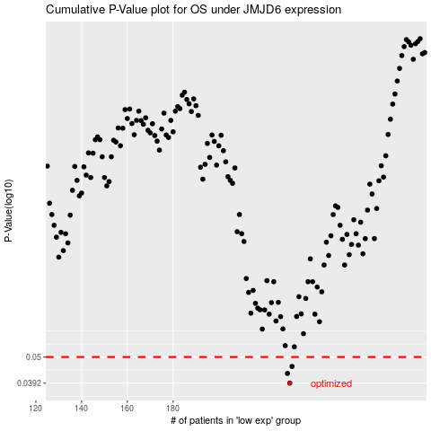

 |  |  |  |  |  | cases_OS | p_OS | rank | exp
 |  |  |  |  |  | 231 | 0.0392 | 273 | -0.065290231322
 |  |  |  |  |  | 230 | 0.0429 | 343 | -0.066339459917
 |  |  |  |  |  | 232 | 0.0458 | 76 | -0.057566129945
 |  |  |  |  |  |  | cases_RFS | p_RFS | rank | exp
 |  |  |  |  |  |  | 230 | 0.0392 | 343 | -0.066339459917
 |  |  |  |  |  |  | 229 | 0.0429 | 41 | -0.070381543079
 |  |  |  |  |  |  | 231 | 0.0458 | 273 | -0.065290231322

