JMJD8 _multivariate
Reported by Tex Li-Hsing Chi. tex@gate.sinica.edu.tw 2019-08-18

Table 2. The clinicopathological features of HNSCC cohort and JMJD8 expression. (Chi square test)
Cutoff at -0.024 (61.1%)
 |  | JMJD8 expression |  | JMJD8 expression |  | (Optimised)
 | Features | Low | (%) | High | (%) | Case no | P-value | Remark | Matthews
Gender | Female | 184 | 44.3 | 122 | 29.4 | 415 | 0.6394 | 0 | 0
2 | Male | 69 | 16.6 | 40 | 9.6
Age at diagnosis | <=65y | 160 | 38.6 | 114 | 27.5 | 415 | 0.1646 | 0 | 0
4 | >65y | 93 | 22.4 | 48 | 11.6
Clinical T Status | T1+T2 | 97 | 23.4 | 52 | 12.5 | 415 | 0.2348 | 0 | 0
6 | T3+T4 | 156 | 37.6 | 110 | 26.5
Clinical N Status | N0 | 135 | 32.5 | 81 | 19.5 | 415 | 0.5703 | 0 | 0
8 | N1-3 | 118 | 28.4 | 81 | 19.5
Clinical M Status | M0 | 251 | 60.5 | 161 | 38.8 | 415 | 1 | 0 | 0
10 | M1 | 2 | 0.5 | 1 | 0.2
Clinical Stage | Stage I+II | 69 | 16.6 | 33 | 8 | 415 | 0.1399 | 0 | 0
12 | Stage III+IV | 184 | 44.3 | 129 | 31.1
Surgical Margin status | Negative | 189 | 45.5 | 129 | 31.1 | 415 | 0.285 | 0 | 0
14 | Positive | 64 | 15.4 | 33 | 8
Tobacco Exposure | Low | 96 | 23.1 | 65 | 15.7 | 415 | 0.6804 | 0 | 0
16 | High | 157 | 37.8 | 97 | 23.4

Table 3. Univariate/Multivariate Cox's proportional hazards regression analyses on OS time of JMJD8 gene expression in HNSCC

 |  | Univariate |  |  |  | Multivariate
 | Features | HR | CI95%(L) | CI95%(H) | P-value | HR | CI95%(L) | CI95%(H) | P-value
1 | Female | 1 |  |  |  | 1
Gender | Male | 1.157 | 0.843 | 1.587 | 0.367 | 1.241 | 0.888 | 1.736 | 0.206
11 | <=65y | 1 |  |  |  | 1
Age at diagnosis | >65y | 1.329 | 0.99 | 1.784 | 0.058 | 1.361 | 1 | 1.852 | 0.05
12 | T1+T2 | 1 |  |  |  | 1
Clinical T Status | T3+T4 | 1.409 | 1.028 | 1.931 | 0.033 | 2.207 | 1.168 | 4.17 | 0.015
13 | N0 | 1 |  |  |  | 1
Clinical N Status | N1-3 | 1.185 | 0.89 | 1.577 | 0.246 | 1.235 | 0.866 | 1.763 | 0.244
14 | M0 | 1 |  |  |  | 1
Clinical M Status | M1 | 4.097 | 1.009 | 16.644 | 0.049 | 9.507 | 2.074 | 43.572 | 0.004
15 | Stage I+II | 1 |  |  |  | 1
Clinical Stage | Stage III+IV | 1.245 | 0.882 | 1.759 | 0.213 | 0.524 | 0.244 | 1.125 | 0.098
16 | Negative | 1 |  |  |  | 1
Surgical Margin status | Positive | 1.591 | 1.155 | 2.191 | 0.004 | 1.672 | 1.21 | 2.31 | 0.002
17 | Low | 1 |  |  |  | 1
Tobacco Exposure | High | 1.364 | 1.008 | 1.844 | 0.044 | 1.461 | 1.06 | 2.015 | 0.021
18 | Low | 1 |  |  |  | 1
RNAseq(z-score) | High | 0.732 | 0.542 | 0.99 | 0.042 | 0.707 | 0.521 | 0.959 | 0.026

Table 4. Univariate/Multivariate Cox's proportional hazards regression analyses on RFS time of JMJD8 gene expression in HNSCC

 |  | Univariate |  |  |  | Multivariate
 | Features | HR | CI95%(L) | CI95%(H) | P-value | HR | CI95%(L) | CI95%(H) | P-value
1 | Female | 1 |  |  |  | 1
Gender | Male | 1.157 | 0.843 | 1.587 | 0.367 | 1.241 | 0.888 | 1.736 | 0.206
11 | <=65y | 1 |  |  |  | 1
Age at diagnosis | >65y | 1.329 | 0.99 | 1.784 | 0.058 | 1.361 | 1 | 1.852 | 0.05
12 | T1+T2 | 1 |  |  |  | 1
Clinical T Status | T3+T4 | 1.409 | 1.028 | 1.931 | 0.033 | 2.207 | 1.168 | 4.17 | 0.015
13 | N0 | 1 |  |  |  | 1
Clinical N Status | N1-3 | 1.185 | 0.89 | 1.577 | 0.246 | 1.235 | 0.866 | 1.763 | 0.244
14 | M0 | 1 |  |  |  | 1
Clinical M Status | M1 | 4.097 | 1.009 | 16.644 | 0.049 | 9.507 | 2.074 | 43.572 | 0.004
15 | Stage I+II | 1 |  |  |  | 1
Clinical Stage | Stage III+IV | 1.245 | 0.882 | 1.759 | 0.213 | 0.524 | 0.244 | 1.125 | 0.098
16 | Negative | 1 |  |  |  | 1
Surgical Margin status | Positive | 1.591 | 1.155 | 2.191 | 0.004 | 1.672 | 1.21 | 2.31 | 0.002
17 | Low | 1 |  |  |  | 1
Tobacco Exposure | High | 1.364 | 1.008 | 1.844 | 0.044 | 1.461 | 1.06 | 2.015 | 0.021
18 | Low | 1 |  |  |  | 1
RNAseq(z-score) | High | 0.732 | 0.542 | 0.99 | 0.042 | 0.707 | 0.521 | 0.959 | 0.026

Kaplan-Meier survival estimate: Cutoff at -0.024 (61.1%)



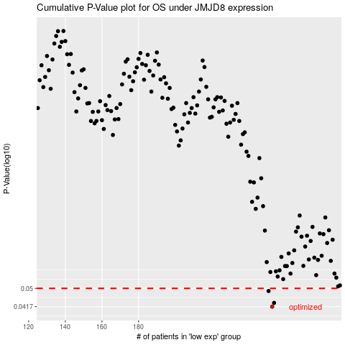

 |  |  |  |  |  | cases_OS | p_OS | rank | exp
 |  |  |  |  |  | 253 | 0.0417 | 246 | -0.023716979231
 |  |  |  |  |  | 254 | 0.0433 | 35 | -0.022974924346
 |  |  |  |  |  | 251 | 0.0487 | 262 | -0.035683877742
 |  |  |  |  |  |  | cases_RFS | p_RFS | rank | exp
 |  |  |  |  |  |  | 252 | 0.0417 | 297 | -0.033055318786
 |  |  |  |  |  |  | 253 | 0.0433 | 246 | -0.023716979231
 |  |  |  |  |  |  | 250 | 0.0487 | 364 | -0.038477694327

