JMY _multivariate
Reported by Tex Li-Hsing Chi. tex@gate.sinica.edu.tw 2019-08-18

Table 2. The clinicopathological features of HNSCC cohort and JMY expression. (Chi square test)
Cutoff at 0.232 (67.4%)
 |  | JMY expression |  | JMY expression |  | (Optimised)
 | Features | Low | (%) | High | (%) | Case no | P-value | Remark | Matthews
Gender | Female | 204 | 49.2 | 102 | 24.6 | 415 | 0.7718 | 0 | 0
2 | Male | 75 | 18.1 | 34 | 8.2
Age at diagnosis | <=65y | 184 | 44.3 | 90 | 21.7 | 415 | 1 | 0 | 0
4 | >65y | 95 | 22.9 | 46 | 11.1
Clinical T Status | T1+T2 | 103 | 24.8 | 46 | 11.1 | 415 | 0.6117 | 0 | 0
6 | T3+T4 | 176 | 42.4 | 90 | 21.7
Clinical N Status | N0 | 145 | 34.9 | 71 | 17.1 | 415 | 1 | 0 | 0
8 | N1-3 | 134 | 32.3 | 65 | 15.7
Clinical M Status | M0 | 276 | 66.5 | 136 | 32.8 | 415 | 0.554 | 0 | 0
10 | M1 | 3 | 0.7 | 0 | 0
Clinical Stage | Stage I+II | 76 | 18.3 | 26 | 6.3 | 415 | 0.0925 | 0 | 0
12 | Stage III+IV | 203 | 48.9 | 110 | 26.5
Surgical Margin status | Negative | 214 | 51.6 | 104 | 25.1 | 415 | 1 | 0 | 0
14 | Positive | 65 | 15.7 | 32 | 7.7
Tobacco Exposure | Low | 112 | 27 | 49 | 11.8 | 415 | 0.4534 | 0 | 0
16 | High | 167 | 40.2 | 87 | 21

Table 3. Univariate/Multivariate Cox's proportional hazards regression analyses on OS time of JMY gene expression in HNSCC

 |  | Univariate |  |  |  | Multivariate
 | Features | HR | CI95%(L) | CI95%(H) | P-value | HR | CI95%(L) | CI95%(H) | P-value
1 | Female | 1 |  |  |  | 1
Gender | Male | 1.157 | 0.843 | 1.587 | 0.367 | 1.2 | 0.856 | 1.682 | 0.289
11 | <=65y | 1 |  |  |  | 1
Age at diagnosis | >65y | 1.329 | 0.99 | 1.784 | 0.058 | 1.39 | 1.023 | 1.89 | 0.035
12 | T1+T2 | 1 |  |  |  | 1
Clinical T Status | T3+T4 | 1.409 | 1.028 | 1.931 | 0.033 | 2.021 | 1.065 | 3.836 | 0.031
13 | N0 | 1 |  |  |  | 1
Clinical N Status | N1-3 | 1.185 | 0.89 | 1.577 | 0.246 | 1.193 | 0.835 | 1.704 | 0.333
14 | M0 | 1 |  |  |  | 1
Clinical M Status | M1 | 4.097 | 1.009 | 16.644 | 0.049 | 7.902 | 1.713 | 36.445 | 0.008
15 | Stage I+II | 1 |  |  |  | 1
Clinical Stage | Stage III+IV | 1.245 | 0.882 | 1.759 | 0.213 | 0.571 | 0.264 | 1.234 | 0.154
16 | Negative | 1 |  |  |  | 1
Surgical Margin status | Positive | 1.591 | 1.155 | 2.191 | 0.004 | 1.661 | 1.203 | 2.294 | 0.002
17 | Low | 1 |  |  |  | 1
Tobacco Exposure | High | 1.364 | 1.008 | 1.844 | 0.044 | 1.442 | 1.044 | 1.992 | 0.026
18 | Low | 1 |  |  |  | 1
RNAseq(z-score) | High | 0.662 | 0.481 | 0.912 | 0.012 | 0.7 | 0.506 | 0.969 | 0.032

Table 4. Univariate/Multivariate Cox's proportional hazards regression analyses on RFS time of JMY gene expression in HNSCC

 |  | Univariate |  |  |  | Multivariate
 | Features | HR | CI95%(L) | CI95%(H) | P-value | HR | CI95%(L) | CI95%(H) | P-value
1 | Female | 1 |  |  |  | 1
Gender | Male | 1.157 | 0.843 | 1.587 | 0.367 | 1.2 | 0.856 | 1.682 | 0.289
11 | <=65y | 1 |  |  |  | 1
Age at diagnosis | >65y | 1.329 | 0.99 | 1.784 | 0.058 | 1.39 | 1.023 | 1.89 | 0.035
12 | T1+T2 | 1 |  |  |  | 1
Clinical T Status | T3+T4 | 1.409 | 1.028 | 1.931 | 0.033 | 2.021 | 1.065 | 3.836 | 0.031
13 | N0 | 1 |  |  |  | 1
Clinical N Status | N1-3 | 1.185 | 0.89 | 1.577 | 0.246 | 1.193 | 0.835 | 1.704 | 0.333
14 | M0 | 1 |  |  |  | 1
Clinical M Status | M1 | 4.097 | 1.009 | 16.644 | 0.049 | 7.902 | 1.713 | 36.445 | 0.008
15 | Stage I+II | 1 |  |  |  | 1
Clinical Stage | Stage III+IV | 1.245 | 0.882 | 1.759 | 0.213 | 0.571 | 0.264 | 1.234 | 0.154
16 | Negative | 1 |  |  |  | 1
Surgical Margin status | Positive | 1.591 | 1.155 | 2.191 | 0.004 | 1.661 | 1.203 | 2.294 | 0.002
17 | Low | 1 |  |  |  | 1
Tobacco Exposure | High | 1.364 | 1.008 | 1.844 | 0.044 | 1.442 | 1.044 | 1.992 | 0.026
18 | Low | 1 |  |  |  | 1
RNAseq(z-score) | High | 0.662 | 0.481 | 0.912 | 0.012 | 0.7 | 0.506 | 0.969 | 0.032

Kaplan-Meier survival estimate: Cutoff at 0.232 (67.4%)

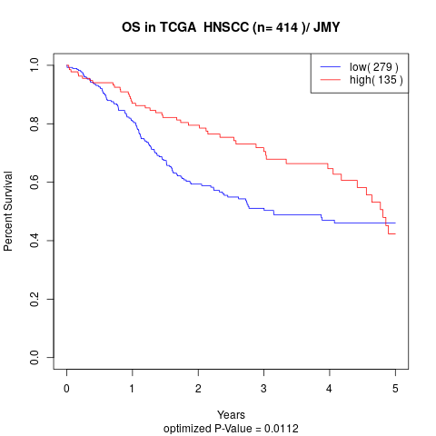

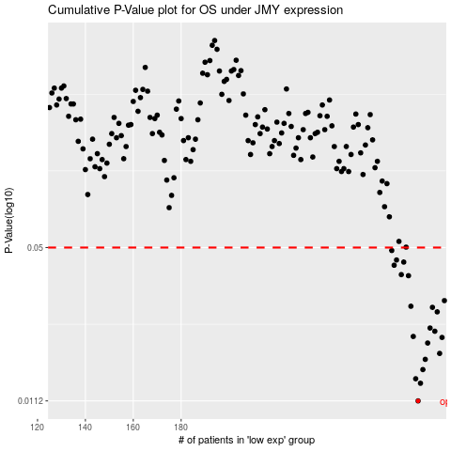

 |  |  |  |  |  | cases_OS | p_OS | rank | exp
 |  |  |  |  |  | 279 | 0.0112 | 102 | 0.2322743561
 |  |  |  |  |  | 280 | 0.0133 | 299 | 0.2518649987
 |  |  |  |  |  | 278 | 0.0139 | 82 | 0.22999356056
 |  |  |  |  |  | 281 | 0.0152 | 22 | 0.25803097376
 |  |  |  |  |  | 282 | 0.0168 | 336 | 0.26695694042
 |  |  |  |  |  | 288 | 0.0178 | 382 | 0.30279068904
 |  |  |  |  |  | 283 | 0.0197 | 53 | 0.26743716187
 |  |  |  |  |  | 289 | 0.0208 | 403 | 0.30416401985
 |  |  |  |  |  | 277 | 0.021 | 250 | 0.22542752615
 |  |  |  |  |  | 286 | 0.0221 | 158 | 0.28375785528
 |  |  |  |  |  | 284 | 0.0228 | 31 | 0.27576806409
 |  |  |  |  |  | 287 | 0.0267 | 247 | 0.29546329584
 |  |  |  |  |  | 285 | 0.0279 | 248 | 0.28199009347
 |  |  |  |  |  | 276 | 0.0282 | 253 | 0.21195808351
 |  |  |  |  |  | 290 | 0.0298 | 240 | 0.30665501909
 |  |  |  |  |  | 275 | 0.038 | 58 | 0.20642203595
 |  |  |  |  |  | 272 | 0.0384 | 351 | 0.18411686043
 |  |  |  |  |  | 269 | 0.0421 | 298 | 0.1688540214
 |  |  |  |  |  | 273 | 0.0434 | 156 | 0.19306880349
 |  |  |  |  |  | 270 | 0.0443 | 164 | 0.17757080975
 |  |  |  |  |  | 268 | 0.0486 | 55 | 0.15897478952
 |  |  |  |  |  |  | cases_RFS | p_RFS | rank | exp
 |  |  |  |  |  |  | 278 | 0.0112 | 82 | 0.22999356056
 |  |  |  |  |  |  | 279 | 0.0133 | 102 | 0.2322743561
 |  |  |  |  |  |  | 277 | 0.0139 | 250 | 0.22542752615
 |  |  |  |  |  |  | 280 | 0.0152 | 299 | 0.2518649987
 |  |  |  |  |  |  | 281 | 0.0168 | 22 | 0.25803097376
 |  |  |  |  |  |  | 287 | 0.0178 | 247 | 0.29546329584
 |  |  |  |  |  |  | 282 | 0.0197 | 336 | 0.26695694042
 |  |  |  |  |  |  | 288 | 0.0208 | 382 | 0.30279068904
 |  |  |  |  |  |  | 276 | 0.021 | 253 | 0.21195808351
 |  |  |  |  |  |  | 285 | 0.0221 | 248 | 0.28199009347
 |  |  |  |  |  |  | 283 | 0.0228 | 53 | 0.26743716187
 |  |  |  |  |  |  | 286 | 0.0267 | 158 | 0.28375785528
 |  |  |  |  |  |  | 284 | 0.0279 | 31 | 0.27576806409
 |  |  |  |  |  |  | 275 | 0.0282 | 58 | 0.20642203595
 |  |  |  |  |  |  | 289 | 0.0298 | 403 | 0.30416401985
 |  |  |  |  |  |  | 274 | 0.038 | 186 | 0.20278260677
 |  |  |  |  |  |  | 271 | 0.0384 | 283 | 0.17852441676
 |  |  |  |  |  |  | 268 | 0.0421 | 55 | 0.15897478952
 |  |  |  |  |  |  | 272 | 0.0434 | 351 | 0.18411686043
 |  |  |  |  |  |  | 269 | 0.0443 | 298 | 0.1688540214
 |  |  |  |  |  |  | 267 | 0.0486 | 85 | 0.15196799968

