JOSD1 _multivariate
Reported by Tex Li-Hsing Chi. tex@gate.sinica.edu.tw 2019-08-18

Table 2. The clinicopathological features of HNSCC cohort and JOSD1 expression. (Chi square test)
Cutoff at 0.038 (49.8%)
 |  | JOSD1 expression |  | JOSD1 expression |  | (Optimised)
 | Features | Low | (%) | High | (%) | Case no | P-value | Remark | Matthews
Gender | Female | 144 | 34.7 | 162 | 39 | 415 | 0.0697 | 0 | 0
2 | Male | 63 | 15.2 | 46 | 11.1
Age at diagnosis | <=65y | 130 | 31.3 | 144 | 34.7 | 415 | 0.2009 | 0 | 0
4 | >65y | 77 | 18.6 | 64 | 15.4
Clinical T Status | T1+T2 | 81 | 19.5 | 68 | 16.4 | 415 | 0.206 | 0 | 0
6 | T3+T4 | 126 | 30.4 | 140 | 33.7
Clinical N Status | N0 | 118 | 28.4 | 98 | 23.6 | 415 | 0.0551 | 1 | 0
8 | N1-3 | 89 | 21.4 | 110 | 26.5
Clinical M Status | M0 | 207 | 49.9 | 205 | 49.4 | 415 | 0.2482 | 0 | 0
10 | M1 | 0 | 0 | 3 | 0.7
Clinical Stage | Stage I+II | 56 | 13.5 | 46 | 11.1 | 415 | 0.2918 | 0 | 0
12 | Stage III+IV | 151 | 36.4 | 162 | 39
Surgical Margin status | Negative | 160 | 38.6 | 158 | 38.1 | 415 | 0.8167 | 0 | 0
14 | Positive | 47 | 11.3 | 50 | 12
Tobacco Exposure | Low | 99 | 23.9 | 62 | 14.9 | 415 | 2e-04 | 1 | 0
16 | High | 108 | 26 | 146 | 35.2

Table 3. Univariate/Multivariate Cox's proportional hazards regression analyses on OS time of JOSD1 gene expression in HNSCC

 |  | Univariate |  |  |  | Multivariate
 | Features | HR | CI95%(L) | CI95%(H) | P-value | HR | CI95%(L) | CI95%(H) | P-value
1 | Female | 1 |  |  |  | 1
Gender | Male | 1.157 | 0.843 | 1.587 | 0.367 | 1.184 | 0.846 | 1.657 | 0.324
11 | <=65y | 1 |  |  |  | 1
Age at diagnosis | >65y | 1.329 | 0.99 | 1.784 | 0.058 | 1.383 | 1.016 | 1.881 | 0.039
12 | T1+T2 | 1 |  |  |  | 1
Clinical T Status | T3+T4 | 1.409 | 1.028 | 1.931 | 0.033 | 2.267 | 1.196 | 4.297 | 0.012
13 | N0 | 1 |  |  |  | 1
Clinical N Status | N1-3 | 1.185 | 0.89 | 1.577 | 0.246 | 1.253 | 0.878 | 1.788 | 0.214
14 | M0 | 1 |  |  |  | 1
Clinical M Status | M1 | 4.097 | 1.009 | 16.644 | 0.049 | 10.334 | 2.229 | 47.906 | 0.003
15 | Stage I+II | 1 |  |  |  | 1
Clinical Stage | Stage III+IV | 1.245 | 0.882 | 1.759 | 0.213 | 0.495 | 0.231 | 1.064 | 0.072
16 | Negative | 1 |  |  |  | 1
Surgical Margin status | Positive | 1.591 | 1.155 | 2.191 | 0.004 | 1.68 | 1.216 | 2.322 | 0.002
17 | Low | 1 |  |  |  | 1
Tobacco Exposure | High | 1.364 | 1.008 | 1.844 | 0.044 | 1.494 | 1.079 | 2.069 | 0.016
18 | Low | 1 |  |  |  | 1
RNAseq(z-score) | High | 0.938 | 0.703 | 1.25 | 0.661 | 0.853 | 0.631 | 1.152 | 0.3

Table 4. Univariate/Multivariate Cox's proportional hazards regression analyses on RFS time of JOSD1 gene expression in HNSCC

 |  | Univariate |  |  |  | Multivariate
 | Features | HR | CI95%(L) | CI95%(H) | P-value | HR | CI95%(L) | CI95%(H) | P-value
1 | Female | 1 |  |  |  | 1
Gender | Male | 1.157 | 0.843 | 1.587 | 0.367 | 1.184 | 0.846 | 1.657 | 0.324
11 | <=65y | 1 |  |  |  | 1
Age at diagnosis | >65y | 1.329 | 0.99 | 1.784 | 0.058 | 1.383 | 1.016 | 1.881 | 0.039
12 | T1+T2 | 1 |  |  |  | 1
Clinical T Status | T3+T4 | 1.409 | 1.028 | 1.931 | 0.033 | 2.267 | 1.196 | 4.297 | 0.012
13 | N0 | 1 |  |  |  | 1
Clinical N Status | N1-3 | 1.185 | 0.89 | 1.577 | 0.246 | 1.253 | 0.878 | 1.788 | 0.214
14 | M0 | 1 |  |  |  | 1
Clinical M Status | M1 | 4.097 | 1.009 | 16.644 | 0.049 | 10.334 | 2.229 | 47.906 | 0.003
15 | Stage I+II | 1 |  |  |  | 1
Clinical Stage | Stage III+IV | 1.245 | 0.882 | 1.759 | 0.213 | 0.495 | 0.231 | 1.064 | 0.072
16 | Negative | 1 |  |  |  | 1
Surgical Margin status | Positive | 1.591 | 1.155 | 2.191 | 0.004 | 1.68 | 1.216 | 2.322 | 0.002
17 | Low | 1 |  |  |  | 1
Tobacco Exposure | High | 1.364 | 1.008 | 1.844 | 0.044 | 1.494 | 1.079 | 2.069 | 0.016
18 | Low | 1 |  |  |  | 1
RNAseq(z-score) | High | 0.938 | 0.703 | 1.25 | 0.661 | 0.853 | 0.631 | 1.152 | 0.3

Kaplan-Meier survival estimate: Cutoff at 0.038 (49.8%)



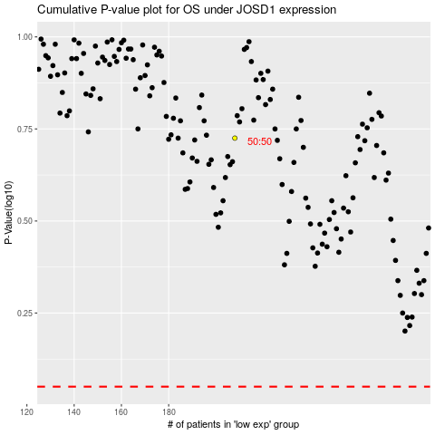

 |  |  |  |  |  | cases_OS | p_OS | rank | exp
 |  |  |  |  |  |  | cases_RFS | p_RFS | rank | exp

