JOSD2 _multivariate
Reported by Tex Li-Hsing Chi. tex@gate.sinica.edu.tw 2019-08-18

Table 2. The clinicopathological features of HNSCC cohort and JOSD2 expression. (Chi square test)
Cutoff at -0.254 (50.0%)
 |  | JOSD2 expression |  | JOSD2 expression |  | (Optimised)
 | Features | Low | (%) | High | (%) | Case no | P-value | Remark | Matthews
Gender | Female | 161 | 38.8 | 145 | 34.9 | 415 | 0.0792 | 0 | 0
2 | Male | 46 | 11.1 | 63 | 15.2
Age at diagnosis | <=65y | 144 | 34.7 | 130 | 31.3 | 415 | 0.1568 | 0 | 0
4 | >65y | 63 | 15.2 | 78 | 18.8
Clinical T Status | T1+T2 | 74 | 17.8 | 75 | 18.1 | 415 | 1 | 0 | 0
6 | T3+T4 | 133 | 32 | 133 | 32
Clinical N Status | N0 | 104 | 25.1 | 112 | 27 | 415 | 0.5243 | 0 | 0
8 | N1-3 | 103 | 24.8 | 96 | 23.1
Clinical M Status | M0 | 207 | 49.9 | 205 | 49.4 | 415 | 0.2482 | 0 | 0
10 | M1 | 0 | 0 | 3 | 0.7
Clinical Stage | Stage I+II | 47 | 11.3 | 55 | 13.3 | 415 | 0.4413 | 0 | 0
12 | Stage III+IV | 160 | 38.6 | 153 | 36.9
Surgical Margin status | Negative | 161 | 38.8 | 157 | 37.8 | 415 | 0.6429 | 0 | 0
14 | Positive | 46 | 11.1 | 51 | 12.3
Tobacco Exposure | Low | 69 | 16.6 | 92 | 22.2 | 415 | 0.0266 | 1 | 0
16 | High | 138 | 33.3 | 116 | 28

Table 3. Univariate/Multivariate Cox's proportional hazards regression analyses on OS time of JOSD2 gene expression in HNSCC

 |  | Univariate |  |  |  | Multivariate
 | Features | HR | CI95%(L) | CI95%(H) | P-value | HR | CI95%(L) | CI95%(H) | P-value
1 | Female | 1 |  |  |  | 1
Gender | Male | 1.157 | 0.843 | 1.587 | 0.367 | 1.208 | 0.863 | 1.69 | 0.27
11 | <=65y | 1 |  |  |  | 1
Age at diagnosis | >65y | 1.329 | 0.99 | 1.784 | 0.058 | 1.395 | 1.026 | 1.898 | 0.034
12 | T1+T2 | 1 |  |  |  | 1
Clinical T Status | T3+T4 | 1.409 | 1.028 | 1.931 | 0.033 | 2.217 | 1.171 | 4.199 | 0.015
13 | N0 | 1 |  |  |  | 1
Clinical N Status | N1-3 | 1.185 | 0.89 | 1.577 | 0.246 | 1.243 | 0.871 | 1.774 | 0.231
14 | M0 | 1 |  |  |  | 1
Clinical M Status | M1 | 4.097 | 1.009 | 16.644 | 0.049 | 9.715 | 2.091 | 45.131 | 0.004
15 | Stage I+II | 1 |  |  |  | 1
Clinical Stage | Stage III+IV | 1.245 | 0.882 | 1.759 | 0.213 | 0.5 | 0.232 | 1.075 | 0.076
16 | Negative | 1 |  |  |  | 1
Surgical Margin status | Positive | 1.591 | 1.155 | 2.191 | 0.004 | 1.679 | 1.213 | 2.322 | 0.002
17 | Low | 1 |  |  |  | 1
Tobacco Exposure | High | 1.364 | 1.008 | 1.844 | 0.044 | 1.455 | 1.056 | 2.005 | 0.022
18 | Low | 1 |  |  |  | 1
RNAseq(z-score) | High | 1.051 | 0.789 | 1.4 | 0.732 | 0.954 | 0.712 | 1.278 | 0.752

Table 4. Univariate/Multivariate Cox's proportional hazards regression analyses on RFS time of JOSD2 gene expression in HNSCC

 |  | Univariate |  |  |  | Multivariate
 | Features | HR | CI95%(L) | CI95%(H) | P-value | HR | CI95%(L) | CI95%(H) | P-value
1 | Female | 1 |  |  |  | 1
Gender | Male | 1.157 | 0.843 | 1.587 | 0.367 | 1.208 | 0.863 | 1.69 | 0.27
11 | <=65y | 1 |  |  |  | 1
Age at diagnosis | >65y | 1.329 | 0.99 | 1.784 | 0.058 | 1.395 | 1.026 | 1.898 | 0.034
12 | T1+T2 | 1 |  |  |  | 1
Clinical T Status | T3+T4 | 1.409 | 1.028 | 1.931 | 0.033 | 2.217 | 1.171 | 4.199 | 0.015
13 | N0 | 1 |  |  |  | 1
Clinical N Status | N1-3 | 1.185 | 0.89 | 1.577 | 0.246 | 1.243 | 0.871 | 1.774 | 0.231
14 | M0 | 1 |  |  |  | 1
Clinical M Status | M1 | 4.097 | 1.009 | 16.644 | 0.049 | 9.715 | 2.091 | 45.131 | 0.004
15 | Stage I+II | 1 |  |  |  | 1
Clinical Stage | Stage III+IV | 1.245 | 0.882 | 1.759 | 0.213 | 0.5 | 0.232 | 1.075 | 0.076
16 | Negative | 1 |  |  |  | 1
Surgical Margin status | Positive | 1.591 | 1.155 | 2.191 | 0.004 | 1.679 | 1.213 | 2.322 | 0.002
17 | Low | 1 |  |  |  | 1
Tobacco Exposure | High | 1.364 | 1.008 | 1.844 | 0.044 | 1.455 | 1.056 | 2.005 | 0.022
18 | Low | 1 |  |  |  | 1
RNAseq(z-score) | High | 1.051 | 0.789 | 1.4 | 0.732 | 0.954 | 0.712 | 1.278 | 0.752

Kaplan-Meier survival estimate: Cutoff at -0.254 (50.0%)



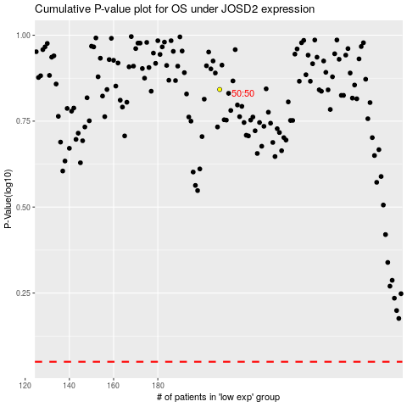

 |  |  |  |  |  | cases_OS | p_OS | rank | exp
 |  |  |  |  |  |  | cases_RFS | p_RFS | rank | exp

