JPH1 _multivariate
Reported by Tex Li-Hsing Chi. tex@gate.sinica.edu.tw 2019-08-18

Table 2. The clinicopathological features of HNSCC cohort and JPH1 expression. (Chi square test)
Cutoff at -0.218 (50.0%)
 |  | JPH1 expression |  | JPH1 expression |  | (Optimised)
 | Features | Low | (%) | High | (%) | Case no | P-value | Remark | Matthews
Gender | Female | 148 | 35.7 | 158 | 38.1 | 415 | 0.3567 | 0 | 0
2 | Male | 59 | 14.2 | 50 | 12
Age at diagnosis | <=65y | 130 | 31.3 | 144 | 34.7 | 415 | 0.2009 | 0 | 0
4 | >65y | 77 | 18.6 | 64 | 15.4
Clinical T Status | T1+T2 | 63 | 15.2 | 86 | 20.7 | 415 | 0.0268 | 1 | 0
6 | T3+T4 | 144 | 34.7 | 122 | 29.4
Clinical N Status | N0 | 103 | 24.8 | 113 | 27.2 | 415 | 0.4047 | 0 | 0
8 | N1-3 | 104 | 25.1 | 95 | 22.9
Clinical M Status | M0 | 205 | 49.4 | 207 | 49.9 | 415 | 0.6232 | 0 | 0
10 | M1 | 2 | 0.5 | 1 | 0.2
Clinical Stage | Stage I+II | 43 | 10.4 | 59 | 14.2 | 415 | 0.0925 | 0 | 0
12 | Stage III+IV | 164 | 39.5 | 149 | 35.9
Surgical Margin status | Negative | 156 | 37.6 | 162 | 39 | 415 | 0.5636 | 0 | 0
14 | Positive | 51 | 12.3 | 46 | 11.1
Tobacco Exposure | Low | 97 | 23.4 | 64 | 15.4 | 415 | 9e-04 | 1 | 0
16 | High | 110 | 26.5 | 144 | 34.7

Table 3. Univariate/Multivariate Cox's proportional hazards regression analyses on OS time of JPH1 gene expression in HNSCC

 |  | Univariate |  |  |  | Multivariate
 | Features | HR | CI95%(L) | CI95%(H) | P-value | HR | CI95%(L) | CI95%(H) | P-value
1 | Female | 1 |  |  |  | 1
Gender | Male | 1.157 | 0.843 | 1.587 | 0.367 | 1.197 | 0.856 | 1.673 | 0.293
11 | <=65y | 1 |  |  |  | 1
Age at diagnosis | >65y | 1.329 | 0.99 | 1.784 | 0.058 | 1.386 | 1.019 | 1.885 | 0.038
12 | T1+T2 | 1 |  |  |  | 1
Clinical T Status | T3+T4 | 1.409 | 1.028 | 1.931 | 0.033 | 2.177 | 1.149 | 4.124 | 0.017
13 | N0 | 1 |  |  |  | 1
Clinical N Status | N1-3 | 1.185 | 0.89 | 1.577 | 0.246 | 1.239 | 0.869 | 1.768 | 0.237
14 | M0 | 1 |  |  |  | 1
Clinical M Status | M1 | 4.097 | 1.009 | 16.644 | 0.049 | 9.101 | 1.974 | 41.956 | 0.005
15 | Stage I+II | 1 |  |  |  | 1
Clinical Stage | Stage III+IV | 1.245 | 0.882 | 1.759 | 0.213 | 0.511 | 0.238 | 1.098 | 0.086
16 | Negative | 1 |  |  |  | 1
Surgical Margin status | Positive | 1.591 | 1.155 | 2.191 | 0.004 | 1.66 | 1.2 | 2.297 | 0.002
17 | Low | 1 |  |  |  | 1
Tobacco Exposure | High | 1.364 | 1.008 | 1.844 | 0.044 | 1.472 | 1.063 | 2.037 | 0.02
18 | Low | 1 |  |  |  | 1
RNAseq(z-score) | High | 0.891 | 0.669 | 1.188 | 0.433 | 0.928 | 0.69 | 1.248 | 0.622

Table 4. Univariate/Multivariate Cox's proportional hazards regression analyses on RFS time of JPH1 gene expression in HNSCC

 |  | Univariate |  |  |  | Multivariate
 | Features | HR | CI95%(L) | CI95%(H) | P-value | HR | CI95%(L) | CI95%(H) | P-value
1 | Female | 1 |  |  |  | 1
Gender | Male | 1.157 | 0.843 | 1.587 | 0.367 | 1.197 | 0.856 | 1.673 | 0.293
11 | <=65y | 1 |  |  |  | 1
Age at diagnosis | >65y | 1.329 | 0.99 | 1.784 | 0.058 | 1.386 | 1.019 | 1.885 | 0.038
12 | T1+T2 | 1 |  |  |  | 1
Clinical T Status | T3+T4 | 1.409 | 1.028 | 1.931 | 0.033 | 2.177 | 1.149 | 4.124 | 0.017
13 | N0 | 1 |  |  |  | 1
Clinical N Status | N1-3 | 1.185 | 0.89 | 1.577 | 0.246 | 1.239 | 0.869 | 1.768 | 0.237
14 | M0 | 1 |  |  |  | 1
Clinical M Status | M1 | 4.097 | 1.009 | 16.644 | 0.049 | 9.101 | 1.974 | 41.956 | 0.005
15 | Stage I+II | 1 |  |  |  | 1
Clinical Stage | Stage III+IV | 1.245 | 0.882 | 1.759 | 0.213 | 0.511 | 0.238 | 1.098 | 0.086
16 | Negative | 1 |  |  |  | 1
Surgical Margin status | Positive | 1.591 | 1.155 | 2.191 | 0.004 | 1.66 | 1.2 | 2.297 | 0.002
17 | Low | 1 |  |  |  | 1
Tobacco Exposure | High | 1.364 | 1.008 | 1.844 | 0.044 | 1.472 | 1.063 | 2.037 | 0.02
18 | Low | 1 |  |  |  | 1
RNAseq(z-score) | High | 0.891 | 0.669 | 1.188 | 0.433 | 0.928 | 0.69 | 1.248 | 0.622

Kaplan-Meier survival estimate: Cutoff at -0.218 (50.0%)



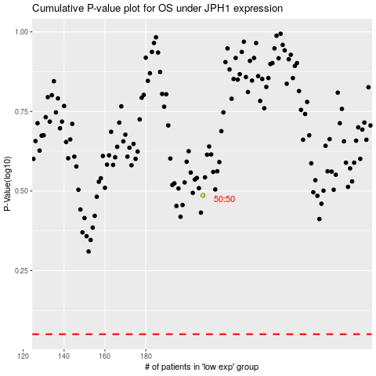

 |  |  |  |  |  | cases_OS | p_OS | rank | exp
 |  |  |  |  |  |  | cases_RFS | p_RFS | rank | exp

