JPH3 _multivariate
Reported by Tex Li-Hsing Chi. tex@gate.sinica.edu.tw 2019-08-18

Table 2. The clinicopathological features of HNSCC cohort and JPH3 expression. (Chi square test)
Cutoff at -0.18 (50.0%)
 |  | JPH3 expression |  | JPH3 expression |  | (Optimised)
 | Features | Low | (%) | High | (%) | Case no | P-value | Remark | Matthews
Gender | Female | 147 | 35.4 | 159 | 38.3 | 415 | 0.2523 | 0 | 0
2 | Male | 60 | 14.5 | 49 | 11.8
Age at diagnosis | <=65y | 135 | 32.5 | 139 | 33.5 | 415 | 0.8084 | 0 | 0
4 | >65y | 72 | 17.3 | 69 | 16.6
Clinical T Status | T1+T2 | 85 | 20.5 | 64 | 15.4 | 415 | 0.0372 | 1 | 0
6 | T3+T4 | 122 | 29.4 | 144 | 34.7
Clinical N Status | N0 | 104 | 25.1 | 112 | 27 | 415 | 0.5243 | 0 | 0
8 | N1-3 | 103 | 24.8 | 96 | 23.1
Clinical M Status | M0 | 205 | 49.4 | 207 | 49.9 | 415 | 0.6232 | 0 | 0
10 | M1 | 2 | 0.5 | 1 | 0.2
Clinical Stage | Stage I+II | 56 | 13.5 | 46 | 11.1 | 415 | 0.2918 | 0 | 0
12 | Stage III+IV | 151 | 36.4 | 162 | 39
Surgical Margin status | Negative | 166 | 40 | 152 | 36.6 | 415 | 0.1042 | 0 | 0
14 | Positive | 41 | 9.9 | 56 | 13.5
Tobacco Exposure | Low | 93 | 22.4 | 68 | 16.4 | 415 | 0.0118 | 1 | 0
16 | High | 114 | 27.5 | 140 | 33.7

Table 3. Univariate/Multivariate Cox's proportional hazards regression analyses on OS time of JPH3 gene expression in HNSCC

 |  | Univariate |  |  |  | Multivariate
 | Features | HR | CI95%(L) | CI95%(H) | P-value | HR | CI95%(L) | CI95%(H) | P-value
1 | Female | 1 |  |  |  | 1
Gender | Male | 1.157 | 0.843 | 1.587 | 0.367 | 1.209 | 0.865 | 1.69 | 0.266
11 | <=65y | 1 |  |  |  | 1
Age at diagnosis | >65y | 1.329 | 0.99 | 1.784 | 0.058 | 1.386 | 1.019 | 1.886 | 0.037
12 | T1+T2 | 1 |  |  |  | 1
Clinical T Status | T3+T4 | 1.409 | 1.028 | 1.931 | 0.033 | 2.17 | 1.145 | 4.113 | 0.018
13 | N0 | 1 |  |  |  | 1
Clinical N Status | N1-3 | 1.185 | 0.89 | 1.577 | 0.246 | 1.249 | 0.874 | 1.783 | 0.222
14 | M0 | 1 |  |  |  | 1
Clinical M Status | M1 | 4.097 | 1.009 | 16.644 | 0.049 | 9.526 | 2.077 | 43.694 | 0.004
15 | Stage I+II | 1 |  |  |  | 1
Clinical Stage | Stage III+IV | 1.245 | 0.882 | 1.759 | 0.213 | 0.503 | 0.235 | 1.08 | 0.078
16 | Negative | 1 |  |  |  | 1
Surgical Margin status | Positive | 1.591 | 1.155 | 2.191 | 0.004 | 1.654 | 1.194 | 2.291 | 0.002
17 | Low | 1 |  |  |  | 1
Tobacco Exposure | High | 1.364 | 1.008 | 1.844 | 0.044 | 1.437 | 1.041 | 1.985 | 0.028
18 | Low | 1 |  |  |  | 1
RNAseq(z-score) | High | 1.208 | 0.903 | 1.617 | 0.202 | 1.083 | 0.8 | 1.467 | 0.605

Table 4. Univariate/Multivariate Cox's proportional hazards regression analyses on RFS time of JPH3 gene expression in HNSCC

 |  | Univariate |  |  |  | Multivariate
 | Features | HR | CI95%(L) | CI95%(H) | P-value | HR | CI95%(L) | CI95%(H) | P-value
1 | Female | 1 |  |  |  | 1
Gender | Male | 1.157 | 0.843 | 1.587 | 0.367 | 1.209 | 0.865 | 1.69 | 0.266
11 | <=65y | 1 |  |  |  | 1
Age at diagnosis | >65y | 1.329 | 0.99 | 1.784 | 0.058 | 1.386 | 1.019 | 1.886 | 0.037
12 | T1+T2 | 1 |  |  |  | 1
Clinical T Status | T3+T4 | 1.409 | 1.028 | 1.931 | 0.033 | 2.17 | 1.145 | 4.113 | 0.018
13 | N0 | 1 |  |  |  | 1
Clinical N Status | N1-3 | 1.185 | 0.89 | 1.577 | 0.246 | 1.249 | 0.874 | 1.783 | 0.222
14 | M0 | 1 |  |  |  | 1
Clinical M Status | M1 | 4.097 | 1.009 | 16.644 | 0.049 | 9.526 | 2.077 | 43.694 | 0.004
15 | Stage I+II | 1 |  |  |  | 1
Clinical Stage | Stage III+IV | 1.245 | 0.882 | 1.759 | 0.213 | 0.503 | 0.235 | 1.08 | 0.078
16 | Negative | 1 |  |  |  | 1
Surgical Margin status | Positive | 1.591 | 1.155 | 2.191 | 0.004 | 1.654 | 1.194 | 2.291 | 0.002
17 | Low | 1 |  |  |  | 1
Tobacco Exposure | High | 1.364 | 1.008 | 1.844 | 0.044 | 1.437 | 1.041 | 1.985 | 0.028
18 | Low | 1 |  |  |  | 1
RNAseq(z-score) | High | 1.208 | 0.903 | 1.617 | 0.202 | 1.083 | 0.8 | 1.467 | 0.605

Kaplan-Meier survival estimate: Cutoff at -0.18 (50.0%)

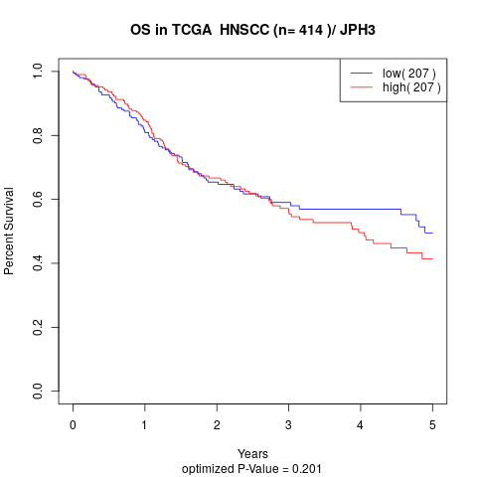

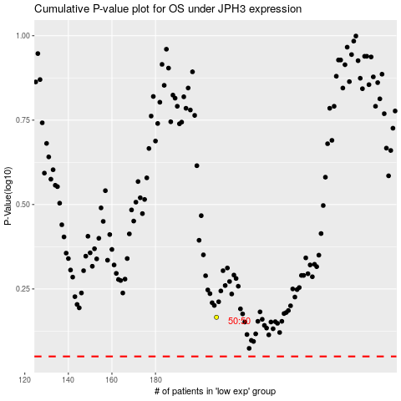

 |  |  |  |  |  | cases_OS | p_OS | rank | exp
 |  |  |  |  |  |  | cases_RFS | p_RFS | rank | exp

