JRK _multivariate
Reported by Tex Li-Hsing Chi. tex@gate.sinica.edu.tw 2019-08-18

Table 2. The clinicopathological features of HNSCC cohort and JRK expression. (Chi square test)
Cutoff at -0.267 (49.8%)
 |  | JRK expression |  | JRK expression |  | (Optimised)
 | Features | Low | (%) | High | (%) | Case no | P-value | Remark | Matthews
Gender | Female | 141 | 34 | 165 | 39.8 | 415 | 0.013 | 1 | 0
2 | Male | 66 | 15.9 | 43 | 10.4
Age at diagnosis | <=65y | 130 | 31.3 | 144 | 34.7 | 415 | 0.2009 | 0 | 0
4 | >65y | 77 | 18.6 | 64 | 15.4
Clinical T Status | T1+T2 | 70 | 16.9 | 79 | 19 | 415 | 0.4343 | 0 | 0
6 | T3+T4 | 137 | 33 | 129 | 31.1
Clinical N Status | N0 | 104 | 25.1 | 112 | 27 | 415 | 0.5243 | 0 | 0
8 | N1-3 | 103 | 24.8 | 96 | 23.1
Clinical M Status | M0 | 205 | 49.4 | 207 | 49.9 | 415 | 0.6232 | 0 | 0
10 | M1 | 2 | 0.5 | 1 | 0.2
Clinical Stage | Stage I+II | 48 | 11.6 | 54 | 13 | 415 | 0.5878 | 0 | 0
12 | Stage III+IV | 159 | 38.3 | 154 | 37.1
Surgical Margin status | Negative | 162 | 39 | 156 | 37.6 | 415 | 0.4867 | 0 | 0
14 | Positive | 45 | 10.8 | 52 | 12.5
Tobacco Exposure | Low | 84 | 20.2 | 77 | 18.6 | 415 | 0.4816 | 0 | 0
16 | High | 123 | 29.6 | 131 | 31.6

Table 3. Univariate/Multivariate Cox's proportional hazards regression analyses on OS time of JRK gene expression in HNSCC

 |  | Univariate |  |  |  | Multivariate
 | Features | HR | CI95%(L) | CI95%(H) | P-value | HR | CI95%(L) | CI95%(H) | P-value
1 | Female | 1 |  |  |  | 1
Gender | Male | 1.157 | 0.843 | 1.587 | 0.367 | 1.145 | 0.816 | 1.608 | 0.433
11 | <=65y | 1 |  |  |  | 1
Age at diagnosis | >65y | 1.329 | 0.99 | 1.784 | 0.058 | 1.399 | 1.029 | 1.901 | 0.032
12 | T1+T2 | 1 |  |  |  | 1
Clinical T Status | T3+T4 | 1.409 | 1.028 | 1.931 | 0.033 | 2.144 | 1.133 | 4.057 | 0.019
13 | N0 | 1 |  |  |  | 1
Clinical N Status | N1-3 | 1.185 | 0.89 | 1.577 | 0.246 | 1.223 | 0.857 | 1.744 | 0.268
14 | M0 | 1 |  |  |  | 1
Clinical M Status | M1 | 4.097 | 1.009 | 16.644 | 0.049 | 8.541 | 1.854 | 39.339 | 0.006
15 | Stage I+II | 1 |  |  |  | 1
Clinical Stage | Stage III+IV | 1.245 | 0.882 | 1.759 | 0.213 | 0.52 | 0.242 | 1.116 | 0.093
16 | Negative | 1 |  |  |  | 1
Surgical Margin status | Positive | 1.591 | 1.155 | 2.191 | 0.004 | 1.686 | 1.22 | 2.331 | 0.002
17 | Low | 1 |  |  |  | 1
Tobacco Exposure | High | 1.364 | 1.008 | 1.844 | 0.044 | 1.456 | 1.057 | 2.007 | 0.022
18 | Low | 1 |  |  |  | 1
RNAseq(z-score) | High | 0.766 | 0.574 | 1.022 | 0.07 | 0.796 | 0.592 | 1.07 | 0.131

Table 4. Univariate/Multivariate Cox's proportional hazards regression analyses on RFS time of JRK gene expression in HNSCC

 |  | Univariate |  |  |  | Multivariate
 | Features | HR | CI95%(L) | CI95%(H) | P-value | HR | CI95%(L) | CI95%(H) | P-value
1 | Female | 1 |  |  |  | 1
Gender | Male | 1.157 | 0.843 | 1.587 | 0.367 | 1.145 | 0.816 | 1.608 | 0.433
11 | <=65y | 1 |  |  |  | 1
Age at diagnosis | >65y | 1.329 | 0.99 | 1.784 | 0.058 | 1.399 | 1.029 | 1.901 | 0.032
12 | T1+T2 | 1 |  |  |  | 1
Clinical T Status | T3+T4 | 1.409 | 1.028 | 1.931 | 0.033 | 2.144 | 1.133 | 4.057 | 0.019
13 | N0 | 1 |  |  |  | 1
Clinical N Status | N1-3 | 1.185 | 0.89 | 1.577 | 0.246 | 1.223 | 0.857 | 1.744 | 0.268
14 | M0 | 1 |  |  |  | 1
Clinical M Status | M1 | 4.097 | 1.009 | 16.644 | 0.049 | 8.541 | 1.854 | 39.339 | 0.006
15 | Stage I+II | 1 |  |  |  | 1
Clinical Stage | Stage III+IV | 1.245 | 0.882 | 1.759 | 0.213 | 0.52 | 0.242 | 1.116 | 0.093
16 | Negative | 1 |  |  |  | 1
Surgical Margin status | Positive | 1.591 | 1.155 | 2.191 | 0.004 | 1.686 | 1.22 | 2.331 | 0.002
17 | Low | 1 |  |  |  | 1
Tobacco Exposure | High | 1.364 | 1.008 | 1.844 | 0.044 | 1.456 | 1.057 | 2.007 | 0.022
18 | Low | 1 |  |  |  | 1
RNAseq(z-score) | High | 0.766 | 0.574 | 1.022 | 0.07 | 0.796 | 0.592 | 1.07 | 0.131

Kaplan-Meier survival estimate: Cutoff at -0.267 (49.8%)



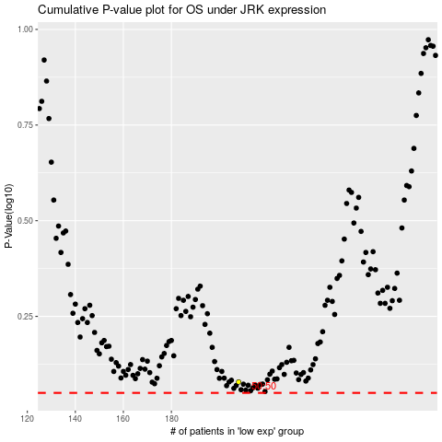

 |  |  |  |  |  | cases_OS | p_OS | rank | exp
 |  |  |  |  |  |  | cases_RFS | p_RFS | rank | exp

