JTB _multivariate
Reported by Tex Li-Hsing Chi. tex@gate.sinica.edu.tw 2019-08-18

Table 2. The clinicopathological features of HNSCC cohort and JTB expression. (Chi square test)
Cutoff at -0.284 (49.8%)
 |  | JTB expression |  | JTB expression |  | (Optimised)
 | Features | Low | (%) | High | (%) | Case no | P-value | Remark | Matthews
Gender | Female | 144 | 34.7 | 162 | 39 | 415 | 0.0697 | 0 | 0
2 | Male | 63 | 15.2 | 46 | 11.1
Age at diagnosis | <=65y | 136 | 32.8 | 138 | 33.3 | 415 | 0.9719 | 0 | 0
4 | >65y | 71 | 17.1 | 70 | 16.9
Clinical T Status | T1+T2 | 84 | 20.2 | 65 | 15.7 | 415 | 0.0603 | 0 | 0
6 | T3+T4 | 123 | 29.6 | 143 | 34.5
Clinical N Status | N0 | 110 | 26.5 | 106 | 25.5 | 415 | 0.7294 | 0 | 0
8 | N1-3 | 97 | 23.4 | 102 | 24.6
Clinical M Status | M0 | 207 | 49.9 | 205 | 49.4 | 415 | 0.2482 | 0 | 0
10 | M1 | 0 | 0 | 3 | 0.7
Clinical Stage | Stage I+II | 63 | 15.2 | 39 | 9.4 | 415 | 0.008 | 1 | 0
12 | Stage III+IV | 144 | 34.7 | 169 | 40.7
Surgical Margin status | Negative | 164 | 39.5 | 154 | 37.1 | 415 | 0.2462 | 0 | 0
14 | Positive | 43 | 10.4 | 54 | 13
Tobacco Exposure | Low | 94 | 22.7 | 67 | 16.1 | 415 | 0.0065 | 1 | 0
16 | High | 113 | 27.2 | 141 | 34

Table 3. Univariate/Multivariate Cox's proportional hazards regression analyses on OS time of JTB gene expression in HNSCC

 |  | Univariate |  |  |  | Multivariate
 | Features | HR | CI95%(L) | CI95%(H) | P-value | HR | CI95%(L) | CI95%(H) | P-value
1 | Female | 1 |  |  |  | 1
Gender | Male | 1.157 | 0.843 | 1.587 | 0.367 | 1.198 | 0.857 | 1.673 | 0.29
11 | <=65y | 1 |  |  |  | 1
Age at diagnosis | >65y | 1.329 | 0.99 | 1.784 | 0.058 | 1.389 | 1.021 | 1.89 | 0.036
12 | T1+T2 | 1 |  |  |  | 1
Clinical T Status | T3+T4 | 1.409 | 1.028 | 1.931 | 0.033 | 2.206 | 1.166 | 4.175 | 0.015
13 | N0 | 1 |  |  |  | 1
Clinical N Status | N1-3 | 1.185 | 0.89 | 1.577 | 0.246 | 1.235 | 0.866 | 1.762 | 0.244
14 | M0 | 1 |  |  |  | 1
Clinical M Status | M1 | 4.097 | 1.009 | 16.644 | 0.049 | 10.435 | 2.257 | 48.236 | 0.003
15 | Stage I+II | 1 |  |  |  | 1
Clinical Stage | Stage III+IV | 1.245 | 0.882 | 1.759 | 0.213 | 0.522 | 0.243 | 1.123 | 0.096
16 | Negative | 1 |  |  |  | 1
Surgical Margin status | Positive | 1.591 | 1.155 | 2.191 | 0.004 | 1.722 | 1.241 | 2.387 | 0.001
17 | Low | 1 |  |  |  | 1
Tobacco Exposure | High | 1.364 | 1.008 | 1.844 | 0.044 | 1.505 | 1.086 | 2.083 | 0.014
18 | Low | 1 |  |  |  | 1
RNAseq(z-score) | High | 0.947 | 0.711 | 1.262 | 0.712 | 0.816 | 0.604 | 1.101 | 0.184

Table 4. Univariate/Multivariate Cox's proportional hazards regression analyses on RFS time of JTB gene expression in HNSCC

 |  | Univariate |  |  |  | Multivariate
 | Features | HR | CI95%(L) | CI95%(H) | P-value | HR | CI95%(L) | CI95%(H) | P-value
1 | Female | 1 |  |  |  | 1
Gender | Male | 1.157 | 0.843 | 1.587 | 0.367 | 1.198 | 0.857 | 1.673 | 0.29
11 | <=65y | 1 |  |  |  | 1
Age at diagnosis | >65y | 1.329 | 0.99 | 1.784 | 0.058 | 1.389 | 1.021 | 1.89 | 0.036
12 | T1+T2 | 1 |  |  |  | 1
Clinical T Status | T3+T4 | 1.409 | 1.028 | 1.931 | 0.033 | 2.206 | 1.166 | 4.175 | 0.015
13 | N0 | 1 |  |  |  | 1
Clinical N Status | N1-3 | 1.185 | 0.89 | 1.577 | 0.246 | 1.235 | 0.866 | 1.762 | 0.244
14 | M0 | 1 |  |  |  | 1
Clinical M Status | M1 | 4.097 | 1.009 | 16.644 | 0.049 | 10.435 | 2.257 | 48.236 | 0.003
15 | Stage I+II | 1 |  |  |  | 1
Clinical Stage | Stage III+IV | 1.245 | 0.882 | 1.759 | 0.213 | 0.522 | 0.243 | 1.123 | 0.096
16 | Negative | 1 |  |  |  | 1
Surgical Margin status | Positive | 1.591 | 1.155 | 2.191 | 0.004 | 1.722 | 1.241 | 2.387 | 0.001
17 | Low | 1 |  |  |  | 1
Tobacco Exposure | High | 1.364 | 1.008 | 1.844 | 0.044 | 1.505 | 1.086 | 2.083 | 0.014
18 | Low | 1 |  |  |  | 1
RNAseq(z-score) | High | 0.947 | 0.711 | 1.262 | 0.712 | 0.816 | 0.604 | 1.101 | 0.184

Kaplan-Meier survival estimate: Cutoff at -0.284 (49.8%)



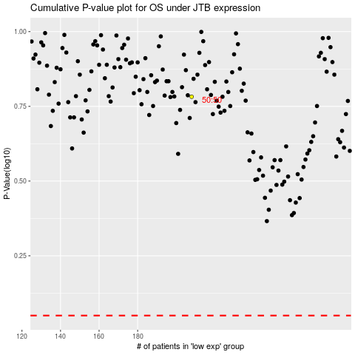

 |  |  |  |  |  | cases_OS | p_OS | rank | exp
 |  |  |  |  |  |  | cases_RFS | p_RFS | rank | exp

