JUB _multivariate
Reported by Tex Li-Hsing Chi. tex@gate.sinica.edu.tw 2019-08-18

Table 2. The clinicopathological features of HNSCC cohort and JUB expression. (Chi square test)
Cutoff at -0.124 (49.8%)
 |  | JUB expression |  | JUB expression |  | (Optimised)
 | Features | Low | (%) | High | (%) | Case no | P-value | Remark | Matthews
Gender | Female | 160 | 38.6 | 146 | 35.2 | 415 | 0.1254 | 0 | 0
2 | Male | 47 | 11.3 | 62 | 14.9
Age at diagnosis | <=65y | 139 | 33.5 | 135 | 32.5 | 415 | 0.7044 | 0 | 0
4 | >65y | 68 | 16.4 | 73 | 17.6
Clinical T Status | T1+T2 | 67 | 16.1 | 82 | 19.8 | 415 | 0.1628 | 0 | 0
6 | T3+T4 | 140 | 33.7 | 126 | 30.4
Clinical N Status | N0 | 94 | 22.7 | 122 | 29.4 | 415 | 0.0093 | 1 | 0
8 | N1-3 | 113 | 27.2 | 86 | 20.7
Clinical M Status | M0 | 206 | 49.6 | 206 | 49.6 | 415 | 1 | 0 | 0
10 | M1 | 1 | 0.2 | 2 | 0.5
Clinical Stage | Stage I+II | 38 | 9.2 | 64 | 15.4 | 415 | 0.0048 | 1 | 0
12 | Stage III+IV | 169 | 40.7 | 144 | 34.7
Surgical Margin status | Negative | 160 | 38.6 | 158 | 38.1 | 415 | 0.8167 | 0 | 0
14 | Positive | 47 | 11.3 | 50 | 12
Tobacco Exposure | Low | 71 | 17.1 | 90 | 21.7 | 415 | 0.0698 | 0 | 0
16 | High | 136 | 32.8 | 118 | 28.4

Table 3. Univariate/Multivariate Cox's proportional hazards regression analyses on OS time of JUB gene expression in HNSCC

 |  | Univariate |  |  |  | Multivariate
 | Features | HR | CI95%(L) | CI95%(H) | P-value | HR | CI95%(L) | CI95%(H) | P-value
1 | Female | 1 |  |  |  | 1
Gender | Male | 1.157 | 0.843 | 1.587 | 0.367 | 1.179 | 0.841 | 1.652 | 0.34
11 | <=65y | 1 |  |  |  | 1
Age at diagnosis | >65y | 1.329 | 0.99 | 1.784 | 0.058 | 1.393 | 1.024 | 1.893 | 0.035
12 | T1+T2 | 1 |  |  |  | 1
Clinical T Status | T3+T4 | 1.409 | 1.028 | 1.931 | 0.033 | 2.145 | 1.132 | 4.063 | 0.019
13 | N0 | 1 |  |  |  | 1
Clinical N Status | N1-3 | 1.185 | 0.89 | 1.577 | 0.246 | 1.293 | 0.904 | 1.849 | 0.159
14 | M0 | 1 |  |  |  | 1
Clinical M Status | M1 | 4.097 | 1.009 | 16.644 | 0.049 | 8.634 | 1.879 | 39.677 | 0.006
15 | Stage I+II | 1 |  |  |  | 1
Clinical Stage | Stage III+IV | 1.245 | 0.882 | 1.759 | 0.213 | 0.536 | 0.249 | 1.156 | 0.112
16 | Negative | 1 |  |  |  | 1
Surgical Margin status | Positive | 1.591 | 1.155 | 2.191 | 0.004 | 1.646 | 1.19 | 2.276 | 0.003
17 | Low | 1 |  |  |  | 1
Tobacco Exposure | High | 1.364 | 1.008 | 1.844 | 0.044 | 1.49 | 1.079 | 2.057 | 0.015
18 | Low | 1 |  |  |  | 1
RNAseq(z-score) | High | 1.297 | 0.972 | 1.731 | 0.078 | 1.364 | 1.013 | 1.838 | 0.041

Table 4. Univariate/Multivariate Cox's proportional hazards regression analyses on RFS time of JUB gene expression in HNSCC

 |  | Univariate |  |  |  | Multivariate
 | Features | HR | CI95%(L) | CI95%(H) | P-value | HR | CI95%(L) | CI95%(H) | P-value
1 | Female | 1 |  |  |  | 1
Gender | Male | 1.157 | 0.843 | 1.587 | 0.367 | 1.179 | 0.841 | 1.652 | 0.34
11 | <=65y | 1 |  |  |  | 1
Age at diagnosis | >65y | 1.329 | 0.99 | 1.784 | 0.058 | 1.393 | 1.024 | 1.893 | 0.035
12 | T1+T2 | 1 |  |  |  | 1
Clinical T Status | T3+T4 | 1.409 | 1.028 | 1.931 | 0.033 | 2.145 | 1.132 | 4.063 | 0.019
13 | N0 | 1 |  |  |  | 1
Clinical N Status | N1-3 | 1.185 | 0.89 | 1.577 | 0.246 | 1.293 | 0.904 | 1.849 | 0.159
14 | M0 | 1 |  |  |  | 1
Clinical M Status | M1 | 4.097 | 1.009 | 16.644 | 0.049 | 8.634 | 1.879 | 39.677 | 0.006
15 | Stage I+II | 1 |  |  |  | 1
Clinical Stage | Stage III+IV | 1.245 | 0.882 | 1.759 | 0.213 | 0.536 | 0.249 | 1.156 | 0.112
16 | Negative | 1 |  |  |  | 1
Surgical Margin status | Positive | 1.591 | 1.155 | 2.191 | 0.004 | 1.646 | 1.19 | 2.276 | 0.003
17 | Low | 1 |  |  |  | 1
Tobacco Exposure | High | 1.364 | 1.008 | 1.844 | 0.044 | 1.49 | 1.079 | 2.057 | 0.015
18 | Low | 1 |  |  |  | 1
RNAseq(z-score) | High | 1.297 | 0.972 | 1.731 | 0.078 | 1.364 | 1.013 | 1.838 | 0.041

Kaplan-Meier survival estimate: Cutoff at -0.124 (49.8%)



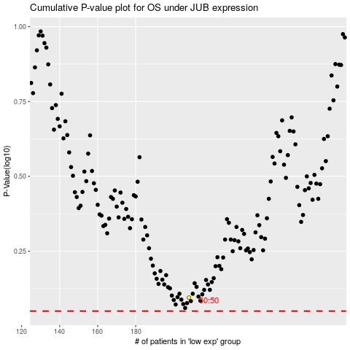

 |  |  |  |  |  | cases_OS | p_OS | rank | exp
 |  |  |  |  |  |  | cases_RFS | p_RFS | rank | exp

