JUN _multivariate
Reported by Tex Li-Hsing Chi. tex@gate.sinica.edu.tw 2019-08-18

Table 2. The clinicopathological features of HNSCC cohort and JUN expression. (Chi square test)
Cutoff at -0.241 (50.0%)
 |  | JUN expression |  | JUN expression |  | (Optimised)
 | Features | Low | (%) | High | (%) | Case no | P-value | Remark | Matthews
Gender | Female | 153 | 36.9 | 153 | 36.9 | 415 | 1 | 0 | 0
2 | Male | 54 | 13 | 55 | 13.3
Age at diagnosis | <=65y | 138 | 33.3 | 136 | 32.8 | 415 | 0.8634 | 0 | 0
4 | >65y | 69 | 16.6 | 72 | 17.3
Clinical T Status | T1+T2 | 65 | 15.7 | 84 | 20.2 | 415 | 0.0711 | 0 | 0
6 | T3+T4 | 142 | 34.2 | 124 | 29.9
Clinical N Status | N0 | 93 | 22.4 | 123 | 29.6 | 415 | 0.0051 | 1 | 0
8 | N1-3 | 114 | 27.5 | 85 | 20.5
Clinical M Status | M0 | 207 | 49.9 | 205 | 49.4 | 415 | 0.2482 | 0 | 0
10 | M1 | 0 | 0 | 3 | 0.7
Clinical Stage | Stage I+II | 41 | 9.9 | 61 | 14.7 | 415 | 0.0325 | 1 | 0
12 | Stage III+IV | 166 | 40 | 147 | 35.4
Surgical Margin status | Negative | 162 | 39 | 156 | 37.6 | 415 | 0.4867 | 0 | 0
14 | Positive | 45 | 10.8 | 52 | 12.5
Tobacco Exposure | Low | 74 | 17.8 | 87 | 21 | 415 | 0.227 | 0 | 0
16 | High | 133 | 32 | 121 | 29.2

Table 3. Univariate/Multivariate Cox's proportional hazards regression analyses on OS time of JUN gene expression in HNSCC

 |  | Univariate |  |  |  | Multivariate
 | Features | HR | CI95%(L) | CI95%(H) | P-value | HR | CI95%(L) | CI95%(H) | P-value
1 | Female | 1 |  |  |  | 1
Gender | Male | 1.157 | 0.843 | 1.587 | 0.367 | 1.202 | 0.86 | 1.679 | 0.281
11 | <=65y | 1 |  |  |  | 1
Age at diagnosis | >65y | 1.329 | 0.99 | 1.784 | 0.058 | 1.392 | 1.024 | 1.892 | 0.035
12 | T1+T2 | 1 |  |  |  | 1
Clinical T Status | T3+T4 | 1.409 | 1.028 | 1.931 | 0.033 | 2.202 | 1.165 | 4.164 | 0.015
13 | N0 | 1 |  |  |  | 1
Clinical N Status | N1-3 | 1.185 | 0.89 | 1.577 | 0.246 | 1.241 | 0.868 | 1.776 | 0.236
14 | M0 | 1 |  |  |  | 1
Clinical M Status | M1 | 4.097 | 1.009 | 16.644 | 0.049 | 9.384 | 2.024 | 43.518 | 0.004
15 | Stage I+II | 1 |  |  |  | 1
Clinical Stage | Stage III+IV | 1.245 | 0.882 | 1.759 | 0.213 | 0.505 | 0.235 | 1.085 | 0.08
16 | Negative | 1 |  |  |  | 1
Surgical Margin status | Positive | 1.591 | 1.155 | 2.191 | 0.004 | 1.671 | 1.206 | 2.315 | 0.002
17 | Low | 1 |  |  |  | 1
Tobacco Exposure | High | 1.364 | 1.008 | 1.844 | 0.044 | 1.453 | 1.055 | 2.002 | 0.022
18 | Low | 1 |  |  |  | 1
RNAseq(z-score) | High | 1.021 | 0.767 | 1.36 | 0.885 | 1.004 | 0.746 | 1.351 | 0.98

Table 4. Univariate/Multivariate Cox's proportional hazards regression analyses on RFS time of JUN gene expression in HNSCC

 |  | Univariate |  |  |  | Multivariate
 | Features | HR | CI95%(L) | CI95%(H) | P-value | HR | CI95%(L) | CI95%(H) | P-value
1 | Female | 1 |  |  |  | 1
Gender | Male | 1.157 | 0.843 | 1.587 | 0.367 | 1.202 | 0.86 | 1.679 | 0.281
11 | <=65y | 1 |  |  |  | 1
Age at diagnosis | >65y | 1.329 | 0.99 | 1.784 | 0.058 | 1.392 | 1.024 | 1.892 | 0.035
12 | T1+T2 | 1 |  |  |  | 1
Clinical T Status | T3+T4 | 1.409 | 1.028 | 1.931 | 0.033 | 2.202 | 1.165 | 4.164 | 0.015
13 | N0 | 1 |  |  |  | 1
Clinical N Status | N1-3 | 1.185 | 0.89 | 1.577 | 0.246 | 1.241 | 0.868 | 1.776 | 0.236
14 | M0 | 1 |  |  |  | 1
Clinical M Status | M1 | 4.097 | 1.009 | 16.644 | 0.049 | 9.384 | 2.024 | 43.518 | 0.004
15 | Stage I+II | 1 |  |  |  | 1
Clinical Stage | Stage III+IV | 1.245 | 0.882 | 1.759 | 0.213 | 0.505 | 0.235 | 1.085 | 0.08
16 | Negative | 1 |  |  |  | 1
Surgical Margin status | Positive | 1.591 | 1.155 | 2.191 | 0.004 | 1.671 | 1.206 | 2.315 | 0.002
17 | Low | 1 |  |  |  | 1
Tobacco Exposure | High | 1.364 | 1.008 | 1.844 | 0.044 | 1.453 | 1.055 | 2.002 | 0.022
18 | Low | 1 |  |  |  | 1
RNAseq(z-score) | High | 1.021 | 0.767 | 1.36 | 0.885 | 1.004 | 0.746 | 1.351 | 0.98

Kaplan-Meier survival estimate: Cutoff at -0.241 (50.0%)



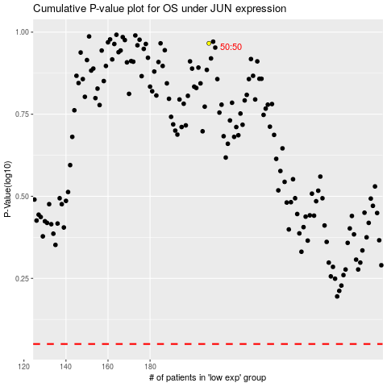

 |  |  |  |  |  | cases_OS | p_OS | rank | exp
 |  |  |  |  |  |  | cases_RFS | p_RFS | rank | exp

