KALRN _multivariate
Reported by Tex Li-Hsing Chi. tex@gate.sinica.edu.tw 2019-08-18

Table 2. The clinicopathological features of HNSCC cohort and KALRN expression. (Chi square test)
Cutoff at -0.361 (50.0%)
 |  | KALRN expression |  | KALRN expression |  | (Optimised)
 | Features | Low | (%) | High | (%) | Case no | P-value | Remark | Matthews
Gender | Female | 159 | 38.3 | 147 | 35.4 | 415 | 0.1905 | 0 | 0
2 | Male | 48 | 11.6 | 61 | 14.7
Age at diagnosis | <=65y | 144 | 34.7 | 130 | 31.3 | 415 | 0.1568 | 0 | 0
4 | >65y | 63 | 15.2 | 78 | 18.8
Clinical T Status | T1+T2 | 74 | 17.8 | 75 | 18.1 | 415 | 1 | 0 | 0
6 | T3+T4 | 133 | 32 | 133 | 32
Clinical N Status | N0 | 102 | 24.6 | 114 | 27.5 | 415 | 0.3031 | 0 | 0
8 | N1-3 | 105 | 25.3 | 94 | 22.7
Clinical M Status | M0 | 204 | 49.2 | 208 | 50.1 | 415 | 0.1232 | 0 | 0
10 | M1 | 3 | 0.7 | 0 | 0
Clinical Stage | Stage I+II | 48 | 11.6 | 54 | 13 | 415 | 0.5878 | 0 | 0
12 | Stage III+IV | 159 | 38.3 | 154 | 37.1
Surgical Margin status | Negative | 159 | 38.3 | 159 | 38.3 | 415 | 1 | 0 | 0
14 | Positive | 48 | 11.6 | 49 | 11.8
Tobacco Exposure | Low | 79 | 19 | 82 | 19.8 | 415 | 0.8405 | 0 | 0
16 | High | 128 | 30.8 | 126 | 30.4

Table 3. Univariate/Multivariate Cox's proportional hazards regression analyses on OS time of KALRN gene expression in HNSCC

 |  | Univariate |  |  |  | Multivariate
 | Features | HR | CI95%(L) | CI95%(H) | P-value | HR | CI95%(L) | CI95%(H) | P-value
1 | Female | 1 |  |  |  | 1
Gender | Male | 1.157 | 0.843 | 1.587 | 0.367 | 1.229 | 0.878 | 1.721 | 0.229
11 | <=65y | 1 |  |  |  | 1
Age at diagnosis | >65y | 1.329 | 0.99 | 1.784 | 0.058 | 1.425 | 1.047 | 1.94 | 0.024
12 | T1+T2 | 1 |  |  |  | 1
Clinical T Status | T3+T4 | 1.409 | 1.028 | 1.931 | 0.033 | 2.187 | 1.157 | 4.132 | 0.016
13 | N0 | 1 |  |  |  | 1
Clinical N Status | N1-3 | 1.185 | 0.89 | 1.577 | 0.246 | 1.218 | 0.853 | 1.74 | 0.279
14 | M0 | 1 |  |  |  | 1
Clinical M Status | M1 | 4.097 | 1.009 | 16.644 | 0.049 | 8.527 | 1.853 | 39.252 | 0.006
15 | Stage I+II | 1 |  |  |  | 1
Clinical Stage | Stage III+IV | 1.245 | 0.882 | 1.759 | 0.213 | 0.507 | 0.236 | 1.088 | 0.081
16 | Negative | 1 |  |  |  | 1
Surgical Margin status | Positive | 1.591 | 1.155 | 2.191 | 0.004 | 1.676 | 1.213 | 2.315 | 0.002
17 | Low | 1 |  |  |  | 1
Tobacco Exposure | High | 1.364 | 1.008 | 1.844 | 0.044 | 1.49 | 1.078 | 2.06 | 0.016
18 | Low | 1 |  |  |  | 1
RNAseq(z-score) | High | 0.82 | 0.615 | 1.093 | 0.175 | 0.792 | 0.591 | 1.062 | 0.119

Table 4. Univariate/Multivariate Cox's proportional hazards regression analyses on RFS time of KALRN gene expression in HNSCC

 |  | Univariate |  |  |  | Multivariate
 | Features | HR | CI95%(L) | CI95%(H) | P-value | HR | CI95%(L) | CI95%(H) | P-value
1 | Female | 1 |  |  |  | 1
Gender | Male | 1.157 | 0.843 | 1.587 | 0.367 | 1.229 | 0.878 | 1.721 | 0.229
11 | <=65y | 1 |  |  |  | 1
Age at diagnosis | >65y | 1.329 | 0.99 | 1.784 | 0.058 | 1.425 | 1.047 | 1.94 | 0.024
12 | T1+T2 | 1 |  |  |  | 1
Clinical T Status | T3+T4 | 1.409 | 1.028 | 1.931 | 0.033 | 2.187 | 1.157 | 4.132 | 0.016
13 | N0 | 1 |  |  |  | 1
Clinical N Status | N1-3 | 1.185 | 0.89 | 1.577 | 0.246 | 1.218 | 0.853 | 1.74 | 0.279
14 | M0 | 1 |  |  |  | 1
Clinical M Status | M1 | 4.097 | 1.009 | 16.644 | 0.049 | 8.527 | 1.853 | 39.252 | 0.006
15 | Stage I+II | 1 |  |  |  | 1
Clinical Stage | Stage III+IV | 1.245 | 0.882 | 1.759 | 0.213 | 0.507 | 0.236 | 1.088 | 0.081
16 | Negative | 1 |  |  |  | 1
Surgical Margin status | Positive | 1.591 | 1.155 | 2.191 | 0.004 | 1.676 | 1.213 | 2.315 | 0.002
17 | Low | 1 |  |  |  | 1
Tobacco Exposure | High | 1.364 | 1.008 | 1.844 | 0.044 | 1.49 | 1.078 | 2.06 | 0.016
18 | Low | 1 |  |  |  | 1
RNAseq(z-score) | High | 0.82 | 0.615 | 1.093 | 0.175 | 0.792 | 0.591 | 1.062 | 0.119

Kaplan-Meier survival estimate: Cutoff at -0.361 (50.0%)



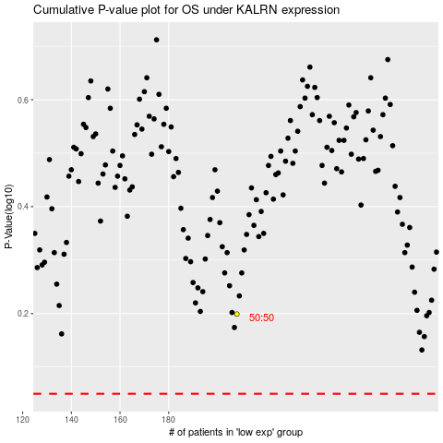

 |  |  |  |  |  | cases_OS | p_OS | rank | exp
 |  |  |  |  |  |  | cases_RFS | p_RFS | rank | exp

