KANK1 _multivariate
Reported by Tex Li-Hsing Chi. tex@gate.sinica.edu.tw 2019-08-18

Table 2. The clinicopathological features of HNSCC cohort and KANK1 expression. (Chi square test)
Cutoff at -0.31 (50.0%)
 |  | KANK1 expression |  | KANK1 expression |  | (Optimised)
 | Features | Low | (%) | High | (%) | Case no | P-value | Remark | Matthews
Gender | Female | 165 | 39.8 | 141 | 34 | 415 | 0.0081 | 1 | 0
2 | Male | 42 | 10.1 | 67 | 16.1
Age at diagnosis | <=65y | 134 | 32.3 | 140 | 33.7 | 415 | 0.6529 | 0 | 0
4 | >65y | 73 | 17.6 | 68 | 16.4
Clinical T Status | T1+T2 | 63 | 15.2 | 86 | 20.7 | 415 | 0.0268 | 1 | 0
6 | T3+T4 | 144 | 34.7 | 122 | 29.4
Clinical N Status | N0 | 92 | 22.2 | 124 | 29.9 | 415 | 0.0027 | 1 | 0
8 | N1-3 | 115 | 27.7 | 84 | 20.2
Clinical M Status | M0 | 205 | 49.4 | 207 | 49.9 | 415 | 0.6232 | 0 | 0
10 | M1 | 2 | 0.5 | 1 | 0.2
Clinical Stage | Stage I+II | 37 | 8.9 | 65 | 15.7 | 415 | 0.0023 | 1 | 0
12 | Stage III+IV | 170 | 41 | 143 | 34.5
Surgical Margin status | Negative | 157 | 37.8 | 161 | 38.8 | 415 | 0.729 | 0 | 0
14 | Positive | 50 | 12 | 47 | 11.3
Tobacco Exposure | Low | 62 | 14.9 | 99 | 23.9 | 415 | 3e-04 | 1 | 0
16 | High | 145 | 34.9 | 109 | 26.3

Table 3. Univariate/Multivariate Cox's proportional hazards regression analyses on OS time of KANK1 gene expression in HNSCC

 |  | Univariate |  |  |  | Multivariate
 | Features | HR | CI95%(L) | CI95%(H) | P-value | HR | CI95%(L) | CI95%(H) | P-value
1 | Female | 1 |  |  |  | 1
Gender | Male | 1.157 | 0.843 | 1.587 | 0.367 | 1.197 | 0.856 | 1.673 | 0.294
11 | <=65y | 1 |  |  |  | 1
Age at diagnosis | >65y | 1.329 | 0.99 | 1.784 | 0.058 | 1.397 | 1.027 | 1.9 | 0.033
12 | T1+T2 | 1 |  |  |  | 1
Clinical T Status | T3+T4 | 1.409 | 1.028 | 1.931 | 0.033 | 2.206 | 1.167 | 4.173 | 0.015
13 | N0 | 1 |  |  |  | 1
Clinical N Status | N1-3 | 1.185 | 0.89 | 1.577 | 0.246 | 1.254 | 0.876 | 1.796 | 0.217
14 | M0 | 1 |  |  |  | 1
Clinical M Status | M1 | 4.097 | 1.009 | 16.644 | 0.049 | 9.527 | 2.076 | 43.727 | 0.004
15 | Stage I+II | 1 |  |  |  | 1
Clinical Stage | Stage III+IV | 1.245 | 0.882 | 1.759 | 0.213 | 0.508 | 0.236 | 1.091 | 0.082
16 | Negative | 1 |  |  |  | 1
Surgical Margin status | Positive | 1.591 | 1.155 | 2.191 | 0.004 | 1.675 | 1.212 | 2.316 | 0.002
17 | Low | 1 |  |  |  | 1
Tobacco Exposure | High | 1.364 | 1.008 | 1.844 | 0.044 | 1.465 | 1.061 | 2.025 | 0.021
18 | Low | 1 |  |  |  | 1
RNAseq(z-score) | High | 0.934 | 0.701 | 1.245 | 0.643 | 1.063 | 0.786 | 1.438 | 0.692

Table 4. Univariate/Multivariate Cox's proportional hazards regression analyses on RFS time of KANK1 gene expression in HNSCC

 |  | Univariate |  |  |  | Multivariate
 | Features | HR | CI95%(L) | CI95%(H) | P-value | HR | CI95%(L) | CI95%(H) | P-value
1 | Female | 1 |  |  |  | 1
Gender | Male | 1.157 | 0.843 | 1.587 | 0.367 | 1.197 | 0.856 | 1.673 | 0.294
11 | <=65y | 1 |  |  |  | 1
Age at diagnosis | >65y | 1.329 | 0.99 | 1.784 | 0.058 | 1.397 | 1.027 | 1.9 | 0.033
12 | T1+T2 | 1 |  |  |  | 1
Clinical T Status | T3+T4 | 1.409 | 1.028 | 1.931 | 0.033 | 2.206 | 1.167 | 4.173 | 0.015
13 | N0 | 1 |  |  |  | 1
Clinical N Status | N1-3 | 1.185 | 0.89 | 1.577 | 0.246 | 1.254 | 0.876 | 1.796 | 0.217
14 | M0 | 1 |  |  |  | 1
Clinical M Status | M1 | 4.097 | 1.009 | 16.644 | 0.049 | 9.527 | 2.076 | 43.727 | 0.004
15 | Stage I+II | 1 |  |  |  | 1
Clinical Stage | Stage III+IV | 1.245 | 0.882 | 1.759 | 0.213 | 0.508 | 0.236 | 1.091 | 0.082
16 | Negative | 1 |  |  |  | 1
Surgical Margin status | Positive | 1.591 | 1.155 | 2.191 | 0.004 | 1.675 | 1.212 | 2.316 | 0.002
17 | Low | 1 |  |  |  | 1
Tobacco Exposure | High | 1.364 | 1.008 | 1.844 | 0.044 | 1.465 | 1.061 | 2.025 | 0.021
18 | Low | 1 |  |  |  | 1
RNAseq(z-score) | High | 0.934 | 0.701 | 1.245 | 0.643 | 1.063 | 0.786 | 1.438 | 0.692

Kaplan-Meier survival estimate: Cutoff at -0.31 (50.0%)



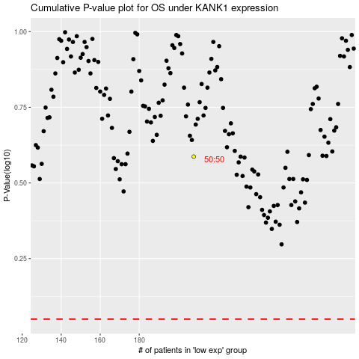

 |  |  |  |  |  | cases_OS | p_OS | rank | exp
 |  |  |  |  |  |  | cases_RFS | p_RFS | rank | exp

