KANK4 _multivariate
Reported by Tex Li-Hsing Chi. tex@gate.sinica.edu.tw 2019-08-18

Table 2. The clinicopathological features of HNSCC cohort and KANK4 expression. (Chi square test)
Cutoff at -0.461 (30.4%)
 |  | KANK4 expression |  | KANK4 expression |  | (Optimised)
 | Features | Low | (%) | High | (%) | Case no | P-value | Remark | Matthews
Gender | Female | 98 | 23.6 | 208 | 50.1 | 415 | 0.2651 | 0 | 0
2 | Male | 28 | 6.7 | 81 | 19.5
Age at diagnosis | <=65y | 88 | 21.2 | 186 | 44.8 | 415 | 0.3314 | 0 | 0
4 | >65y | 38 | 9.2 | 103 | 24.8
Clinical T Status | T1+T2 | 46 | 11.1 | 103 | 24.8 | 415 | 0.9536 | 0 | 0
6 | T3+T4 | 80 | 19.3 | 186 | 44.8
Clinical N Status | N0 | 67 | 16.1 | 149 | 35.9 | 415 | 0.8443 | 0 | 0
8 | N1-3 | 59 | 14.2 | 140 | 33.7
Clinical M Status | M0 | 126 | 30.4 | 286 | 68.9 | 415 | 0.5566 | 0 | 0
10 | M1 | 0 | 0 | 3 | 0.7
Clinical Stage | Stage I+II | 28 | 6.7 | 74 | 17.8 | 415 | 0.5405 | 0 | 0
12 | Stage III+IV | 98 | 23.6 | 215 | 51.8
Surgical Margin status | Negative | 94 | 22.7 | 224 | 54 | 415 | 0.53 | 0 | 0
14 | Positive | 32 | 7.7 | 65 | 15.7
Tobacco Exposure | Low | 53 | 12.8 | 108 | 26 | 415 | 0.3823 | 0 | 0
16 | High | 73 | 17.6 | 181 | 43.6

Table 3. Univariate/Multivariate Cox's proportional hazards regression analyses on OS time of KANK4 gene expression in HNSCC

 |  | Univariate |  |  |  | Multivariate
 | Features | HR | CI95%(L) | CI95%(H) | P-value | HR | CI95%(L) | CI95%(H) | P-value
1 | Female | 1 |  |  |  | 1
Gender | Male | 1.157 | 0.843 | 1.587 | 0.367 | 1.185 | 0.849 | 1.656 | 0.318
11 | <=65y | 1 |  |  |  | 1
Age at diagnosis | >65y | 1.329 | 0.99 | 1.784 | 0.058 | 1.379 | 1.015 | 1.875 | 0.04
12 | T1+T2 | 1 |  |  |  | 1
Clinical T Status | T3+T4 | 1.409 | 1.028 | 1.931 | 0.033 | 2.102 | 1.11 | 3.98 | 0.023
13 | N0 | 1 |  |  |  | 1
Clinical N Status | N1-3 | 1.185 | 0.89 | 1.577 | 0.246 | 1.208 | 0.846 | 1.724 | 0.299
14 | M0 | 1 |  |  |  | 1
Clinical M Status | M1 | 4.097 | 1.009 | 16.644 | 0.049 | 8.213 | 1.783 | 37.829 | 0.007
15 | Stage I+II | 1 |  |  |  | 1
Clinical Stage | Stage III+IV | 1.245 | 0.882 | 1.759 | 0.213 | 0.548 | 0.254 | 1.182 | 0.125
16 | Negative | 1 |  |  |  | 1
Surgical Margin status | Positive | 1.591 | 1.155 | 2.191 | 0.004 | 1.652 | 1.195 | 2.284 | 0.002
17 | Low | 1 |  |  |  | 1
Tobacco Exposure | High | 1.364 | 1.008 | 1.844 | 0.044 | 1.42 | 1.03 | 1.957 | 0.032
18 | Low | 1 |  |  |  | 1
RNAseq(z-score) | High | 1.489 | 1.067 | 2.078 | 0.019 | 1.393 | 0.995 | 1.952 | 0.054

Table 4. Univariate/Multivariate Cox's proportional hazards regression analyses on RFS time of KANK4 gene expression in HNSCC

 |  | Univariate |  |  |  | Multivariate
 | Features | HR | CI95%(L) | CI95%(H) | P-value | HR | CI95%(L) | CI95%(H) | P-value
1 | Female | 1 |  |  |  | 1
Gender | Male | 1.157 | 0.843 | 1.587 | 0.367 | 1.185 | 0.849 | 1.656 | 0.318
11 | <=65y | 1 |  |  |  | 1
Age at diagnosis | >65y | 1.329 | 0.99 | 1.784 | 0.058 | 1.379 | 1.015 | 1.875 | 0.04
12 | T1+T2 | 1 |  |  |  | 1
Clinical T Status | T3+T4 | 1.409 | 1.028 | 1.931 | 0.033 | 2.102 | 1.11 | 3.98 | 0.023
13 | N0 | 1 |  |  |  | 1
Clinical N Status | N1-3 | 1.185 | 0.89 | 1.577 | 0.246 | 1.208 | 0.846 | 1.724 | 0.299
14 | M0 | 1 |  |  |  | 1
Clinical M Status | M1 | 4.097 | 1.009 | 16.644 | 0.049 | 8.213 | 1.783 | 37.829 | 0.007
15 | Stage I+II | 1 |  |  |  | 1
Clinical Stage | Stage III+IV | 1.245 | 0.882 | 1.759 | 0.213 | 0.548 | 0.254 | 1.182 | 0.125
16 | Negative | 1 |  |  |  | 1
Surgical Margin status | Positive | 1.591 | 1.155 | 2.191 | 0.004 | 1.652 | 1.195 | 2.284 | 0.002
17 | Low | 1 |  |  |  | 1
Tobacco Exposure | High | 1.364 | 1.008 | 1.844 | 0.044 | 1.42 | 1.03 | 1.957 | 0.032
18 | Low | 1 |  |  |  | 1
RNAseq(z-score) | High | 1.489 | 1.067 | 2.078 | 0.019 | 1.393 | 0.995 | 1.952 | 0.054

Kaplan-Meier survival estimate: Cutoff at -0.461 (30.4%)

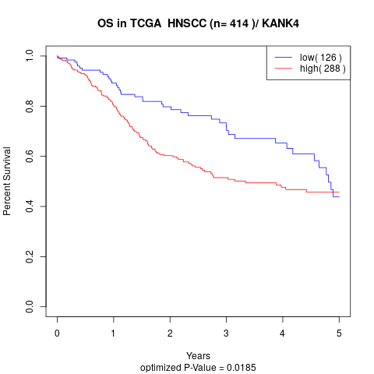

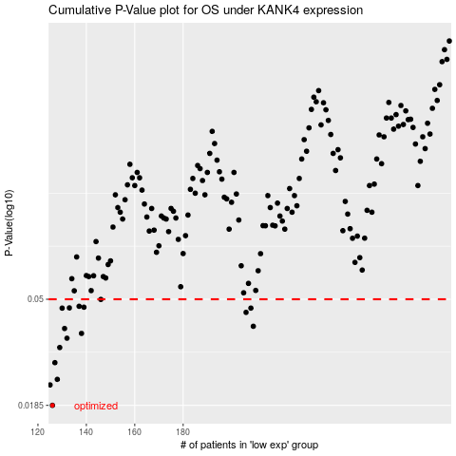

 |  |  |  |  |  | cases_OS | p_OS | rank | exp
 |  |  |  |  |  | 126 | 0.0185 | 99 | -0.46058763646
 |  |  |  |  |  | 125 | 0.0224 | 93 | -0.46158858241
 |  |  |  |  |  | 128 | 0.0236 | 125 | -0.45819062784
 |  |  |  |  |  | 127 | 0.0276 | 295 | -0.46004942209
 |  |  |  |  |  | 129 | 0.0318 | 216 | -0.45806965869
 |  |  |  |  |  | 132 | 0.0347 | 339 | -0.4552266378
 |  |  |  |  |  | 138 | 0.0363 | 236 | -0.44756230786
 |  |  |  |  |  | 131 | 0.038 | 348 | -0.45689906088
 |  |  |  |  |  | 209 | 0.0388 | 108 | -0.32792160597
 |  |  |  |  |  | 206 | 0.0442 | 69 | -0.33201414966
 |  |  |  |  |  | 208 | 0.046 | 134 | -0.32813772768
 |  |  |  |  |  | 130 | 0.046 | 286 | -0.4577416651
 |  |  |  |  |  | 133 | 0.0461 | 137 | -0.45520131296
 |  |  |  |  |  | 139 | 0.0464 | 204 | -0.44754214633
 |  |  |  |  |  | 137 | 0.0468 | 406 | -0.44830041637
 |  |  |  |  |  | 146 | 0.0499 | 107 | -0.43745548292
 |  |  |  |  |  |  | cases_RFS | p_RFS | rank | exp
 |  |  |  |  |  |  | 125 | 0.0185 | 93 | -0.46158858241
 |  |  |  |  |  |  |  | 0.0224 | 25 | -0.46177397009
 |  |  |  |  |  |  | 127 | 0.0236 | 295 | -0.46004942209
 |  |  |  |  |  |  | 126 | 0.0276 | 99 | -0.46058763646
 |  |  |  |  |  |  | 128 | 0.0318 | 125 | -0.45819062784
 |  |  |  |  |  |  | 131 | 0.0347 | 348 | -0.45689906088
 |  |  |  |  |  |  | 137 | 0.0363 | 406 | -0.44830041637
 |  |  |  |  |  |  | 130 | 0.038 | 286 | -0.4577416651
 |  |  |  |  |  |  | 208 | 0.0388 | 134 | -0.32813772768
 |  |  |  |  |  |  | 205 | 0.0442 | 329 | -0.33752635976
 |  |  |  |  |  |  | 207 | 0.046 | 166 | -0.3295404289
 |  |  |  |  |  |  | 129 | 0.046 | 216 | -0.45806965869
 |  |  |  |  |  |  | 132 | 0.0461 | 339 | -0.4552266378
 |  |  |  |  |  |  | 138 | 0.0464 | 236 | -0.44756230786
 |  |  |  |  |  |  | 136 | 0.0468 | 205 | -0.4503755782
 |  |  |  |  |  |  | 145 | 0.0499 | 183 | -0.43921666589

