KAT2A _multivariate
Reported by Tex Li-Hsing Chi. tex@gate.sinica.edu.tw 2019-08-18

Table 2. The clinicopathological features of HNSCC cohort and KAT2A expression. (Chi square test)
Cutoff at -0.138 (49.8%)
 |  | KAT2A expression |  | KAT2A expression |  | (Optimised)
 | Features | Low | (%) | High | (%) | Case no | P-value | Remark | Matthews
Gender | Female | 149 | 35.9 | 157 | 37.8 | 415 | 0.4848 | 0 | 0
2 | Male | 58 | 14 | 51 | 12.3
Age at diagnosis | <=65y | 138 | 33.3 | 136 | 32.8 | 415 | 0.8634 | 0 | 0
4 | >65y | 69 | 16.6 | 72 | 17.3
Clinical T Status | T1+T2 | 86 | 20.7 | 63 | 15.2 | 415 | 0.0221 | 1 | 0
6 | T3+T4 | 121 | 29.2 | 145 | 34.9
Clinical N Status | N0 | 106 | 25.5 | 110 | 26.5 | 415 | 0.8075 | 0 | 0
8 | N1-3 | 101 | 24.3 | 98 | 23.6
Clinical M Status | M0 | 206 | 49.6 | 206 | 49.6 | 415 | 1 | 0 | 0
10 | M1 | 1 | 0.2 | 2 | 0.5
Clinical Stage | Stage I+II | 60 | 14.5 | 42 | 10.1 | 415 | 0.0493 | 1 | 0
12 | Stage III+IV | 147 | 35.4 | 166 | 40
Surgical Margin status | Negative | 160 | 38.6 | 158 | 38.1 | 415 | 0.8167 | 0 | 0
14 | Positive | 47 | 11.3 | 50 | 12
Tobacco Exposure | Low | 96 | 23.1 | 65 | 15.7 | 415 | 0.0018 | 1 | 0
16 | High | 111 | 26.7 | 143 | 34.5

Table 3. Univariate/Multivariate Cox's proportional hazards regression analyses on OS time of KAT2A gene expression in HNSCC

 |  | Univariate |  |  |  | Multivariate
 | Features | HR | CI95%(L) | CI95%(H) | P-value | HR | CI95%(L) | CI95%(H) | P-value
1 | Female | 1 |  |  |  | 1
Gender | Male | 1.157 | 0.843 | 1.587 | 0.367 | 1.206 | 0.865 | 1.682 | 0.269
11 | <=65y | 1 |  |  |  | 1
Age at diagnosis | >65y | 1.329 | 0.99 | 1.784 | 0.058 | 1.419 | 1.043 | 1.931 | 0.026
12 | T1+T2 | 1 |  |  |  | 1
Clinical T Status | T3+T4 | 1.409 | 1.028 | 1.931 | 0.033 | 2.239 | 1.184 | 4.235 | 0.013
13 | N0 | 1 |  |  |  | 1
Clinical N Status | N1-3 | 1.185 | 0.89 | 1.577 | 0.246 | 1.211 | 0.849 | 1.729 | 0.291
14 | M0 | 1 |  |  |  | 1
Clinical M Status | M1 | 4.097 | 1.009 | 16.644 | 0.049 | 9.83 | 2.142 | 45.12 | 0.003
15 | Stage I+II | 1 |  |  |  | 1
Clinical Stage | Stage III+IV | 1.245 | 0.882 | 1.759 | 0.213 | 0.52 | 0.242 | 1.117 | 0.094
16 | Negative | 1 |  |  |  | 1
Surgical Margin status | Positive | 1.591 | 1.155 | 2.191 | 0.004 | 1.69 | 1.223 | 2.336 | 0.001
17 | Low | 1 |  |  |  | 1
Tobacco Exposure | High | 1.364 | 1.008 | 1.844 | 0.044 | 1.53 | 1.103 | 2.12 | 0.011
18 | Low | 1 |  |  |  | 1
RNAseq(z-score) | High | 0.908 | 0.681 | 1.21 | 0.509 | 0.789 | 0.586 | 1.063 | 0.12

Table 4. Univariate/Multivariate Cox's proportional hazards regression analyses on RFS time of KAT2A gene expression in HNSCC

 |  | Univariate |  |  |  | Multivariate
 | Features | HR | CI95%(L) | CI95%(H) | P-value | HR | CI95%(L) | CI95%(H) | P-value
1 | Female | 1 |  |  |  | 1
Gender | Male | 1.157 | 0.843 | 1.587 | 0.367 | 1.206 | 0.865 | 1.682 | 0.269
11 | <=65y | 1 |  |  |  | 1
Age at diagnosis | >65y | 1.329 | 0.99 | 1.784 | 0.058 | 1.419 | 1.043 | 1.931 | 0.026
12 | T1+T2 | 1 |  |  |  | 1
Clinical T Status | T3+T4 | 1.409 | 1.028 | 1.931 | 0.033 | 2.239 | 1.184 | 4.235 | 0.013
13 | N0 | 1 |  |  |  | 1
Clinical N Status | N1-3 | 1.185 | 0.89 | 1.577 | 0.246 | 1.211 | 0.849 | 1.729 | 0.291
14 | M0 | 1 |  |  |  | 1
Clinical M Status | M1 | 4.097 | 1.009 | 16.644 | 0.049 | 9.83 | 2.142 | 45.12 | 0.003
15 | Stage I+II | 1 |  |  |  | 1
Clinical Stage | Stage III+IV | 1.245 | 0.882 | 1.759 | 0.213 | 0.52 | 0.242 | 1.117 | 0.094
16 | Negative | 1 |  |  |  | 1
Surgical Margin status | Positive | 1.591 | 1.155 | 2.191 | 0.004 | 1.69 | 1.223 | 2.336 | 0.001
17 | Low | 1 |  |  |  | 1
Tobacco Exposure | High | 1.364 | 1.008 | 1.844 | 0.044 | 1.53 | 1.103 | 2.12 | 0.011
18 | Low | 1 |  |  |  | 1
RNAseq(z-score) | High | 0.908 | 0.681 | 1.21 | 0.509 | 0.789 | 0.586 | 1.063 | 0.12

Kaplan-Meier survival estimate: Cutoff at -0.138 (49.8%)



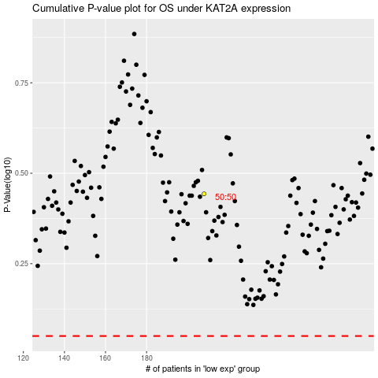

 |  |  |  |  |  | cases_OS | p_OS | rank | exp
 |  |  |  |  |  |  | cases_RFS | p_RFS | rank | exp

