KAT2B _multivariate
Reported by Tex Li-Hsing Chi. tex@gate.sinica.edu.tw 2019-08-18

Table 2. The clinicopathological features of HNSCC cohort and KAT2B expression. (Chi square test)
Cutoff at -0.331 (50.0%)
 |  | KAT2B expression |  | KAT2B expression |  | (Optimised)
 | Features | Low | (%) | High | (%) | Case no | P-value | Remark | Matthews
Gender | Female | 165 | 39.8 | 141 | 34 | 415 | 0.0081 | 1 | 0
2 | Male | 42 | 10.1 | 67 | 16.1
Age at diagnosis | <=65y | 141 | 34 | 133 | 32 | 415 | 0.4272 | 0 | 0
4 | >65y | 66 | 15.9 | 75 | 18.1
Clinical T Status | T1+T2 | 58 | 14 | 91 | 21.9 | 415 | 0.0012 | 1 | 0
6 | T3+T4 | 149 | 35.9 | 117 | 28.2
Clinical N Status | N0 | 108 | 26 | 108 | 26 | 415 | 1 | 0 | 0
8 | N1-3 | 99 | 23.9 | 100 | 24.1
Clinical M Status | M0 | 204 | 49.2 | 208 | 50.1 | 415 | 0.1232 | 0 | 0
10 | M1 | 3 | 0.7 | 0 | 0
Clinical Stage | Stage I+II | 41 | 9.9 | 61 | 14.7 | 415 | 0.0325 | 1 | 0
12 | Stage III+IV | 166 | 40 | 147 | 35.4
Surgical Margin status | Negative | 160 | 38.6 | 158 | 38.1 | 415 | 0.8167 | 0 | 0
14 | Positive | 47 | 11.3 | 50 | 12
Tobacco Exposure | Low | 62 | 14.9 | 99 | 23.9 | 415 | 3e-04 | 1 | 0
16 | High | 145 | 34.9 | 109 | 26.3

Table 3. Univariate/Multivariate Cox's proportional hazards regression analyses on OS time of KAT2B gene expression in HNSCC

 |  | Univariate |  |  |  | Multivariate
 | Features | HR | CI95%(L) | CI95%(H) | P-value | HR | CI95%(L) | CI95%(H) | P-value
1 | Female | 1 |  |  |  | 1
Gender | Male | 1.157 | 0.843 | 1.587 | 0.367 | 1.198 | 0.857 | 1.675 | 0.29
11 | <=65y | 1 |  |  |  | 1
Age at diagnosis | >65y | 1.329 | 0.99 | 1.784 | 0.058 | 1.388 | 1.02 | 1.888 | 0.037
12 | T1+T2 | 1 |  |  |  | 1
Clinical T Status | T3+T4 | 1.409 | 1.028 | 1.931 | 0.033 | 2.223 | 1.17 | 4.223 | 0.015
13 | N0 | 1 |  |  |  | 1
Clinical N Status | N1-3 | 1.185 | 0.89 | 1.577 | 0.246 | 1.24 | 0.869 | 1.769 | 0.235
14 | M0 | 1 |  |  |  | 1
Clinical M Status | M1 | 4.097 | 1.009 | 16.644 | 0.049 | 9.631 | 2.073 | 44.744 | 0.004
15 | Stage I+II | 1 |  |  |  | 1
Clinical Stage | Stage III+IV | 1.245 | 0.882 | 1.759 | 0.213 | 0.504 | 0.235 | 1.081 | 0.078
16 | Negative | 1 |  |  |  | 1
Surgical Margin status | Positive | 1.591 | 1.155 | 2.191 | 0.004 | 1.674 | 1.211 | 2.313 | 0.002
17 | Low | 1 |  |  |  | 1
Tobacco Exposure | High | 1.364 | 1.008 | 1.844 | 0.044 | 1.46 | 1.057 | 2.017 | 0.022
18 | Low | 1 |  |  |  | 1
RNAseq(z-score) | High | 0.925 | 0.694 | 1.232 | 0.594 | 1.036 | 0.767 | 1.399 | 0.818

Table 4. Univariate/Multivariate Cox's proportional hazards regression analyses on RFS time of KAT2B gene expression in HNSCC

 |  | Univariate |  |  |  | Multivariate
 | Features | HR | CI95%(L) | CI95%(H) | P-value | HR | CI95%(L) | CI95%(H) | P-value
1 | Female | 1 |  |  |  | 1
Gender | Male | 1.157 | 0.843 | 1.587 | 0.367 | 1.198 | 0.857 | 1.675 | 0.29
11 | <=65y | 1 |  |  |  | 1
Age at diagnosis | >65y | 1.329 | 0.99 | 1.784 | 0.058 | 1.388 | 1.02 | 1.888 | 0.037
12 | T1+T2 | 1 |  |  |  | 1
Clinical T Status | T3+T4 | 1.409 | 1.028 | 1.931 | 0.033 | 2.223 | 1.17 | 4.223 | 0.015
13 | N0 | 1 |  |  |  | 1
Clinical N Status | N1-3 | 1.185 | 0.89 | 1.577 | 0.246 | 1.24 | 0.869 | 1.769 | 0.235
14 | M0 | 1 |  |  |  | 1
Clinical M Status | M1 | 4.097 | 1.009 | 16.644 | 0.049 | 9.631 | 2.073 | 44.744 | 0.004
15 | Stage I+II | 1 |  |  |  | 1
Clinical Stage | Stage III+IV | 1.245 | 0.882 | 1.759 | 0.213 | 0.504 | 0.235 | 1.081 | 0.078
16 | Negative | 1 |  |  |  | 1
Surgical Margin status | Positive | 1.591 | 1.155 | 2.191 | 0.004 | 1.674 | 1.211 | 2.313 | 0.002
17 | Low | 1 |  |  |  | 1
Tobacco Exposure | High | 1.364 | 1.008 | 1.844 | 0.044 | 1.46 | 1.057 | 2.017 | 0.022
18 | Low | 1 |  |  |  | 1
RNAseq(z-score) | High | 0.925 | 0.694 | 1.232 | 0.594 | 1.036 | 0.767 | 1.399 | 0.818

Kaplan-Meier survival estimate: Cutoff at -0.331 (50.0%)



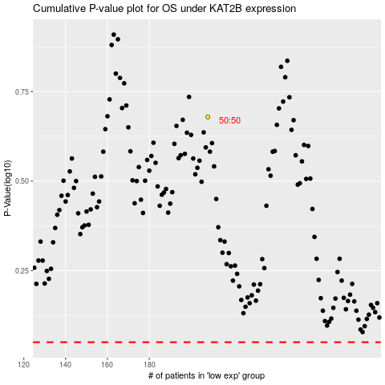

 |  |  |  |  |  | cases_OS | p_OS | rank | exp
 |  |  |  |  |  |  | cases_RFS | p_RFS | rank | exp

