KATNAL1 _multivariate
Reported by Tex Li-Hsing Chi. tex@gate.sinica.edu.tw 2019-08-18

Table 2. The clinicopathological features of HNSCC cohort and KATNAL1 expression. (Chi square test)
Cutoff at 0.004 (54.6%)
 |  | KATNAL1 expression |  | KATNAL1 expression |  | (Optimised)
 | Features | Low | (%) | High | (%) | Case no | P-value | Remark | Matthews
Gender | Female | 171 | 41.2 | 135 | 32.5 | 415 | 0.4842 | 0 | 0
2 | Male | 56 | 13.5 | 53 | 12.8
Age at diagnosis | <=65y | 155 | 37.3 | 119 | 28.7 | 415 | 0.3355 | 0 | 0
4 | >65y | 72 | 17.3 | 69 | 16.6
Clinical T Status | T1+T2 | 68 | 16.4 | 81 | 19.5 | 415 | 0.0075 | 1 | 0
6 | T3+T4 | 159 | 38.3 | 107 | 25.8
Clinical N Status | N0 | 119 | 28.7 | 97 | 23.4 | 415 | 0.9448 | 0 | 0
8 | N1-3 | 108 | 26 | 91 | 21.9
Clinical M Status | M0 | 225 | 54.2 | 187 | 45.1 | 415 | 1 | 0 | 0
10 | M1 | 2 | 0.5 | 1 | 0.2
Clinical Stage | Stage I+II | 43 | 10.4 | 59 | 14.2 | 415 | 0.0049 | 1 | 0
12 | Stage III+IV | 184 | 44.3 | 129 | 31.1
Surgical Margin status | Negative | 179 | 43.1 | 139 | 33.5 | 415 | 0.2462 | 0 | 0
14 | Positive | 48 | 11.6 | 49 | 11.8
Tobacco Exposure | Low | 81 | 19.5 | 80 | 19.3 | 415 | 0.1581 | 0 | 0
16 | High | 146 | 35.2 | 108 | 26

Table 3. Univariate/Multivariate Cox's proportional hazards regression analyses on OS time of KATNAL1 gene expression in HNSCC

 |  | Univariate |  |  |  | Multivariate
 | Features | HR | CI95%(L) | CI95%(H) | P-value | HR | CI95%(L) | CI95%(H) | P-value
1 | Female | 1 |  |  |  | 1
Gender | Male | 1.157 | 0.843 | 1.587 | 0.367 | 1.206 | 0.864 | 1.682 | 0.271
11 | <=65y | 1 |  |  |  | 1
Age at diagnosis | >65y | 1.329 | 0.99 | 1.784 | 0.058 | 1.338 | 0.982 | 1.824 | 0.065
12 | T1+T2 | 1 |  |  |  | 1
Clinical T Status | T3+T4 | 1.409 | 1.028 | 1.931 | 0.033 | 2.309 | 1.22 | 4.369 | 0.01
13 | N0 | 1 |  |  |  | 1
Clinical N Status | N1-3 | 1.185 | 0.89 | 1.577 | 0.246 | 1.187 | 0.83 | 1.699 | 0.347
14 | M0 | 1 |  |  |  | 1
Clinical M Status | M1 | 4.097 | 1.009 | 16.644 | 0.049 | 10.021 | 2.183 | 46.014 | 0.003
15 | Stage I+II | 1 |  |  |  | 1
Clinical Stage | Stage III+IV | 1.245 | 0.882 | 1.759 | 0.213 | 0.531 | 0.247 | 1.143 | 0.105
16 | Negative | 1 |  |  |  | 1
Surgical Margin status | Positive | 1.591 | 1.155 | 2.191 | 0.004 | 1.639 | 1.185 | 2.266 | 0.003
17 | Low | 1 |  |  |  | 1
Tobacco Exposure | High | 1.364 | 1.008 | 1.844 | 0.044 | 1.508 | 1.093 | 2.08 | 0.012
18 | Low | 1 |  |  |  | 1
RNAseq(z-score) | High | 1.34 | 1.005 | 1.788 | 0.046 | 1.428 | 1.057 | 1.93 | 0.02

Table 4. Univariate/Multivariate Cox's proportional hazards regression analyses on RFS time of KATNAL1 gene expression in HNSCC

 |  | Univariate |  |  |  | Multivariate
 | Features | HR | CI95%(L) | CI95%(H) | P-value | HR | CI95%(L) | CI95%(H) | P-value
1 | Female | 1 |  |  |  | 1
Gender | Male | 1.157 | 0.843 | 1.587 | 0.367 | 1.206 | 0.864 | 1.682 | 0.271
11 | <=65y | 1 |  |  |  | 1
Age at diagnosis | >65y | 1.329 | 0.99 | 1.784 | 0.058 | 1.338 | 0.982 | 1.824 | 0.065
12 | T1+T2 | 1 |  |  |  | 1
Clinical T Status | T3+T4 | 1.409 | 1.028 | 1.931 | 0.033 | 2.309 | 1.22 | 4.369 | 0.01
13 | N0 | 1 |  |  |  | 1
Clinical N Status | N1-3 | 1.185 | 0.89 | 1.577 | 0.246 | 1.187 | 0.83 | 1.699 | 0.347
14 | M0 | 1 |  |  |  | 1
Clinical M Status | M1 | 4.097 | 1.009 | 16.644 | 0.049 | 10.021 | 2.183 | 46.014 | 0.003
15 | Stage I+II | 1 |  |  |  | 1
Clinical Stage | Stage III+IV | 1.245 | 0.882 | 1.759 | 0.213 | 0.531 | 0.247 | 1.143 | 0.105
16 | Negative | 1 |  |  |  | 1
Surgical Margin status | Positive | 1.591 | 1.155 | 2.191 | 0.004 | 1.639 | 1.185 | 2.266 | 0.003
17 | Low | 1 |  |  |  | 1
Tobacco Exposure | High | 1.364 | 1.008 | 1.844 | 0.044 | 1.508 | 1.093 | 2.08 | 0.012
18 | Low | 1 |  |  |  | 1
RNAseq(z-score) | High | 1.34 | 1.005 | 1.788 | 0.046 | 1.428 | 1.057 | 1.93 | 0.02

Kaplan-Meier survival estimate: Cutoff at 0.004 (54.6%)

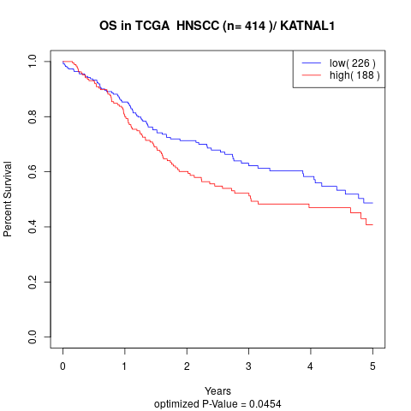

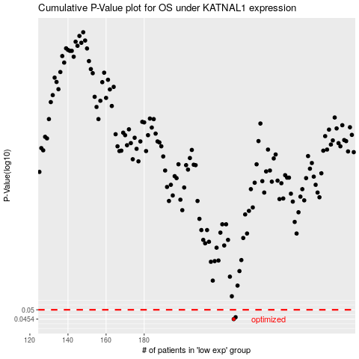

 |  |  |  |  |  | cases_OS | p_OS | rank | exp
 |  |  |  |  |  | 227 | 0.0454 | 10 | 0.0039969976089
 |  |  |  |  |  | 228 | 0.0463 | 257 | 0.014573629778
 |  |  |  |  |  |  | cases_RFS | p_RFS | rank | exp
 |  |  |  |  |  |  | 226 | 0.0454 | 49 | 0.0009595065907
 |  |  |  |  |  |  | 227 | 0.0463 | 10 | 0.0039969976089

