KATNB1 _multivariate
Reported by Tex Li-Hsing Chi. tex@gate.sinica.edu.tw 2019-08-18

Table 2. The clinicopathological features of HNSCC cohort and KATNB1 expression. (Chi square test)
Cutoff at -0.147 (50.0%)
 |  | KATNB1 expression |  | KATNB1 expression |  | (Optimised)
 | Features | Low | (%) | High | (%) | Case no | P-value | Remark | Matthews
Gender | Female | 157 | 37.8 | 149 | 35.9 | 415 | 0.3881 | 0 | 0
2 | Male | 50 | 12 | 59 | 14.2
Age at diagnosis | <=65y | 134 | 32.3 | 140 | 33.7 | 415 | 0.6529 | 0 | 0
4 | >65y | 73 | 17.6 | 68 | 16.4
Clinical T Status | T1+T2 | 80 | 19.3 | 69 | 16.6 | 415 | 0.2891 | 0 | 0
6 | T3+T4 | 127 | 30.6 | 139 | 33.5
Clinical N Status | N0 | 97 | 23.4 | 119 | 28.7 | 415 | 0.0442 | 1 | 0
8 | N1-3 | 110 | 26.5 | 89 | 21.4
Clinical M Status | M0 | 206 | 49.6 | 206 | 49.6 | 415 | 1 | 0 | 0
10 | M1 | 1 | 0.2 | 2 | 0.5
Clinical Stage | Stage I+II | 53 | 12.8 | 49 | 11.8 | 415 | 0.7113 | 0 | 0
12 | Stage III+IV | 154 | 37.1 | 159 | 38.3
Surgical Margin status | Negative | 151 | 36.4 | 167 | 40.2 | 415 | 0.0828 | 0 | 0
14 | Positive | 56 | 13.5 | 41 | 9.9
Tobacco Exposure | Low | 77 | 18.6 | 84 | 20.2 | 415 | 0.5459 | 0 | 0
16 | High | 130 | 31.3 | 124 | 29.9

Table 3. Univariate/Multivariate Cox's proportional hazards regression analyses on OS time of KATNB1 gene expression in HNSCC

 |  | Univariate |  |  |  | Multivariate
 | Features | HR | CI95%(L) | CI95%(H) | P-value | HR | CI95%(L) | CI95%(H) | P-value
1 | Female | 1 |  |  |  | 1
Gender | Male | 1.157 | 0.843 | 1.587 | 0.367 | 1.218 | 0.872 | 1.702 | 0.247
11 | <=65y | 1 |  |  |  | 1
Age at diagnosis | >65y | 1.329 | 0.99 | 1.784 | 0.058 | 1.379 | 1.014 | 1.875 | 0.04
12 | T1+T2 | 1 |  |  |  | 1
Clinical T Status | T3+T4 | 1.409 | 1.028 | 1.931 | 0.033 | 2.252 | 1.191 | 4.262 | 0.013
13 | N0 | 1 |  |  |  | 1
Clinical N Status | N1-3 | 1.185 | 0.89 | 1.577 | 0.246 | 1.212 | 0.848 | 1.732 | 0.291
14 | M0 | 1 |  |  |  | 1
Clinical M Status | M1 | 4.097 | 1.009 | 16.644 | 0.049 | 9.885 | 2.153 | 45.378 | 0.003
15 | Stage I+II | 1 |  |  |  | 1
Clinical Stage | Stage III+IV | 1.245 | 0.882 | 1.759 | 0.213 | 0.505 | 0.236 | 1.084 | 0.08
16 | Negative | 1 |  |  |  | 1
Surgical Margin status | Positive | 1.591 | 1.155 | 2.191 | 0.004 | 1.639 | 1.185 | 2.267 | 0.003
17 | Low | 1 |  |  |  | 1
Tobacco Exposure | High | 1.364 | 1.008 | 1.844 | 0.044 | 1.418 | 1.028 | 1.955 | 0.033
18 | Low | 1 |  |  |  | 1
RNAseq(z-score) | High | 0.786 | 0.589 | 1.048 | 0.101 | 0.814 | 0.607 | 1.091 | 0.169

Table 4. Univariate/Multivariate Cox's proportional hazards regression analyses on RFS time of KATNB1 gene expression in HNSCC

 |  | Univariate |  |  |  | Multivariate
 | Features | HR | CI95%(L) | CI95%(H) | P-value | HR | CI95%(L) | CI95%(H) | P-value
1 | Female | 1 |  |  |  | 1
Gender | Male | 1.157 | 0.843 | 1.587 | 0.367 | 1.218 | 0.872 | 1.702 | 0.247
11 | <=65y | 1 |  |  |  | 1
Age at diagnosis | >65y | 1.329 | 0.99 | 1.784 | 0.058 | 1.379 | 1.014 | 1.875 | 0.04
12 | T1+T2 | 1 |  |  |  | 1
Clinical T Status | T3+T4 | 1.409 | 1.028 | 1.931 | 0.033 | 2.252 | 1.191 | 4.262 | 0.013
13 | N0 | 1 |  |  |  | 1
Clinical N Status | N1-3 | 1.185 | 0.89 | 1.577 | 0.246 | 1.212 | 0.848 | 1.732 | 0.291
14 | M0 | 1 |  |  |  | 1
Clinical M Status | M1 | 4.097 | 1.009 | 16.644 | 0.049 | 9.885 | 2.153 | 45.378 | 0.003
15 | Stage I+II | 1 |  |  |  | 1
Clinical Stage | Stage III+IV | 1.245 | 0.882 | 1.759 | 0.213 | 0.505 | 0.236 | 1.084 | 0.08
16 | Negative | 1 |  |  |  | 1
Surgical Margin status | Positive | 1.591 | 1.155 | 2.191 | 0.004 | 1.639 | 1.185 | 2.267 | 0.003
17 | Low | 1 |  |  |  | 1
Tobacco Exposure | High | 1.364 | 1.008 | 1.844 | 0.044 | 1.418 | 1.028 | 1.955 | 0.033
18 | Low | 1 |  |  |  | 1
RNAseq(z-score) | High | 0.786 | 0.589 | 1.048 | 0.101 | 0.814 | 0.607 | 1.091 | 0.169

Kaplan-Meier survival estimate: Cutoff at -0.147 (50.0%)



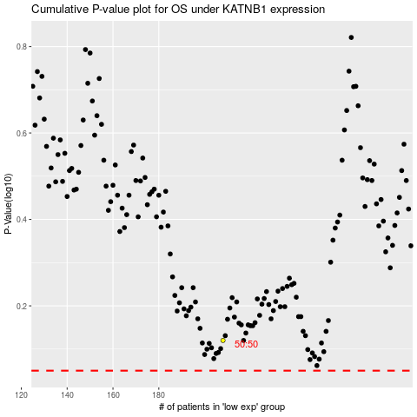

 |  |  |  |  |  | cases_OS | p_OS | rank | exp
 |  |  |  |  |  |  | cases_RFS | p_RFS | rank | exp

