KBTBD11 _multivariate
Reported by Tex Li-Hsing Chi. tex@gate.sinica.edu.tw 2019-08-18

Table 2. The clinicopathological features of HNSCC cohort and KBTBD11 expression. (Chi square test)
Cutoff at -0.299 (50.0%)
 |  | KBTBD11 expression |  | KBTBD11 expression |  | (Optimised)
 | Features | Low | (%) | High | (%) | Case no | P-value | Remark | Matthews
Gender | Female | 152 | 36.6 | 154 | 37.1 | 415 | 0.9766 | 0 | 0
2 | Male | 55 | 13.3 | 54 | 13
Age at diagnosis | <=65y | 129 | 31.1 | 145 | 34.9 | 415 | 0.1372 | 0 | 0
4 | >65y | 78 | 18.8 | 63 | 15.2
Clinical T Status | T1+T2 | 68 | 16.4 | 81 | 19.5 | 415 | 0.2336 | 0 | 0
6 | T3+T4 | 139 | 33.5 | 127 | 30.6
Clinical N Status | N0 | 114 | 27.5 | 102 | 24.6 | 415 | 0.2576 | 1 | 0
8 | N1-3 | 93 | 22.4 | 106 | 25.5
Clinical M Status | M0 | 206 | 49.6 | 206 | 49.6 | 415 | 1 | 0 | 0
10 | M1 | 1 | 0.2 | 2 | 0.5
Clinical Stage | Stage I+II | 49 | 11.8 | 53 | 12.8 | 415 | 0.7535 | 0 | 0
12 | Stage III+IV | 158 | 38.1 | 155 | 37.3
Surgical Margin status | Negative | 160 | 38.6 | 158 | 38.1 | 415 | 0.8167 | 0 | 0
14 | Positive | 47 | 11.3 | 50 | 12
Tobacco Exposure | Low | 86 | 20.7 | 75 | 18.1 | 415 | 0.2687 | 0 | 0
16 | High | 121 | 29.2 | 133 | 32

Table 3. Univariate/Multivariate Cox's proportional hazards regression analyses on OS time of KBTBD11 gene expression in HNSCC

 |  | Univariate |  |  |  | Multivariate
 | Features | HR | CI95%(L) | CI95%(H) | P-value | HR | CI95%(L) | CI95%(H) | P-value
1 | Female | 1 |  |  |  | 1
Gender | Male | 1.157 | 0.843 | 1.587 | 0.367 | 1.201 | 0.86 | 1.678 | 0.283
11 | <=65y | 1 |  |  |  | 1
Age at diagnosis | >65y | 1.329 | 0.99 | 1.784 | 0.058 | 1.386 | 1.019 | 1.884 | 0.037
12 | T1+T2 | 1 |  |  |  | 1
Clinical T Status | T3+T4 | 1.409 | 1.028 | 1.931 | 0.033 | 2.188 | 1.157 | 4.138 | 0.016
13 | N0 | 1 |  |  |  | 1
Clinical N Status | N1-3 | 1.185 | 0.89 | 1.577 | 0.246 | 1.24 | 0.869 | 1.769 | 0.235
14 | M0 | 1 |  |  |  | 1
Clinical M Status | M1 | 4.097 | 1.009 | 16.644 | 0.049 | 9.477 | 2.067 | 43.451 | 0.004
15 | Stage I+II | 1 |  |  |  | 1
Clinical Stage | Stage III+IV | 1.245 | 0.882 | 1.759 | 0.213 | 0.502 | 0.234 | 1.078 | 0.077
16 | Negative | 1 |  |  |  | 1
Surgical Margin status | Positive | 1.591 | 1.155 | 2.191 | 0.004 | 1.67 | 1.208 | 2.307 | 0.002
17 | Low | 1 |  |  |  | 1
Tobacco Exposure | High | 1.364 | 1.008 | 1.844 | 0.044 | 1.465 | 1.062 | 2.02 | 0.02
18 | Low | 1 |  |  |  | 1
RNAseq(z-score) | High | 0.896 | 0.673 | 1.195 | 0.455 | 0.919 | 0.687 | 1.228 | 0.567

Table 4. Univariate/Multivariate Cox's proportional hazards regression analyses on RFS time of KBTBD11 gene expression in HNSCC

 |  | Univariate |  |  |  | Multivariate
 | Features | HR | CI95%(L) | CI95%(H) | P-value | HR | CI95%(L) | CI95%(H) | P-value
1 | Female | 1 |  |  |  | 1
Gender | Male | 1.157 | 0.843 | 1.587 | 0.367 | 1.201 | 0.86 | 1.678 | 0.283
11 | <=65y | 1 |  |  |  | 1
Age at diagnosis | >65y | 1.329 | 0.99 | 1.784 | 0.058 | 1.386 | 1.019 | 1.884 | 0.037
12 | T1+T2 | 1 |  |  |  | 1
Clinical T Status | T3+T4 | 1.409 | 1.028 | 1.931 | 0.033 | 2.188 | 1.157 | 4.138 | 0.016
13 | N0 | 1 |  |  |  | 1
Clinical N Status | N1-3 | 1.185 | 0.89 | 1.577 | 0.246 | 1.24 | 0.869 | 1.769 | 0.235
14 | M0 | 1 |  |  |  | 1
Clinical M Status | M1 | 4.097 | 1.009 | 16.644 | 0.049 | 9.477 | 2.067 | 43.451 | 0.004
15 | Stage I+II | 1 |  |  |  | 1
Clinical Stage | Stage III+IV | 1.245 | 0.882 | 1.759 | 0.213 | 0.502 | 0.234 | 1.078 | 0.077
16 | Negative | 1 |  |  |  | 1
Surgical Margin status | Positive | 1.591 | 1.155 | 2.191 | 0.004 | 1.67 | 1.208 | 2.307 | 0.002
17 | Low | 1 |  |  |  | 1
Tobacco Exposure | High | 1.364 | 1.008 | 1.844 | 0.044 | 1.465 | 1.062 | 2.02 | 0.02
18 | Low | 1 |  |  |  | 1
RNAseq(z-score) | High | 0.896 | 0.673 | 1.195 | 0.455 | 0.919 | 0.687 | 1.228 | 0.567

Kaplan-Meier survival estimate: Cutoff at -0.299 (50.0%)



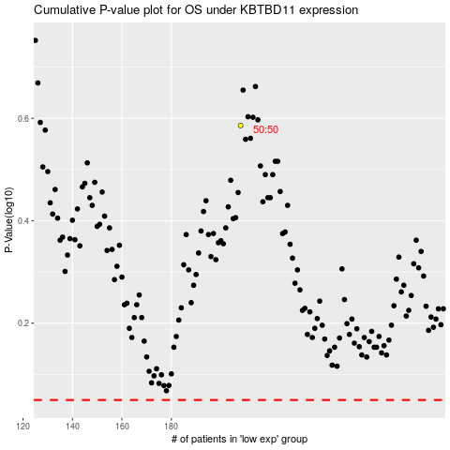

 |  |  |  |  |  | cases_OS | p_OS | rank | exp
 |  |  |  |  |  |  | cases_RFS | p_RFS | rank | exp

