KBTBD12 _multivariate
Reported by Tex Li-Hsing Chi. tex@gate.sinica.edu.tw 2019-08-18

Table 2. The clinicopathological features of HNSCC cohort and KBTBD12 expression. (Chi square test)
Cutoff at -0.274 (50.0%)
 |  | KBTBD12 expression |  | KBTBD12 expression |  | (Optimised)
 | Features | Low | (%) | High | (%) | Case no | P-value | Remark | Matthews
Gender | Female | 154 | 37.1 | 152 | 36.6 | 415 | 0.8463 | 0 | 0
2 | Male | 53 | 12.8 | 56 | 13.5
Age at diagnosis | <=65y | 122 | 29.4 | 152 | 36.6 | 415 | 0.0033 | 1 | 0
4 | >65y | 85 | 20.5 | 56 | 13.5
Clinical T Status | T1+T2 | 57 | 13.7 | 92 | 22.2 | 415 | 6e-04 | 1 | 0
6 | T3+T4 | 150 | 36.1 | 116 | 28
Clinical N Status | N0 | 109 | 26.3 | 107 | 25.8 | 415 | 0.8812 | 0 | 0
8 | N1-3 | 98 | 23.6 | 101 | 24.3
Clinical M Status | M0 | 204 | 49.2 | 208 | 50.1 | 415 | 0.1232 | 0 | 0
10 | M1 | 3 | 0.7 | 0 | 0
Clinical Stage | Stage I+II | 36 | 8.7 | 66 | 15.9 | 415 | 0.001 | 1 | 0
12 | Stage III+IV | 171 | 41.2 | 142 | 34.2
Surgical Margin status | Negative | 153 | 36.9 | 165 | 39.8 | 415 | 0.2036 | 0 | 0
14 | Positive | 54 | 13 | 43 | 10.4
Tobacco Exposure | Low | 83 | 20 | 78 | 18.8 | 415 | 0.6152 | 0 | 0
16 | High | 124 | 29.9 | 130 | 31.3

Table 3. Univariate/Multivariate Cox's proportional hazards regression analyses on OS time of KBTBD12 gene expression in HNSCC

 |  | Univariate |  |  |  | Multivariate
 | Features | HR | CI95%(L) | CI95%(H) | P-value | HR | CI95%(L) | CI95%(H) | P-value
1 | Female | 1 |  |  |  | 1
Gender | Male | 1.157 | 0.843 | 1.587 | 0.367 | 1.185 | 0.847 | 1.656 | 0.322
11 | <=65y | 1 |  |  |  | 1
Age at diagnosis | >65y | 1.329 | 0.99 | 1.784 | 0.058 | 1.413 | 1.038 | 1.924 | 0.028
12 | T1+T2 | 1 |  |  |  | 1
Clinical T Status | T3+T4 | 1.409 | 1.028 | 1.931 | 0.033 | 2.218 | 1.172 | 4.196 | 0.014
13 | N0 | 1 |  |  |  | 1
Clinical N Status | N1-3 | 1.185 | 0.89 | 1.577 | 0.246 | 1.224 | 0.857 | 1.749 | 0.267
14 | M0 | 1 |  |  |  | 1
Clinical M Status | M1 | 4.097 | 1.009 | 16.644 | 0.049 | 10.252 | 2.217 | 47.4 | 0.003
15 | Stage I+II | 1 |  |  |  | 1
Clinical Stage | Stage III+IV | 1.245 | 0.882 | 1.759 | 0.213 | 0.513 | 0.239 | 1.103 | 0.088
16 | Negative | 1 |  |  |  | 1
Surgical Margin status | Positive | 1.591 | 1.155 | 2.191 | 0.004 | 1.693 | 1.225 | 2.341 | 0.001
17 | Low | 1 |  |  |  | 1
Tobacco Exposure | High | 1.364 | 1.008 | 1.844 | 0.044 | 1.435 | 1.042 | 1.977 | 0.027
18 | Low | 1 |  |  |  | 1
RNAseq(z-score) | High | 1.103 | 0.828 | 1.469 | 0.504 | 1.176 | 0.874 | 1.581 | 0.284

Table 4. Univariate/Multivariate Cox's proportional hazards regression analyses on RFS time of KBTBD12 gene expression in HNSCC

 |  | Univariate |  |  |  | Multivariate
 | Features | HR | CI95%(L) | CI95%(H) | P-value | HR | CI95%(L) | CI95%(H) | P-value
1 | Female | 1 |  |  |  | 1
Gender | Male | 1.157 | 0.843 | 1.587 | 0.367 | 1.185 | 0.847 | 1.656 | 0.322
11 | <=65y | 1 |  |  |  | 1
Age at diagnosis | >65y | 1.329 | 0.99 | 1.784 | 0.058 | 1.413 | 1.038 | 1.924 | 0.028
12 | T1+T2 | 1 |  |  |  | 1
Clinical T Status | T3+T4 | 1.409 | 1.028 | 1.931 | 0.033 | 2.218 | 1.172 | 4.196 | 0.014
13 | N0 | 1 |  |  |  | 1
Clinical N Status | N1-3 | 1.185 | 0.89 | 1.577 | 0.246 | 1.224 | 0.857 | 1.749 | 0.267
14 | M0 | 1 |  |  |  | 1
Clinical M Status | M1 | 4.097 | 1.009 | 16.644 | 0.049 | 10.252 | 2.217 | 47.4 | 0.003
15 | Stage I+II | 1 |  |  |  | 1
Clinical Stage | Stage III+IV | 1.245 | 0.882 | 1.759 | 0.213 | 0.513 | 0.239 | 1.103 | 0.088
16 | Negative | 1 |  |  |  | 1
Surgical Margin status | Positive | 1.591 | 1.155 | 2.191 | 0.004 | 1.693 | 1.225 | 2.341 | 0.001
17 | Low | 1 |  |  |  | 1
Tobacco Exposure | High | 1.364 | 1.008 | 1.844 | 0.044 | 1.435 | 1.042 | 1.977 | 0.027
18 | Low | 1 |  |  |  | 1
RNAseq(z-score) | High | 1.103 | 0.828 | 1.469 | 0.504 | 1.176 | 0.874 | 1.581 | 0.284

Kaplan-Meier survival estimate: Cutoff at -0.274 (50.0%)



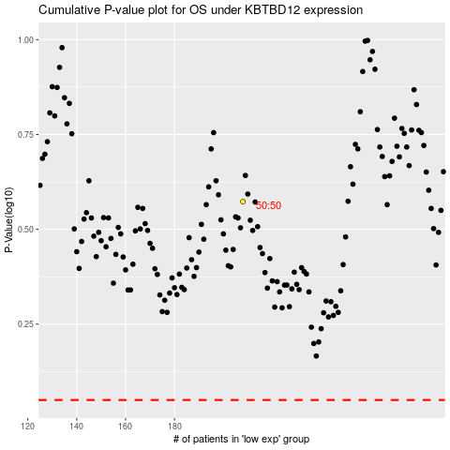

 |  |  |  |  |  | cases_OS | p_OS | rank | exp
 |  |  |  |  |  |  | cases_RFS | p_RFS | rank | exp

