KBTBD3 _multivariate
Reported by Tex Li-Hsing Chi. tex@gate.sinica.edu.tw 2019-08-18

Table 2. The clinicopathological features of HNSCC cohort and KBTBD3 expression. (Chi square test)
Cutoff at -0.218 (49.8%)
 |  | KBTBD3 expression |  | KBTBD3 expression |  | (Optimised)
 | Features | Low | (%) | High | (%) | Case no | P-value | Remark | Matthews
Gender | Female | 150 | 36.1 | 156 | 37.6 | 415 | 0.6344 | 0 | 0
2 | Male | 57 | 13.7 | 52 | 12.5
Age at diagnosis | <=65y | 127 | 30.6 | 147 | 35.4 | 415 | 0.0573 | 0 | 0
4 | >65y | 80 | 19.3 | 61 | 14.7
Clinical T Status | T1+T2 | 68 | 16.4 | 81 | 19.5 | 415 | 0.2336 | 0 | 0
6 | T3+T4 | 139 | 33.5 | 127 | 30.6
Clinical N Status | N0 | 98 | 23.6 | 118 | 28.4 | 415 | 0.0694 | 0 | 0
8 | N1-3 | 109 | 26.3 | 90 | 21.7
Clinical M Status | M0 | 205 | 49.4 | 207 | 49.9 | 415 | 0.6232 | 0 | 0
10 | M1 | 2 | 0.5 | 1 | 0.2
Clinical Stage | Stage I+II | 45 | 10.8 | 57 | 13.7 | 415 | 0.2202 | 0 | 0
12 | Stage III+IV | 162 | 39 | 151 | 36.4
Surgical Margin status | Negative | 161 | 38.8 | 157 | 37.8 | 415 | 0.6429 | 0 | 0
14 | Positive | 46 | 11.1 | 51 | 12.3
Tobacco Exposure | Low | 78 | 18.8 | 83 | 20 | 415 | 0.6873 | 0 | 0
16 | High | 129 | 31.1 | 125 | 30.1

Table 3. Univariate/Multivariate Cox's proportional hazards regression analyses on OS time of KBTBD3 gene expression in HNSCC

 |  | Univariate |  |  |  | Multivariate
 | Features | HR | CI95%(L) | CI95%(H) | P-value | HR | CI95%(L) | CI95%(H) | P-value
1 | Female | 1 |  |  |  | 1
Gender | Male | 1.157 | 0.843 | 1.587 | 0.367 | 1.205 | 0.862 | 1.684 | 0.275
11 | <=65y | 1 |  |  |  | 1
Age at diagnosis | >65y | 1.329 | 0.99 | 1.784 | 0.058 | 1.373 | 1.007 | 1.871 | 0.045
12 | T1+T2 | 1 |  |  |  | 1
Clinical T Status | T3+T4 | 1.409 | 1.028 | 1.931 | 0.033 | 2.189 | 1.158 | 4.139 | 0.016
13 | N0 | 1 |  |  |  | 1
Clinical N Status | N1-3 | 1.185 | 0.89 | 1.577 | 0.246 | 1.236 | 0.866 | 1.764 | 0.244
14 | M0 | 1 |  |  |  | 1
Clinical M Status | M1 | 4.097 | 1.009 | 16.644 | 0.049 | 9.292 | 2.027 | 42.606 | 0.004
15 | Stage I+II | 1 |  |  |  | 1
Clinical Stage | Stage III+IV | 1.245 | 0.882 | 1.759 | 0.213 | 0.507 | 0.236 | 1.089 | 0.082
16 | Negative | 1 |  |  |  | 1
Surgical Margin status | Positive | 1.591 | 1.155 | 2.191 | 0.004 | 1.683 | 1.217 | 2.326 | 0.002
17 | Low | 1 |  |  |  | 1
Tobacco Exposure | High | 1.364 | 1.008 | 1.844 | 0.044 | 1.451 | 1.053 | 1.999 | 0.023
18 | Low | 1 |  |  |  | 1
RNAseq(z-score) | High | 0.857 | 0.641 | 1.146 | 0.298 | 0.899 | 0.67 | 1.206 | 0.477

Table 4. Univariate/Multivariate Cox's proportional hazards regression analyses on RFS time of KBTBD3 gene expression in HNSCC

 |  | Univariate |  |  |  | Multivariate
 | Features | HR | CI95%(L) | CI95%(H) | P-value | HR | CI95%(L) | CI95%(H) | P-value
1 | Female | 1 |  |  |  | 1
Gender | Male | 1.157 | 0.843 | 1.587 | 0.367 | 1.205 | 0.862 | 1.684 | 0.275
11 | <=65y | 1 |  |  |  | 1
Age at diagnosis | >65y | 1.329 | 0.99 | 1.784 | 0.058 | 1.373 | 1.007 | 1.871 | 0.045
12 | T1+T2 | 1 |  |  |  | 1
Clinical T Status | T3+T4 | 1.409 | 1.028 | 1.931 | 0.033 | 2.189 | 1.158 | 4.139 | 0.016
13 | N0 | 1 |  |  |  | 1
Clinical N Status | N1-3 | 1.185 | 0.89 | 1.577 | 0.246 | 1.236 | 0.866 | 1.764 | 0.244
14 | M0 | 1 |  |  |  | 1
Clinical M Status | M1 | 4.097 | 1.009 | 16.644 | 0.049 | 9.292 | 2.027 | 42.606 | 0.004
15 | Stage I+II | 1 |  |  |  | 1
Clinical Stage | Stage III+IV | 1.245 | 0.882 | 1.759 | 0.213 | 0.507 | 0.236 | 1.089 | 0.082
16 | Negative | 1 |  |  |  | 1
Surgical Margin status | Positive | 1.591 | 1.155 | 2.191 | 0.004 | 1.683 | 1.217 | 2.326 | 0.002
17 | Low | 1 |  |  |  | 1
Tobacco Exposure | High | 1.364 | 1.008 | 1.844 | 0.044 | 1.451 | 1.053 | 1.999 | 0.023
18 | Low | 1 |  |  |  | 1
RNAseq(z-score) | High | 0.857 | 0.641 | 1.146 | 0.298 | 0.899 | 0.67 | 1.206 | 0.477

Kaplan-Meier survival estimate: Cutoff at -0.218 (49.8%)



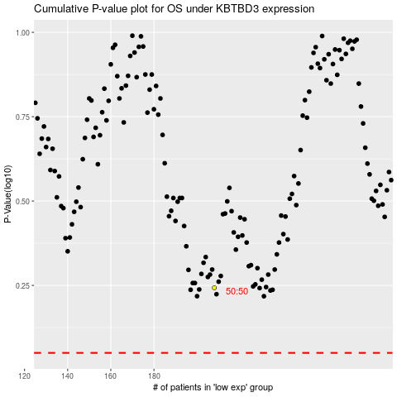

 |  |  |  |  |  | cases_OS | p_OS | rank | exp
 |  |  |  |  |  |  | cases_RFS | p_RFS | rank | exp

