KBTBD7 _multivariate
Reported by Tex Li-Hsing Chi. tex@gate.sinica.edu.tw 2019-08-18

Table 2. The clinicopathological features of HNSCC cohort and KBTBD7 expression. (Chi square test)
Cutoff at -0.227 (49.8%)
 |  | KBTBD7 expression |  | KBTBD7 expression |  | (Optimised)
 | Features | Low | (%) | High | (%) | Case no | P-value | Remark | Matthews
Gender | Female | 152 | 36.6 | 154 | 37.1 | 415 | 0.9766 | 0 | 0
2 | Male | 55 | 13.3 | 54 | 13
Age at diagnosis | <=65y | 136 | 32.8 | 138 | 33.3 | 415 | 0.9719 | 0 | 0
4 | >65y | 71 | 17.1 | 70 | 16.9
Clinical T Status | T1+T2 | 75 | 18.1 | 74 | 17.8 | 415 | 0.9707 | 0 | 0
6 | T3+T4 | 132 | 31.8 | 134 | 32.3
Clinical N Status | N0 | 106 | 25.5 | 110 | 26.5 | 415 | 0.8075 | 0 | 0
8 | N1-3 | 101 | 24.3 | 98 | 23.6
Clinical M Status | M0 | 204 | 49.2 | 208 | 50.1 | 415 | 0.1232 | 0 | 0
10 | M1 | 3 | 0.7 | 0 | 0
Clinical Stage | Stage I+II | 48 | 11.6 | 54 | 13 | 415 | 0.5878 | 0 | 0
12 | Stage III+IV | 159 | 38.3 | 154 | 37.1
Surgical Margin status | Negative | 152 | 36.6 | 166 | 40 | 415 | 0.1329 | 0 | 0
14 | Positive | 55 | 13.3 | 42 | 10.1
Tobacco Exposure | Low | 87 | 21 | 74 | 17.8 | 415 | 0.1911 | 0 | 0
16 | High | 120 | 28.9 | 134 | 32.3

Table 3. Univariate/Multivariate Cox's proportional hazards regression analyses on OS time of KBTBD7 gene expression in HNSCC

 |  | Univariate |  |  |  | Multivariate
 | Features | HR | CI95%(L) | CI95%(H) | P-value | HR | CI95%(L) | CI95%(H) | P-value
1 | Female | 1 |  |  |  | 1
Gender | Male | 1.157 | 0.843 | 1.587 | 0.367 | 1.227 | 0.877 | 1.718 | 0.233
11 | <=65y | 1 |  |  |  | 1
Age at diagnosis | >65y | 1.329 | 0.99 | 1.784 | 0.058 | 1.401 | 1.031 | 1.905 | 0.031
12 | T1+T2 | 1 |  |  |  | 1
Clinical T Status | T3+T4 | 1.409 | 1.028 | 1.931 | 0.033 | 2.206 | 1.167 | 4.173 | 0.015
13 | N0 | 1 |  |  |  | 1
Clinical N Status | N1-3 | 1.185 | 0.89 | 1.577 | 0.246 | 1.243 | 0.871 | 1.774 | 0.23
14 | M0 | 1 |  |  |  | 1
Clinical M Status | M1 | 4.097 | 1.009 | 16.644 | 0.049 | 10.478 | 2.263 | 48.517 | 0.003
15 | Stage I+II | 1 |  |  |  | 1
Clinical Stage | Stage III+IV | 1.245 | 0.882 | 1.759 | 0.213 | 0.511 | 0.238 | 1.098 | 0.085
16 | Negative | 1 |  |  |  | 1
Surgical Margin status | Positive | 1.591 | 1.155 | 2.191 | 0.004 | 1.699 | 1.228 | 2.351 | 0.001
17 | Low | 1 |  |  |  | 1
Tobacco Exposure | High | 1.364 | 1.008 | 1.844 | 0.044 | 1.467 | 1.064 | 2.022 | 0.019
18 | Low | 1 |  |  |  | 1
RNAseq(z-score) | High | 1.105 | 0.829 | 1.472 | 0.497 | 1.209 | 0.902 | 1.622 | 0.204

Table 4. Univariate/Multivariate Cox's proportional hazards regression analyses on RFS time of KBTBD7 gene expression in HNSCC

 |  | Univariate |  |  |  | Multivariate
 | Features | HR | CI95%(L) | CI95%(H) | P-value | HR | CI95%(L) | CI95%(H) | P-value
1 | Female | 1 |  |  |  | 1
Gender | Male | 1.157 | 0.843 | 1.587 | 0.367 | 1.227 | 0.877 | 1.718 | 0.233
11 | <=65y | 1 |  |  |  | 1
Age at diagnosis | >65y | 1.329 | 0.99 | 1.784 | 0.058 | 1.401 | 1.031 | 1.905 | 0.031
12 | T1+T2 | 1 |  |  |  | 1
Clinical T Status | T3+T4 | 1.409 | 1.028 | 1.931 | 0.033 | 2.206 | 1.167 | 4.173 | 0.015
13 | N0 | 1 |  |  |  | 1
Clinical N Status | N1-3 | 1.185 | 0.89 | 1.577 | 0.246 | 1.243 | 0.871 | 1.774 | 0.23
14 | M0 | 1 |  |  |  | 1
Clinical M Status | M1 | 4.097 | 1.009 | 16.644 | 0.049 | 10.478 | 2.263 | 48.517 | 0.003
15 | Stage I+II | 1 |  |  |  | 1
Clinical Stage | Stage III+IV | 1.245 | 0.882 | 1.759 | 0.213 | 0.511 | 0.238 | 1.098 | 0.085
16 | Negative | 1 |  |  |  | 1
Surgical Margin status | Positive | 1.591 | 1.155 | 2.191 | 0.004 | 1.699 | 1.228 | 2.351 | 0.001
17 | Low | 1 |  |  |  | 1
Tobacco Exposure | High | 1.364 | 1.008 | 1.844 | 0.044 | 1.467 | 1.064 | 2.022 | 0.019
18 | Low | 1 |  |  |  | 1
RNAseq(z-score) | High | 1.105 | 0.829 | 1.472 | 0.497 | 1.209 | 0.902 | 1.622 | 0.204

Kaplan-Meier survival estimate: Cutoff at -0.227 (49.8%)



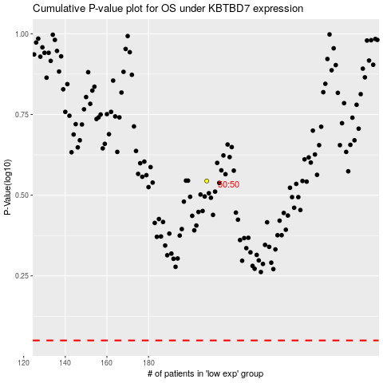

 |  |  |  |  |  | cases_OS | p_OS | rank | exp
 |  |  |  |  |  |  | cases_RFS | p_RFS | rank | exp

