KCMF1 _multivariate
Reported by Tex Li-Hsing Chi. tex@gate.sinica.edu.tw 2019-08-18

Table 2. The clinicopathological features of HNSCC cohort and KCMF1 expression. (Chi square test)
Cutoff at -0.143 (50.0%)
 |  | KCMF1 expression |  | KCMF1 expression |  | (Optimised)
 | Features | Low | (%) | High | (%) | Case no | P-value | Remark | Matthews
Gender | Female | 143 | 34.5 | 163 | 39.3 | 415 | 0.0416 | 1 | 0
2 | Male | 64 | 15.4 | 45 | 10.8
Age at diagnosis | <=65y | 123 | 29.6 | 151 | 36.4 | 415 | 0.0063 | 1 | 0
4 | >65y | 84 | 20.2 | 57 | 13.7
Clinical T Status | T1+T2 | 88 | 21.2 | 61 | 14.7 | 415 | 0.007 | 1 | 0
6 | T3+T4 | 119 | 28.7 | 147 | 35.4
Clinical N Status | N0 | 116 | 28 | 100 | 24.1 | 415 | 0.1273 | 1 | 0
8 | N1-3 | 91 | 21.9 | 108 | 26
Clinical M Status | M0 | 207 | 49.9 | 205 | 49.4 | 415 | 0.2482 | 0 | 0
10 | M1 | 0 | 0 | 3 | 0.7
Clinical Stage | Stage I+II | 62 | 14.9 | 40 | 9.6 | 415 | 0.0154 | 1 | 0
12 | Stage III+IV | 145 | 34.9 | 168 | 40.5
Surgical Margin status | Negative | 153 | 36.9 | 165 | 39.8 | 415 | 0.2036 | 0 | 0
14 | Positive | 54 | 13 | 43 | 10.4
Tobacco Exposure | Low | 100 | 24.1 | 61 | 14.7 | 415 | 1e-04 | 1 | 0
16 | High | 107 | 25.8 | 147 | 35.4

Table 3. Univariate/Multivariate Cox's proportional hazards regression analyses on OS time of KCMF1 gene expression in HNSCC

 |  | Univariate |  |  |  | Multivariate
 | Features | HR | CI95%(L) | CI95%(H) | P-value | HR | CI95%(L) | CI95%(H) | P-value
1 | Female | 1 |  |  |  | 1
Gender | Male | 1.157 | 0.843 | 1.587 | 0.367 | 1.2 | 0.859 | 1.677 | 0.285
11 | <=65y | 1 |  |  |  | 1
Age at diagnosis | >65y | 1.329 | 0.99 | 1.784 | 0.058 | 1.374 | 1.006 | 1.878 | 0.046
12 | T1+T2 | 1 |  |  |  | 1
Clinical T Status | T3+T4 | 1.409 | 1.028 | 1.931 | 0.033 | 2.216 | 1.171 | 4.193 | 0.014
13 | N0 | 1 |  |  |  | 1
Clinical N Status | N1-3 | 1.185 | 0.89 | 1.577 | 0.246 | 1.236 | 0.866 | 1.765 | 0.242
14 | M0 | 1 |  |  |  | 1
Clinical M Status | M1 | 4.097 | 1.009 | 16.644 | 0.049 | 9.769 | 2.112 | 45.187 | 0.004
15 | Stage I+II | 1 |  |  |  | 1
Clinical Stage | Stage III+IV | 1.245 | 0.882 | 1.759 | 0.213 | 0.509 | 0.237 | 1.093 | 0.083
16 | Negative | 1 |  |  |  | 1
Surgical Margin status | Positive | 1.591 | 1.155 | 2.191 | 0.004 | 1.666 | 1.206 | 2.303 | 0.002
17 | Low | 1 |  |  |  | 1
Tobacco Exposure | High | 1.364 | 1.008 | 1.844 | 0.044 | 1.468 | 1.062 | 2.029 | 0.02
18 | Low | 1 |  |  |  | 1
RNAseq(z-score) | High | 0.954 | 0.715 | 1.274 | 0.751 | 0.932 | 0.687 | 1.265 | 0.651

Table 4. Univariate/Multivariate Cox's proportional hazards regression analyses on RFS time of KCMF1 gene expression in HNSCC

 |  | Univariate |  |  |  | Multivariate
 | Features | HR | CI95%(L) | CI95%(H) | P-value | HR | CI95%(L) | CI95%(H) | P-value
1 | Female | 1 |  |  |  | 1
Gender | Male | 1.157 | 0.843 | 1.587 | 0.367 | 1.2 | 0.859 | 1.677 | 0.285
11 | <=65y | 1 |  |  |  | 1
Age at diagnosis | >65y | 1.329 | 0.99 | 1.784 | 0.058 | 1.374 | 1.006 | 1.878 | 0.046
12 | T1+T2 | 1 |  |  |  | 1
Clinical T Status | T3+T4 | 1.409 | 1.028 | 1.931 | 0.033 | 2.216 | 1.171 | 4.193 | 0.014
13 | N0 | 1 |  |  |  | 1
Clinical N Status | N1-3 | 1.185 | 0.89 | 1.577 | 0.246 | 1.236 | 0.866 | 1.765 | 0.242
14 | M0 | 1 |  |  |  | 1
Clinical M Status | M1 | 4.097 | 1.009 | 16.644 | 0.049 | 9.769 | 2.112 | 45.187 | 0.004
15 | Stage I+II | 1 |  |  |  | 1
Clinical Stage | Stage III+IV | 1.245 | 0.882 | 1.759 | 0.213 | 0.509 | 0.237 | 1.093 | 0.083
16 | Negative | 1 |  |  |  | 1
Surgical Margin status | Positive | 1.591 | 1.155 | 2.191 | 0.004 | 1.666 | 1.206 | 2.303 | 0.002
17 | Low | 1 |  |  |  | 1
Tobacco Exposure | High | 1.364 | 1.008 | 1.844 | 0.044 | 1.468 | 1.062 | 2.029 | 0.02
18 | Low | 1 |  |  |  | 1
RNAseq(z-score) | High | 0.954 | 0.715 | 1.274 | 0.751 | 0.932 | 0.687 | 1.265 | 0.651

Kaplan-Meier survival estimate: Cutoff at -0.143 (50.0%)



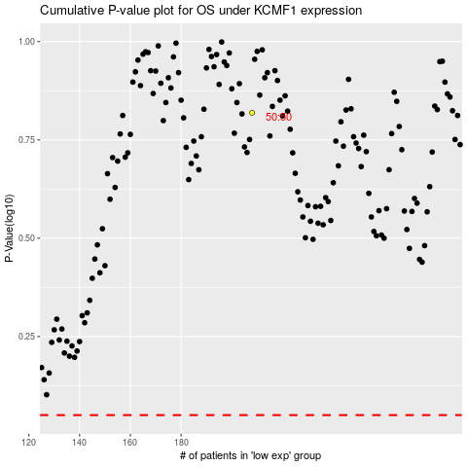

 |  |  |  |  |  | cases_OS | p_OS | rank | exp
 |  |  |  |  |  |  | cases_RFS | p_RFS | rank | exp

