KCNA1 _multivariate
Reported by Tex Li-Hsing Chi. tex@gate.sinica.edu.tw 2019-08-18

Table 2. The clinicopathological features of HNSCC cohort and KCNA1 expression. (Chi square test)
Cutoff at -0.175 (49.8%)
 |  | KCNA1 expression |  | KCNA1 expression |  | (Optimised)
 | Features | Low | (%) | High | (%) | Case no | P-value | Remark | Matthews
Gender | Female | 155 | 37.3 | 151 | 36.4 | 415 | 0.6768 | 0 | 0
2 | Male | 52 | 12.5 | 57 | 13.7
Age at diagnosis | <=65y | 130 | 31.3 | 144 | 34.7 | 415 | 0.2009 | 0 | 0
4 | >65y | 77 | 18.6 | 64 | 15.4
Clinical T Status | T1+T2 | 75 | 18.1 | 74 | 17.8 | 415 | 0.9707 | 0 | 0
6 | T3+T4 | 132 | 31.8 | 134 | 32.3
Clinical N Status | N0 | 109 | 26.3 | 107 | 25.8 | 415 | 0.8812 | 0 | 0
8 | N1-3 | 98 | 23.6 | 101 | 24.3
Clinical M Status | M0 | 204 | 49.2 | 208 | 50.1 | 415 | 0.1232 | 0 | 0
10 | M1 | 3 | 0.7 | 0 | 0
Clinical Stage | Stage I+II | 51 | 12.3 | 51 | 12.3 | 415 | 1 | 0 | 0
12 | Stage III+IV | 156 | 37.6 | 157 | 37.8
Surgical Margin status | Negative | 162 | 39 | 156 | 37.6 | 415 | 0.4867 | 0 | 0
14 | Positive | 45 | 10.8 | 52 | 12.5
Tobacco Exposure | Low | 76 | 18.3 | 85 | 20.5 | 415 | 0.4207 | 0 | 0
16 | High | 131 | 31.6 | 123 | 29.6

Table 3. Univariate/Multivariate Cox's proportional hazards regression analyses on OS time of KCNA1 gene expression in HNSCC

 |  | Univariate |  |  |  | Multivariate
 | Features | HR | CI95%(L) | CI95%(H) | P-value | HR | CI95%(L) | CI95%(H) | P-value
1 | Female | 1 |  |  |  | 1
Gender | Male | 1.157 | 0.843 | 1.587 | 0.367 | 1.203 | 0.86 | 1.681 | 0.28
11 | <=65y | 1 |  |  |  | 1
Age at diagnosis | >65y | 1.329 | 0.99 | 1.784 | 0.058 | 1.384 | 1.018 | 1.883 | 0.038
12 | T1+T2 | 1 |  |  |  | 1
Clinical T Status | T3+T4 | 1.409 | 1.028 | 1.931 | 0.033 | 2.219 | 1.173 | 4.199 | 0.014
13 | N0 | 1 |  |  |  | 1
Clinical N Status | N1-3 | 1.185 | 0.89 | 1.577 | 0.246 | 1.242 | 0.871 | 1.772 | 0.231
14 | M0 | 1 |  |  |  | 1
Clinical M Status | M1 | 4.097 | 1.009 | 16.644 | 0.049 | 9.12 | 1.98 | 42.01 | 0.005
15 | Stage I+II | 1 |  |  |  | 1
Clinical Stage | Stage III+IV | 1.245 | 0.882 | 1.759 | 0.213 | 0.502 | 0.234 | 1.078 | 0.077
16 | Negative | 1 |  |  |  | 1
Surgical Margin status | Positive | 1.591 | 1.155 | 2.191 | 0.004 | 1.674 | 1.212 | 2.314 | 0.002
17 | Low | 1 |  |  |  | 1
Tobacco Exposure | High | 1.364 | 1.008 | 1.844 | 0.044 | 1.448 | 1.05 | 1.996 | 0.024
18 | Low | 1 |  |  |  | 1
RNAseq(z-score) | High | 0.913 | 0.685 | 1.216 | 0.533 | 0.93 | 0.697 | 1.242 | 0.624

Table 4. Univariate/Multivariate Cox's proportional hazards regression analyses on RFS time of KCNA1 gene expression in HNSCC

 |  | Univariate |  |  |  | Multivariate
 | Features | HR | CI95%(L) | CI95%(H) | P-value | HR | CI95%(L) | CI95%(H) | P-value
1 | Female | 1 |  |  |  | 1
Gender | Male | 1.157 | 0.843 | 1.587 | 0.367 | 1.203 | 0.86 | 1.681 | 0.28
11 | <=65y | 1 |  |  |  | 1
Age at diagnosis | >65y | 1.329 | 0.99 | 1.784 | 0.058 | 1.384 | 1.018 | 1.883 | 0.038
12 | T1+T2 | 1 |  |  |  | 1
Clinical T Status | T3+T4 | 1.409 | 1.028 | 1.931 | 0.033 | 2.219 | 1.173 | 4.199 | 0.014
13 | N0 | 1 |  |  |  | 1
Clinical N Status | N1-3 | 1.185 | 0.89 | 1.577 | 0.246 | 1.242 | 0.871 | 1.772 | 0.231
14 | M0 | 1 |  |  |  | 1
Clinical M Status | M1 | 4.097 | 1.009 | 16.644 | 0.049 | 9.12 | 1.98 | 42.01 | 0.005
15 | Stage I+II | 1 |  |  |  | 1
Clinical Stage | Stage III+IV | 1.245 | 0.882 | 1.759 | 0.213 | 0.502 | 0.234 | 1.078 | 0.077
16 | Negative | 1 |  |  |  | 1
Surgical Margin status | Positive | 1.591 | 1.155 | 2.191 | 0.004 | 1.674 | 1.212 | 2.314 | 0.002
17 | Low | 1 |  |  |  | 1
Tobacco Exposure | High | 1.364 | 1.008 | 1.844 | 0.044 | 1.448 | 1.05 | 1.996 | 0.024
18 | Low | 1 |  |  |  | 1
RNAseq(z-score) | High | 0.913 | 0.685 | 1.216 | 0.533 | 0.93 | 0.697 | 1.242 | 0.624

Kaplan-Meier survival estimate: Cutoff at -0.175 (49.8%)

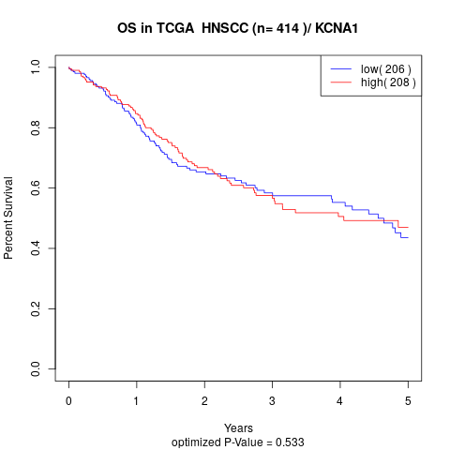

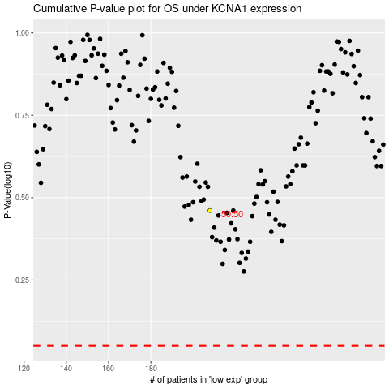

 |  |  |  |  |  | cases_OS | p_OS | rank | exp
 |  |  |  |  |  |  | cases_RFS | p_RFS | rank | exp

