KCNA5 _multivariate
Reported by Tex Li-Hsing Chi. tex@gate.sinica.edu.tw 2019-08-18

Table 2. The clinicopathological features of HNSCC cohort and KCNA5 expression. (Chi square test)
Cutoff at -0.249 (50.0%)
 |  | KCNA5 expression |  | KCNA5 expression |  | (Optimised)
 | Features | Low | (%) | High | (%) | Case no | P-value | Remark | Matthews
Gender | Female | 162 | 39 | 144 | 34.7 | 415 | 0.0479 | 1 | 0
2 | Male | 45 | 10.8 | 64 | 15.4
Age at diagnosis | <=65y | 135 | 32.5 | 139 | 33.5 | 415 | 0.8084 | 0 | 0
4 | >65y | 72 | 17.3 | 69 | 16.6
Clinical T Status | T1+T2 | 62 | 14.9 | 87 | 21 | 415 | 0.0156 | 1 | 0
6 | T3+T4 | 145 | 34.9 | 121 | 29.2
Clinical N Status | N0 | 108 | 26 | 108 | 26 | 415 | 1 | 0 | 0
8 | N1-3 | 99 | 23.9 | 100 | 24.1
Clinical M Status | M0 | 204 | 49.2 | 208 | 50.1 | 415 | 0.1232 | 0 | 0
10 | M1 | 3 | 0.7 | 0 | 0
Clinical Stage | Stage I+II | 43 | 10.4 | 59 | 14.2 | 415 | 0.0925 | 0 | 0
12 | Stage III+IV | 164 | 39.5 | 149 | 35.9
Surgical Margin status | Negative | 158 | 38.1 | 160 | 38.6 | 415 | 0.9081 | 0 | 0
14 | Positive | 49 | 11.8 | 48 | 11.6
Tobacco Exposure | Low | 74 | 17.8 | 87 | 21 | 415 | 0.227 | 0 | 0
16 | High | 133 | 32 | 121 | 29.2

Table 3. Univariate/Multivariate Cox's proportional hazards regression analyses on OS time of KCNA5 gene expression in HNSCC

 |  | Univariate |  |  |  | Multivariate
 | Features | HR | CI95%(L) | CI95%(H) | P-value | HR | CI95%(L) | CI95%(H) | P-value
1 | Female | 1 |  |  |  | 1
Gender | Male | 1.157 | 0.843 | 1.587 | 0.367 | 1.211 | 0.866 | 1.693 | 0.263
11 | <=65y | 1 |  |  |  | 1
Age at diagnosis | >65y | 1.329 | 0.99 | 1.784 | 0.058 | 1.387 | 1.02 | 1.885 | 0.037
12 | T1+T2 | 1 |  |  |  | 1
Clinical T Status | T3+T4 | 1.409 | 1.028 | 1.931 | 0.033 | 2.171 | 1.148 | 4.107 | 0.017
13 | N0 | 1 |  |  |  | 1
Clinical N Status | N1-3 | 1.185 | 0.89 | 1.577 | 0.246 | 1.255 | 0.879 | 1.793 | 0.212
14 | M0 | 1 |  |  |  | 1
Clinical M Status | M1 | 4.097 | 1.009 | 16.644 | 0.049 | 8.686 | 1.879 | 40.154 | 0.006
15 | Stage I+II | 1 |  |  |  | 1
Clinical Stage | Stage III+IV | 1.245 | 0.882 | 1.759 | 0.213 | 0.503 | 0.234 | 1.079 | 0.078
16 | Negative | 1 |  |  |  | 1
Surgical Margin status | Positive | 1.591 | 1.155 | 2.191 | 0.004 | 1.689 | 1.221 | 2.335 | 0.002
17 | Low | 1 |  |  |  | 1
Tobacco Exposure | High | 1.364 | 1.008 | 1.844 | 0.044 | 1.446 | 1.048 | 1.993 | 0.025
18 | Low | 1 |  |  |  | 1
RNAseq(z-score) | High | 0.841 | 0.631 | 1.121 | 0.239 | 0.869 | 0.649 | 1.163 | 0.345

Table 4. Univariate/Multivariate Cox's proportional hazards regression analyses on RFS time of KCNA5 gene expression in HNSCC

 |  | Univariate |  |  |  | Multivariate
 | Features | HR | CI95%(L) | CI95%(H) | P-value | HR | CI95%(L) | CI95%(H) | P-value
1 | Female | 1 |  |  |  | 1
Gender | Male | 1.157 | 0.843 | 1.587 | 0.367 | 1.211 | 0.866 | 1.693 | 0.263
11 | <=65y | 1 |  |  |  | 1
Age at diagnosis | >65y | 1.329 | 0.99 | 1.784 | 0.058 | 1.387 | 1.02 | 1.885 | 0.037
12 | T1+T2 | 1 |  |  |  | 1
Clinical T Status | T3+T4 | 1.409 | 1.028 | 1.931 | 0.033 | 2.171 | 1.148 | 4.107 | 0.017
13 | N0 | 1 |  |  |  | 1
Clinical N Status | N1-3 | 1.185 | 0.89 | 1.577 | 0.246 | 1.255 | 0.879 | 1.793 | 0.212
14 | M0 | 1 |  |  |  | 1
Clinical M Status | M1 | 4.097 | 1.009 | 16.644 | 0.049 | 8.686 | 1.879 | 40.154 | 0.006
15 | Stage I+II | 1 |  |  |  | 1
Clinical Stage | Stage III+IV | 1.245 | 0.882 | 1.759 | 0.213 | 0.503 | 0.234 | 1.079 | 0.078
16 | Negative | 1 |  |  |  | 1
Surgical Margin status | Positive | 1.591 | 1.155 | 2.191 | 0.004 | 1.689 | 1.221 | 2.335 | 0.002
17 | Low | 1 |  |  |  | 1
Tobacco Exposure | High | 1.364 | 1.008 | 1.844 | 0.044 | 1.446 | 1.048 | 1.993 | 0.025
18 | Low | 1 |  |  |  | 1
RNAseq(z-score) | High | 0.841 | 0.631 | 1.121 | 0.239 | 0.869 | 0.649 | 1.163 | 0.345

Kaplan-Meier survival estimate: Cutoff at -0.249 (50.0%)



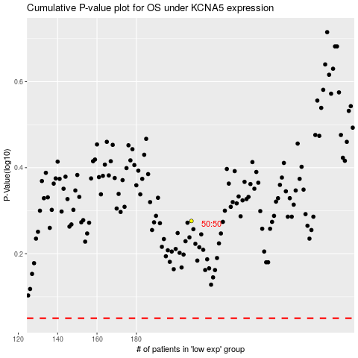

 |  |  |  |  |  | cases_OS | p_OS | rank | exp
 |  |  |  |  |  |  | cases_RFS | p_RFS | rank | exp

